Process overview
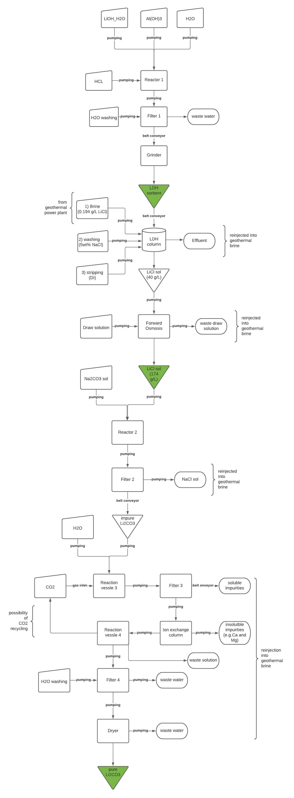
Machine | Reaction step | Specification | Size | Amounts processed | Reaction

Reactor 1 | Sorbent Synthesis | Batch reactor | Volume: 500 l |  | LiOH*H2O + mAl(OH)3 + nH2O + HCl à LiCl*m[Al(OH)3]*nH2O + H2O
 |  | Open tank |  |  | Reaction in two steps
 |  | Jacketed with agitator |  |  | 1. LiOH*H2O, Al(OH)3 and H20 are mixed together in the batch reactor at the given reaction temperature and stirred for reaction time 1
 |  | Sheets: sorbents_syntehsis_reaction & standard_impeller
 |  |  |  |  | 2. HCl is added to the mixture and the solution is stirred for reaction time 2

Filter 1 | Sorbent Synthesis | Batch vacuum (leaf) filter | Filter area: 20 m^2

Grinder | Sorbent Synthesis | Hammer mill
 |  | output size: 150 μm | Drive power: 4 kW

LDH column | Column extraction | Extraction column (from Huang 2021) | 12 | Input Brine: 1485.3 m^3/h
 |  | Sheets: plant, brine, column, washing, stripping

 |  |  |  | Outout LiCl sol: 6365.4795 l/h

Forward Osmisis unit | Column extraction | FO unit (from Huang 2021) | Filter area: 3593 m^2 | Input LiCl sol: 6365.4795 l/h
 |  | Sheet: FO |  | Output: 1316.9958 l/h

Reactor 2 | Li2CO3 processing | Batchr reactor | Volume: 5000 l | Input LiCl sol: 1316.9958 l/h | 2 LiCl (aq) + Na2CO3 (aq) à Li2CO3 + 2 NaCl
 |  | Open tank |  | Input Na2CO3: 286.414 kg/h
 |  | Jacketed with agitator |  | Output Li2CO3: 199.702 kg/h
 |  | Sheets: Li2CO3_processing & standard_impeller

Filter 2 | Li2CO3 processing | Batch vaccum (leaf) filter | Filter area: 100 m^2

Reactor 3 | Li2CO3 purification | Batch reactor | Volume: 5000l | Input Li2CO3: 199.702 kg/h | Li2CO3 + H2O + CO2 --> 2 LiHCO3
 | carbonation | Pressure vessel |  | Input H2O: 48.68 l/h
 |  | Jacketed with agitator |  | Input CO2 : 118.927 kg/h
 |  | gas inlet (CO2) |  | Output LiHCO3: 368.196 kg/h
 |  | Sheets: Li2CO3_purification & standard_impeller

Filter 2 | Li2CO3 purification | same as filter 2
 | carboantion

Ion exchange column | Li2CO3 purification |  | resin volume: 10m^3 | Input LiHCO3: 368.196 kg/h
Ion exchange resin | removal of divalent and trivalent ions | aminophosphonic acid groups | resin volume: 10m^3

Reactor 4 | Li2CO3 purification | same as Reactor 3 |  | Input LiHCO3: 368.196 kg/h | 2 LiHCO3 --> Li2CO3 + H2O + CO2
 | precipitation |  |  | Output Li2CO3: 199.702 kg/h
 |  |  |  | Output H2O: 48.68 l/h
 |  |  |  | Output CO2 : 118.927 kg/h

Filter 4 | Li2CO3 purification
 | precipitation | same as Filter 2 and 3

Dryer | Li2CO3 purification | rotary, horizontal (batch) | drying surface: 60 m^2 | Input Li2CO3: 199.702 kg/h
 | drying of pure Li2CO3 filter cake

Pumps | Transportation (liquid) | centrifugal, AVS
Valves | Transportation (liquid) | Control valves
Pipes | Transportation (liquid)
Belt conveyor | Transportation (solids)

