Sheet1
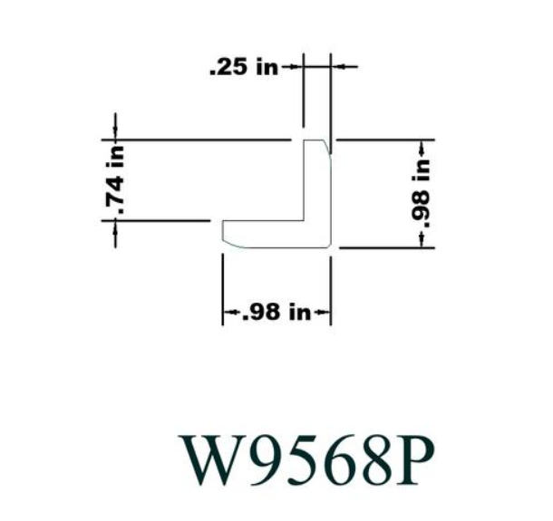
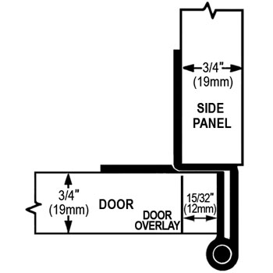
# | Part | L | W | D | Price | Density (kg/m3)
 | Cabinet Grade Plywood Panel (Common: 23/32 in. x 4 ft. x 8 ft.; Actual: 0.688 in. x 48 in. x 96 in.) | 96 | 48 | 0.688 | $36.98 | 540
 | 2 in. x 2 in. x 8 ft. Poplar S4S Board (2-Pack) | 96 | 1.5 | 1.5 | $54.99
 | Utility Panel (Common: 1/8 in. x 4 ft. x 8 ft.; Actual: 0.106 in. x 48 in. x 96 in.) | 96 | 48 | 0.106 | $11.44
 | 1 in. x 1 in. x 96 in. Wood North America Knotty Pine Outside Corner Moulding | 96 |  |  | $7.82
 | Sanded Plywood (FSC Certified) (Common: 15/32 in. x 4 ft. x 8 ft.; Actual: 0.451 in. x 48 in. x 96 in.) | 96 | 48 | 0.451 | $28.95
 | RPC-74-26D Rockford Process RPC 270° Opening 2-3/4" (70mm) Five-Knuckle Overlay Cabinet Hinge - EACH (Dull Chrome) |  |  |  | $2.66 |  | Lid
2 | RPC-374-1D Rockford Process RPC 270° Opening 2-3/4" (70mm) Five-Knuckle Overlay Cabinet Hinge - EACH (Gloss Black) |  |  |  | $3.22 |  | 61.462 | 1.5611348
16 | RPC-J7-9639-SCREWS RPC #8 X 5/8" Hinge Screw - EACH (Flat Head, Phillips) |  |  |  | $0.04 |  | 19.712 | 0.5006848
 |  |  |  |  |  |  | 0.688 | 0.0174752
 |  |  |  |  |  |  | 540 | 16.261289668
 |  |  |  | 0.75 |  |  |  | lbm
 |  |  |  | 0.25
 |  |  |  | 1 | 0.875

