Sheet1
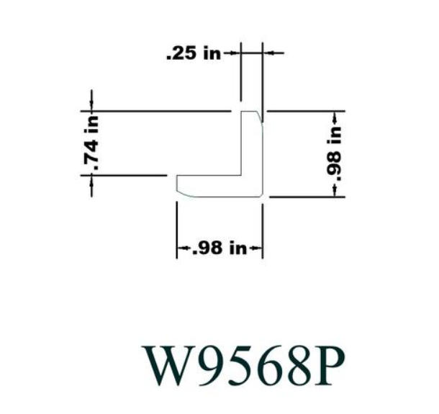
# | Part | L | W | D | Price | Density (kg/m3)
 | Cabinet Grade Plywood Panel (Common: 23/32 in. x 4 ft. x 8 ft.; Actual: 0.688 in. x 48 in. x 96 in.) | 96 | 48 | 0.688 | $36.98 | 540
 | 2 in. x 2 in. x 8 ft. Poplar S4S Board (2-Pack) | 96 | 1.5 | 1.5 | $54.99
 | Utility Panel (Common: 1/8 in. x 4 ft. x 8 ft.; Actual: 0.106 in. x 48 in. x 96 in.) | 96 | 48 | 0.106 | $11.44
 | 1 in. x 1 in. x 96 in. Wood North America Knotty Pine Outside Corner Moulding | 96 |  |  | $7.82
 | Sanded Plywood (FSC Certified) (Common: 15/32 in. x 4 ft. x 8 ft.; Actual: 0.451 in. x 48 in. x 96 in.) | 96 | 48 | 0.451 | $28.95
 |  |  |  |  |  |  | Lid
 |  |  |  |  |  |  | 61.462 | 1.5611348
 |  |  |  |  |  |  | 19.712 | 0.5006848
 |  |  |  |  |  |  | 0.688 | 0.0174752
 |  |  |  |  |  |  | 540 | 16.261289668
 |  |  |  |  |  |  |  | lbm

