Strategy Worksheet
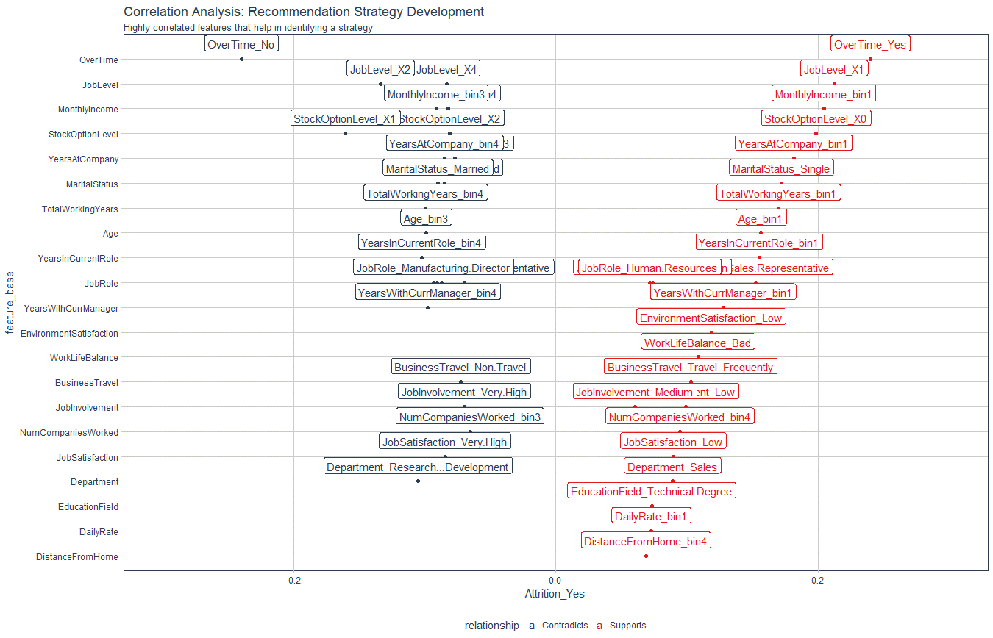
Recommendation Algorithm Strategy

Purpose: | To enable immediate manager to reduce attrition using an automated recommendation system
Strategy Logic: | Uses Correlation Analysis to determine logical strategies that can be adjusted via stakeholder feedback

Feature | Discussion (Hypothesis) | Potential Strategy | Strategy Group
OverTime | Employees with high OT are leaving | Reduce Overtime | Work Life
JobLevel | Employees with Job Level 1 are leaving / Job Level 2 staying | Promote Faster for higher performing employees | Professional Development
MonthlyIncome | Low income bin 1 is more likely to leave | Skip - but include in executive report
StockOptionLevel | 0 stock option likely to leave | Skip - but include in executive report
YearsAtCompany | YAC - High - Likely to stay / YAC - Low - More Likely to leave | Tie promotion if low to advance faster | Professional Development / Personal Development
MaritalStatus | single likely to leave | Skip - but include in executive report
TotalWorkingYears | TWY - High - Likely to stay / TWY - Low - More likely to leave | Tie low TWY to training and formation activities | Personal Development
Age | See TWY | Skip - Covered by TWY
YearsInCurrentRole | More time in current role related to lower attrition | Incentivize specialization or promote | Professional Development /Personal Development
JobRole | Certain Job roles have higher attrition - need to monitor more closely | Skip - Include in executive report
YearsWithCurrManager | See YIC | Skip - Covered by YIC
EnvironmentSatisfaction | Employees with low environment satisfaction are more likely to leave | Improve the workplace environment | Work Life
WorkLifeBalance | A bad work life balance is more likely to lead to attrition | Improve the work life balance | Work Life
BusinessTravel | High business travel more likely to quit | Reduce business travel where possible | Work Life
JobInvolvement | High JI - Likely to stay | create personal development plan | Personal Development
NumCompaniesWorked | Bin4 is more likely to quit | Skip - Include in executive report
JobSatisfaction | Low JS - More likely to leave | Low: create personal development | Personal Development
Department | Sales - More likely to leave / R&D more likely to stay | Skip - Include in executive report
EducationField | Technical Degree - More education | Skip - Include in executive report
DailyRate | Bin1 more likely to leave | Skip - Include in executive report
DistanceFromHome | High distance from home - more likely to leave | Monitor work life balance | Work Life

Correlation Analysis: | Used to investigate the relationship between values within features and the target (Attrition = Yes)

