Login


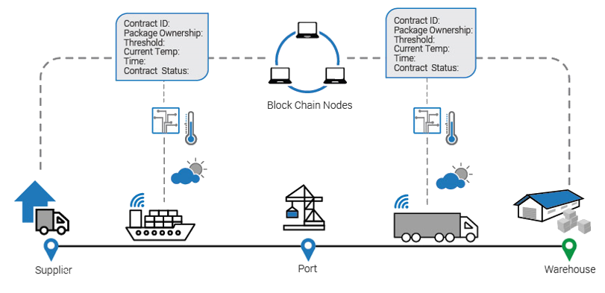

Container

Monitoring System

Global Connect is a descentralized, encrypted tracking app, built on Blockstack (with Blockchain and Smart Contract)

Log In with Blockstack

Main
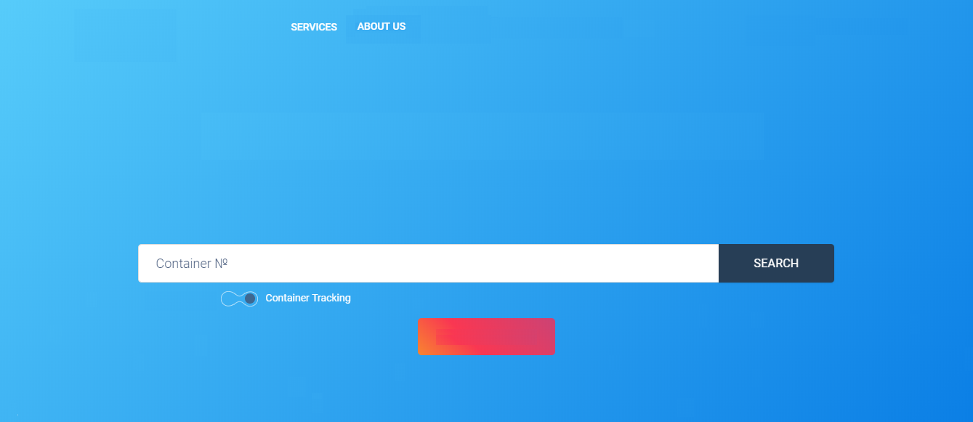
LANGUAGE
proe.id.blockstack
USER

CONTAINER MONITORING SYSTEM

Dynamic monitoring system for multimodal logistics

BL Tracking

Contact Us

Detail
Vessel
EMMA MAERKS
BMOU8710633
Container N°
Bill of Lading N°
WSZCF09050002

Sensors
Bill of Lading Info
Sensor Info
Latest Position
Itineraries History
SHIPPER:
CONSIGNEE:
Temperature:
Texmen, S.L.
San José 85, P.O. 456786
Valencia, Spain
To the order of Jordan National Bank
Received:
2 minutes ago (2018-10-28 16:41 (UTC))
5 °C
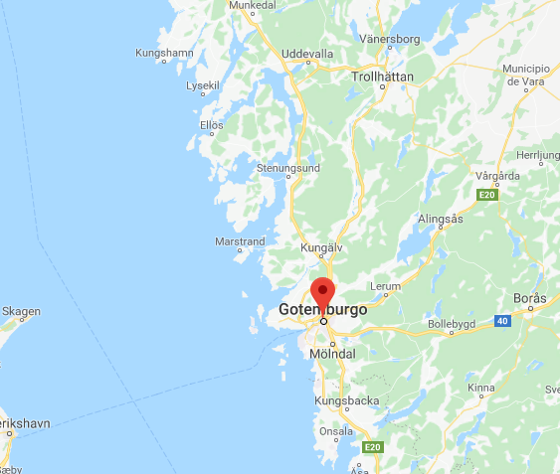

CARRIER:
NOTIFYPARTY:
Phillip Roe and Smithson and partners for trade and investment co, 23. P.O.box 66345, East Jerusalem, Israel
Humidity:
65%
Atlantica S.p.A. di Navegazioni
Received:
2 minutes ago (2018-10-28 16:41 (UTC))
CO2:
2%
Received:
2 minutes ago (2018-10-28 16:41 (UTC))
Voyage Info
Valencia, Spain
Ashdod, Israel
Impact:
Received:
ATD:
2018-10-15 23:11 LT (UTC +2)
ATA:
2018-10-24 11:21 LT (UTC +3)
Vibration:
Latest Position
Received:
Position Received:
2 minutes ago (2018-10-28 16:41 (UTC))
Proximity:
Vessel's Local Time:
2018-10-28 18:41 (UTC +2)
Received:
Area:
BALTIC - Götemburg, Sweden
Door Opening:
Latitude/Longitude:
60.42692° / 26.92023°
Received:
All
Status:
Travelling

proe.id.blockstack
Paradigma Spa. 2019
20/01/2019

Detail (2)
Vessel
EMMA MAERKS
BMOU8710633
Container N°
Bill of Lading N°
WSZCF09050002

Sensors
Bill of Lading Info
Detail Itineraries History
Latest Position
Itineraries History
SHIPPER:
CONSIGNEE:
Received
Latitude/Longitude:
Texmen, S.L.
San José 85, P.O. 456786
Valencia, Spain
To the order of Jordan National Bank
2018-10-28 16:41 (UTC)
60.42692° / 26.92023°

CARRIER:
NOTIFYPARTY:
Phillip Roe and Smithson and partners for trade and investment co, 23. P.O.box 66345, East Jerusalem, Israel
2018-10-28 16:41 (UTC)
60.42692° / 26.92023°
Atlantica S.p.A. di Navegazioni
2018-10-28 16:41 (UTC)
60.42692° / 26.92023°
2018-10-28 16:41 (UTC)
60.42692° / 26.92023°
2018-10-28 16:41 (UTC)
60.42692° / 26.92023°
Voyage Info
Valencia, Spain
Ashdod, Israel
2018-10-28 16:41 (UTC)
60.42692° / 26.92023°
ATD:
2018-10-15 23:11 LT (UTC +2)
ATA:
2018-10-24 11:21 LT (UTC +3)

Latest Position
Position Received:
2 minutes ago (2018-10-28 16:41 (UTC))
Vessel's Local Time:
2018-10-28 18:41 (UTC +2)
Area:
BALTIC - Götemburg, Sweden
Latitude/Longitude:
60.42692° / 26.92023°
All
Status:
Travelling

proe.id.blockstack
Paradigma Spa. 2019
20/01/2019

All
Vessel
EMMA MAERKS
BMOU8710633
Container N°
Bill of Lading N°
WSZCF09050002

Sensors
Detail All Sensors
Received
Latitude/Longitude:
Temperature
Humidity
CO2
Impact
Vibration
Proximity
Open Door
2018-10-28 16:41 (UTC)
60.42692° / 26.92023°
5°C
65%
1%
60.42692° / 26.92023°
65%
1%
2018-10-28 16:41 (UTC)
5°C
2018-10-28 16:41 (UTC)
60.42692° / 26.92023°
5°C
65%
1%
2018-10-28 16:41 (UTC)
60.42692° / 26.92023°
5°C
65%
1%
2018-10-28 16:41 (UTC)
60.42692° / 26.92023°
5°C
65%
1%

2018-10-28 16:41 (UTC)
60.42692° / 26.92023°
5°C
65%
1%

All
20/01/2019
proe.id.blockstack
Paradigma Spa. 2019

Temperature
Vessel
EMMA MAERKS
BMOU8710633
Container N°
Bill of Lading N°
WSZCF09050002

Sensors
Temperature Sensor Detail
Atributes
Item
Received
Latitude/Longitude:
Temperature
Smart Contract Rule
Registry
Sensor ID:
4119
Frecuency Notification:
2 min
Type:
Float
1
2018-10-28 16:41 (UTC)
60.42692° / 26.92023°
5°C
2018-10-28 16:41 (UTC)
Call ID:
987675438
Upper Threshold:
25
Unit:
°C
60.42692° / 26.92023°
Category:
34
Lower Threshold:
-5
State:
Active
2
2018-10-28 16:41 (UTC)
3°C
2018-10-28 16:41 (UTC)
3
2018-10-28 16:41 (UTC)
60.42692° / 26.92023°
0°C
2018-10-28 16:41 (UTC)
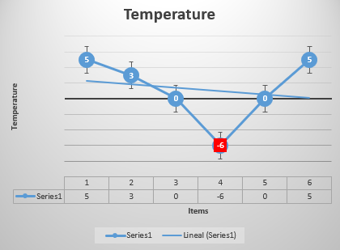
4
2018-10-28 16:41 (UTC)
60.42692° / 26.92023°
-6°C
Bad
2018-10-28 16:41 (UTC)
5
2018-10-28 16:41 (UTC)
60.42692° / 26.92023°
0°C
2018-10-28 16:41 (UTC)
6
2018-10-28 16:41 (UTC)
60.42692° / 26.92023°
5°C
2018-10-28 16:41 (UTC)

All
20/01/2019
proe.id.blockstack
Paradigma Spa. 2019

Foot
proe.id.blockstack
Paradigma Limitada 2018

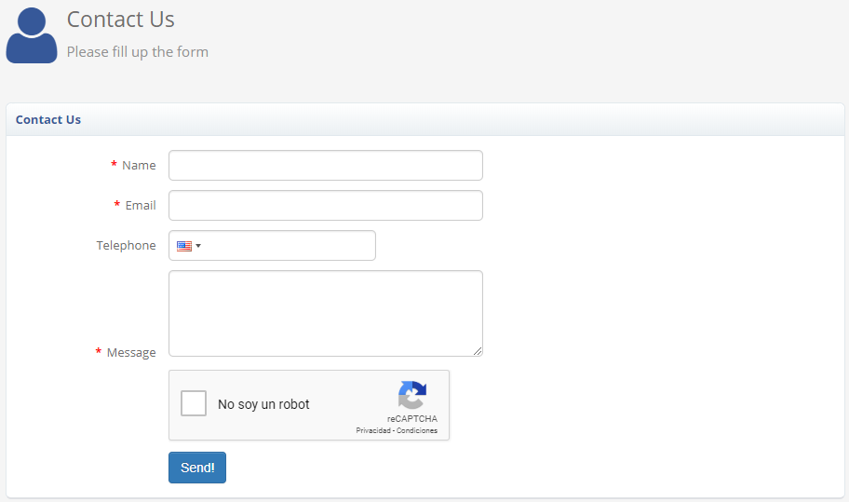
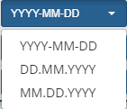

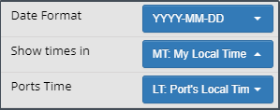
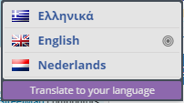

Select Time Zone
proe.id.blockstack
Paradigma Spa. 2019
20/01/2019

Languages
LANGUAGE
proe.id.blockstack
USER
English
Spanish

French
Portuguese
German
CONTAINER MONITORING SYSTEM
Swedish
Chinese
Dynamic monitoring system for multimodal logistics

BL Tracking

Contact Us

Services
LANGUAGE
proe.id.blockstack
USER

Purchase of Domain
User Creation and Roles
Create Tracking Contract
Container Tracking

CONTAINER MONITORING SYSTEM

Dynamic monitoring system for multimodal logistics

BL Tracking

Contact Us

Bill of Lading
Tracking Contract

Rules
Shipper
Place of Acceptance
Port of Lading
Vessel
Container N°
BMOU8710633
Port of Discharge
Place of Delivery
Final Destination
Bill of Lading N°
WSZCF09050002
Consignee
Description of Goods
Type Bill of Lading
Master
Date
NotifyParty
Weight Declared
Freight & charges
Rate
Amount
Activate Sensors
Temperature
Humidity
Carrier
Total No.Packages for LCL
Total No.Container for FCL
Total Charges
Signature
Gas Control
Impact
Freight Payable
Place and Date of Issue
Proximity
Vibration
Prepaid
Seal Integrity
Detail
Collect
Elsewhere
20/01/2019
proe.id.blockstack
Paradigma Spa. 2019

Rules
Tracking Contract

Rules
Temperature Rules
Container N°
BMOU8710633
Bill of Lading N°
Lower Thresold
Upper Thresold
Unit Measurement
Active Rule
WSZCF09050002
Thresolds
Type Bill of Lading
Yes
Master
Celsius
Farhenheit
No
Date
Frecuency
Unit Frecuency
Frecuency
Activate Sensors
Second
Temperature
Minute
Humidity
Hour
Gas Control
Error Time
Error Time Unit
Action
Impact
If the device does not communicate for a certain time, then ...
Proximity
Second
SMS
Vibration
Minute
Email
Seal Integrity
Detail
Hour
Alert
20/01/2019
proe.id.blockstack
Paradigma Spa. 2019

