Calculator
Event R Calculator


Inputs | Event duration or exposure time (in hours)
 | 4

 | Expected number of interactions with unique individuals per hour
 | 10

 | Expected number of people in the event |  | Mean crowding density |  | Variance of the crowding density (default value = 1)
 | 25 |  | 0.5 |  | 1

 | Area of the event venue (in sq.m.)
 | 200 |  | (>1 means number of attendees exceeds event venue capacity)

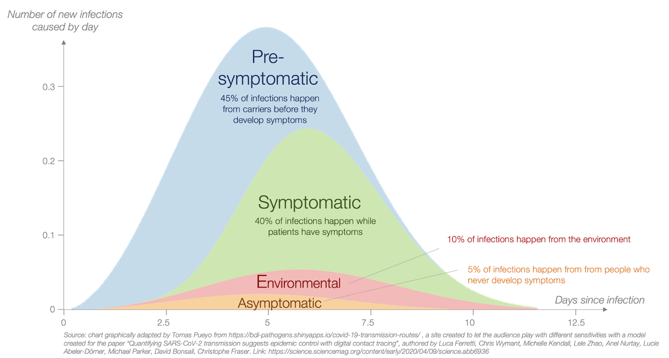
 | Transmission probability (beta)
 | 0.2

 |  |  | Source: https://medium.com/@tomaspueyo/coronavirus-how-to-do-testing-and-contact-tracing-bde85b64072e

 | Reduction in beta (Effect of interventions) | Values should be 0 to 1, where values near 1 mean very effective interventions.
 | 0.3 | Wearing of face masks, frequent hand washing, presence of engineering controls, etc.

 | With environmental transmission? (0 for No, 1 for Yes)
 | 1

OUTPUT (Event R) |  | This is the expected number of possible newly infected individuals who are infected by a COVID-19 positive case in a certain event or local setting. Event R>1 means high infection risk. |  | Dispersion or heterogeneity factor
5.91 |  |  |  | 0.5

changing duration
event R | Event duration or exposure time (hours) | Average number of interactions with unique individuals per hour | Mean crowding density | Variance of crowding density | Coefficient of variation of crowding density | Dispersion | Transmission probability (beta)
1.90 | 0.5 | 12 | 0.5 | 1 | 2.000 | 0.50 | 0.50
3.79 | 1 | 12 | 0.5 | 1 | 2.000 | 0.50 | 0.50
5.69 | 1.5 | 12 | 0.5 | 1 | 2.000 | 0.50 | 0.50
7.59 | 2 | 12 | 0.5 | 1 | 2.000 | 0.50 | 0.50
9.48 | 2.5 | 12 | 0.5 | 1 | 2.000 | 0.50 | 0.50
11.38 | 3 | 12 | 0.5 | 1 | 2.000 | 0.50 | 0.50
13.27 | 3.5 | 12 | 0.5 | 1 | 2.000 | 0.50 | 0.50
15.17 | 4 | 12 | 0.5 | 1 | 2.000 | 0.50 | 0.50
17.07 | 4.5 | 12 | 0.5 | 1 | 2.000 | 0.50 | 0.50
18.96 | 5 | 12 | 0.5 | 1 | 2.000 | 0.50 | 0.50

changing number of interaction
event R | Event duration or exposure time (hours) | Average number of interactions with unique individuals per hour | Mean crowding density | Variance of crowding density | Coefficient of variation of crowding density | Dispersion | Transmission probability (beta)
0.32 | 1 | 1 | 0.5 | 1 | 2.000 | 0.50 | 0.50
0.63 | 1 | 2 | 0.5 | 1 | 2.000 | 0.50 | 0.50
0.95 | 1 | 3 | 0.5 | 1 | 2.000 | 0.50 | 0.50
1.26 | 1 | 4 | 0.5 | 1 | 2.000 | 0.50 | 0.50
1.58 | 1 | 5 | 0.5 | 1 | 2.000 | 0.50 | 0.50
1.90 | 1 | 6 | 0.5 | 1 | 2.000 | 0.50 | 0.50
2.21 | 1 | 7 | 0.5 | 1 | 2.000 | 0.50 | 0.50
2.53 | 1 | 8 | 0.5 | 1 | 2.000 | 0.50 | 0.50
2.84 | 1 | 9 | 0.5 | 1 | 2.000 | 0.50 | 0.50
3.16 | 1 | 10 | 0.5 | 1 | 2.000 | 0.50 | 0.50

changing crowd density
event R | Event duration or exposure time (hours) | Average number of interactions with unique individuals per hour | Mean crowding density | Variance of crowding density | Coefficient of variation of crowding density | Dispersion | Transmission probability (beta)
0.13 | 1 | 12 | 0.1 | 1 | 10.000 | 0.01 | 0.50
0.60 | 1 | 12 | 0.2 | 1 | 5.000 | 0.05 | 0.50
1.51 | 1 | 12 | 0.3 | 1 | 3.333 | 0.13 | 0.50
2.71 | 1 | 12 | 0.4 | 1 | 2.500 | 0.27 | 0.50
3.79 | 1 | 12 | 0.5 | 1 | 2.000 | 0.50 | 0.50
4.60 | 1 | 12 | 0.6 | 1 | 1.667 | 0.90 | 0.50
4.72 | 1 | 12 | 0.7 | 1 | 1.429 | 1.00 | 0.50
4.72 | 1 | 12 | 0.8 | 1 | 1.250 | 1.00 | 0.50
4.72 | 1 | 12 | 0.9 | 1 | 1.111 | 1.00 | 0.50
4.72 | 1 | 12 | 1 | 1 | 1.000 | 1.00 | 0.50

changing beta
event R | Event duration or exposure time (hours) | Average number of interactions with unique individuals per hour | Mean crowding density | Variance of crowding density | Coefficient of variation of crowding density | Dispersion | Transmission probability (beta)
0.57 | 1 | 12 | 0.5 | 1 | 2.000 | 0.50 | 0.05
1.09 | 1 | 12 | 0.5 | 1 | 2.000 | 0.50 | 0.10
1.56 | 1 | 12 | 0.5 | 1 | 2.000 | 0.50 | 0.15
1.98 | 1 | 12 | 0.5 | 1 | 2.000 | 0.50 | 0.20
2.36 | 1 | 12 | 0.5 | 1 | 2.000 | 0.50 | 0.25
2.71 | 1 | 12 | 0.5 | 1 | 2.000 | 0.50 | 0.30
3.02 | 1 | 12 | 0.5 | 1 | 2.000 | 0.50 | 0.35
3.30 | 1 | 12 | 0.5 | 1 | 2.000 | 0.50 | 0.40
3.56 | 1 | 12 | 0.5 | 1 | 2.000 | 0.50 | 0.45
3.79 | 1 | 12 | 0.5 | 1 | 2.000 | 0.50 | 0.50

