Sheet1
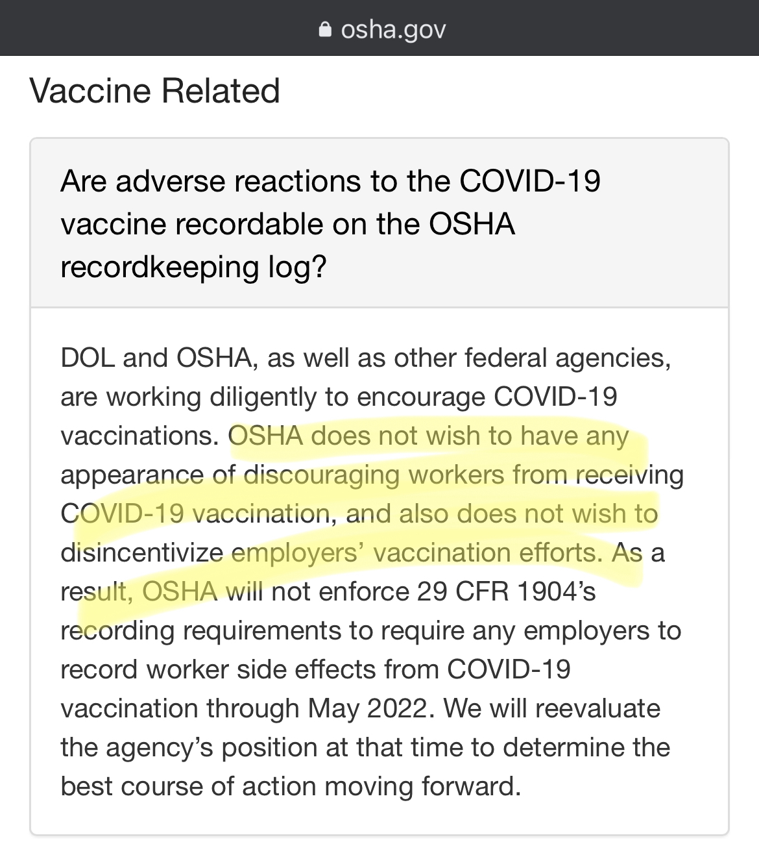
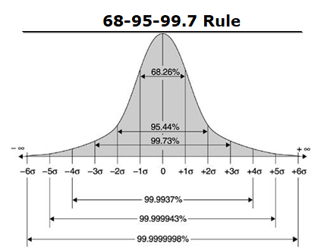
 |  | Multiplier it's said 1% report to VAERS, so 50x-150x
Total Adverse Reactions Reported | 316,929
Total Deaths Reported | 4,700
appx min AR (minAR) | 15,846,450 | 50
appx max AR (maxAR) | 47,539,350 | 150
appx min Death (minD) | 235,000 | 50
appx max Death (maxD) | 705,000 | 150

Fully Vax (FV) | 154,199,664

 | #Effected | #NotEffected | math | σ
minAR/FV | 0.10277 | 0.89723 | 0.05717 | 1.9428342
maxAR/FV | 0.30830 | 0.69170 | 0.26270 | 1.7373026 | σ
minD/FV | 0.00152 | 0.99848 | 0.00146 | 3.9985390 | 1 | 68.2600000 | 0.682600000
maxD/FV | 0.00457 | 0.99543 | 0.00187 | 2.9981280 | 2 | 95.4400000 | 0.954400000
 |  |  |  |  | 3 | 99.7300000 | 0.997300000
Every 1000 shots 1.5 to 4.5 people will die |  |  |  |  | 4 | 99.9937000 | 0.999937000
and the Vaccine doesn't even get half way to 6 sigma |  |  |  |  | 5 | 99.9999430 | 0.999999430
min and max sigma for death between 3.9985390 and 2.9981280 |  |  |  |  | 6 | 99.9999998 | 0.999999998
and there is a possibility it doesn't hit 3 sigma

