model 1
SpeedLine
Result (s) | 26.50

GG circle radius | 2

R (m) | 100 | 50
Vapex |  | 31.32

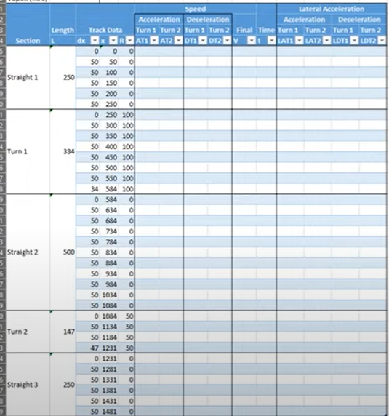
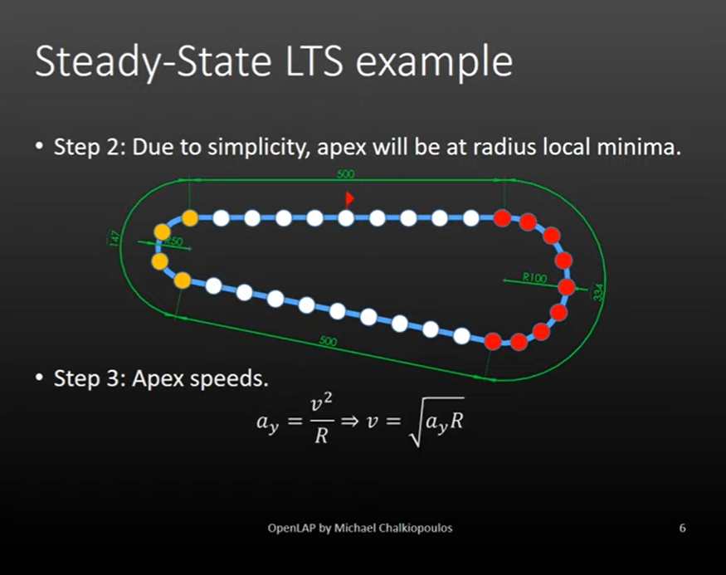

Section | L | dx | x | R | Acc turn 1 | Acc turn 2 | Decel turn 1 | Decel turn 2 | V final | t(s)
Straight 1 | 250 | 0 | 0 | 0 | 192.77 | 103.88 | 108.50 | 208.61 | 103.88 | 0.00
Straight 1 | 250 | 50 | 50 | 0 | 197.79 | 112.93 | 99.05 | 203.85 | 99.05 | 0.50
Straight 1 | 250 | 50 | 100 | 0 | 202.69 | 121.31 | 88.59 | 198.98 | 88.59 | 0.56
Straight 1 | 250 | 50 | 150 | 0 | 207.48 | 129.14 | 76.72 | 193.99 | 76.72 | 0.65
Straight 1 | 250 | 50 | 200 | 0 | 212.15 | 136.52 | 62.64 | 188.86 | 62.64 | 0.80
Straight 1 | 250 | 50 | 250 | 0 | 216.73 | 143.53 | 44.29 | 183.60 | 44.29 | 1.13
Turn 1 | 334 | 0 | 250 | 100 | 44.29 | 143.53 | 44.29 | 183.60 | 44.29 | 0.00
Turn 1 | 334 | 50 | 300 | 100 | 44.29 | 150.21 | 44.29 | 178.17 | 44.29 | 1.13
Turn 1 | 334 | 50 | 350 | 100 | 44.29 | 156.60 | 44.29 | 172.58 | 44.29 | 1.13
Turn 1 | 334 | 50 | 400 | 100 | 44.29 | 162.75 | 44.29 | 166.80 | 44.29 | 1.13
Turn 1 | 334 | 50 | 450 | 100 | 44.29 | 168.67 | 44.29 | 160.81 | 44.29 | 1.13
Turn 1 | 334 | 50 | 500 | 100 | 44.29 | 174.39 | 44.29 | 154.59 | 44.29 | 1.13
Turn 1 | 334 | 50 | 550 | 100 | 44.29 | 179.92 | 44.29 | 148.11 | 44.29 | 1.13
Turn 1 | 334 | 34 | 584 | 100 | 44.29 | 183.60 | 44.29 | 143.53 | 44.29 | 0.77
Straight 2 | 500 | 0 | 584 | 0 | 44.29 | 183.60 | 216.73 | 143.53 | 44.29 | 0.00
Straight 2 | 500 | 50 | 634 | 0 | 62.64 | 188.86 | 212.15 | 136.52 | 62.64 | 0.80
Straight 2 | 500 | 50 | 684 | 0 | 76.72 | 193.99 | 207.48 | 129.14 | 76.72 | 0.65
Straight 2 | 500 | 50 | 734 | 0 | 88.59 | 198.98 | 202.69 | 121.31 | 88.59 | 0.56
Straight 2 | 500 | 50 | 784 | 0 | 99.05 | 203.85 | 197.79 | 112.93 | 99.05 | 0.50
Straight 2 | 500 | 50 | 834 | 0 | 108.50 | 208.61 | 192.77 | 103.88 | 103.88 | 0.48
Straight 2 | 500 | 50 | 884 | 0 | 117.19 | 213.26 | 187.61 | 93.96 | 93.96 | 0.53
Straight 2 | 500 | 50 | 934 | 0 | 125.28 | 217.81 | 182.31 | 82.87 | 82.87 | 0.60
Straight 2 | 500 | 50 | 984 | 0 | 132.88 | 222.27 | 176.85 | 70.04 | 70.04 | 0.71
Straight 2 | 500 | 50 | 1034 | 0 | 140.07 | 226.64 | 171.21 | 54.25 | 54.25 | 0.92
 | 1
Straight 2 | 500 | 50 | 1084 | 0 | 146.91 | 230.93 | 165.38 | 31.32 | 31.32 | 1.60
Turn 2 | 147 | 0 | 1084 | 50 | 146.91 | 31.32 | 165.38 | 31.32 | 31.32 | 0.00
Turn 2 | 147 | 50 | 1134 | 50 | 153.44 | 31.32 | 159.34 | 31.32 | 31.32 | 1.60
Turn 2 | 147 | 50 | 1184 | 50 | 159.71 | 31.32 | 153.06 | 31.32 | 31.32 | 1.60
Turn 2 | 147 | 47 | 1231 | 50 | 165.38 | 31.32 | 146.91 | 31.32 | 31.32 | 1.50
Straight 3 | 250 | 0 | 1231 | 0 | 165.38 | 31.32 | 146.91 | 230.93 | 31.32 | 0.00
Straight 3 | 250 | 50 | 1281 | 0 | 171.21 | 54.25 | 140.07 | 226.64 | 54.25 | 0.92
Straight 3 | 250 | 50 | 1331 | 0 | 176.85 | 70.04 | 132.88 | 222.27 | 70.04 | 0.71
Straight 3 | 250 | 50 | 1381 | 0 | 182.31 | 82.87 | 125.28 | 217.81 | 82.87 | 0.60
Straight 3 | 250 | 50 | 1431 | 0 | 187.61 | 93.96 | 117.19 | 213.26 | 93.96 | 0.53
Straight 3 | 250 | 50 | 1481 | 0 | 192.77 | 103.88 | 108.50 | 208.61 | 103.88 | 0.48

model 2
Result (s) | 33.55

GG circle radius | 1

R (m) | 100 | 50
Vapex |  | 22.15

 |  |  |  |  |  |  |  | 6

# | cx | cy | Section | a | b | c | Cos A | A rad | A deg | R | dx | x | R2 | Acc turn 1 | Acc turn 2 | Decel turn 1 | Decel turn 2 | V final | t(s) | V final Km/h
0 | 0 | 0 | Straight 1 | 50 | 50 | 0 | #DIV/0! | #DIV/0! | #DIV/0! | #DIV/0! | 0.00 | 0 | 0 | 138.29 | 76.86 | 82.84 | 148.92 | 76.86 | 0.00 | 276.69
1 | 50 | 0 | Straight 1 | 100 | 50 | 50 | -1 | 3.1415926536 | 180 | #DIV/0! | 50.00 | 50 | 0 | 141.79 | 83.00 | 76.69 | 145.59 | 76.69 | 0.65 | 276.08
2 | 100 | 0 | Straight 1 | 100 | 50 | 50 | -1 | 3.1415926536 | 180 | #DIV/0! | 50.00 | 100 | 0 | 145.21 | 88.71 | 70.00 | 142.18 | 70.00 | 0.71 | 252.00
3 | 150 | 0 | Straight 1 | 100 | 50 | 50 | -1 | 3.1415926536 | 180 | #DIV/0! | 50.00 | 150 | 0 | 148.55 | 94.08 | 62.60 | 138.68 | 62.60 | 0.80 | 225.37
4 | 200 | 0 | Straight 1 | 100 | 50 | 50 | -1 | 3.1415926536 | 180 | #DIV/0! | 50.00 | 200 | 0 | 151.81 | 99.15 | 54.20 | 135.10 | 54.20 | 0.92 | 195.14 | 54.204823639
5 | 250 | 0 | Straight 1 | 98.704410745 | 49.480356714 | 50 | -0.96892086445 | 2.8916267812 | 165.67801049 | 199.50692209 | 50.00 | 250 | 0 | 44.24 | 103.98 | 44.24 | 131.42 | 44.24 | 1.13 | 159.26 | 44.24
6 | 297.94255 | 12.24 | Turn 1 | 95.8877646 | 49.484263514 | 49.480356714 | -0.87757139084 | 2.6415693532 | 151.35077523 | 99.998505877 | 49.48 | 299.48035671 | 100 | 31.32 | 108.55 | 31.32 | 127.67 | 31.32 | 1.58 | 112.75
7 | 334.15 | 45.97 | Turn 1 | 95.889978494 | 49.483346694 | 49.484263514 | -0.87754463941 | 2.6415135595 | 151.34757849 | 99.990603397 | 49.48 | 348.96462023 | 100 | 31.32 | 112.93 | 31.32 | 123.81 | 31.32 | 1.58 | 112.75
8 | 349.75 | 92.93 | Turn 1 | 95.880018773 | 49.472566135 | 49.483346694 | -0.87759844722 | 2.6416257887 | 151.35400874 | 100.0007581 | 49.48 | 398.44796692 | 100 | 31.32 | 117.15 | 31.32 | 119.83 | 31.32 | 1.58 | 112.76
9 | 340.93 | 141.61 | Turn 1 | 95.876808458 | 49.479454322 | 49.472566135 | -0.87762042353 | 2.6416716322 | 151.35663539 | 100.00580267 | 49.47 | 447.92053306 | 100 | 31.32 | 121.23 | 31.32 | 115.71 | 31.32 | 1.58 | 112.76
10 | 309.85 | 180.11 | Turn 1 | 96.357013756 | 50.003944844 | 49.479454322 | -0.87626696464 | 2.638855396 | 151.19527693 | 99.991523845 | 49.48 | 497.39998738 | 100 | 31.32 | 125.17 | 31.32 | 111.43 | 31.32 | 1.58 | 112.75
11 | 263.58 | 199.07 | Turn 1 | 81.638781226 | 33.396510297 | 50.003944844 | -0.91294827571 | 2.721247818 | 155.91601498 | 100.02906615 | 50.00 | 547.40393222 | 100 | 31.33 | 129.02 | 31.33 | 106.94 | 31.33 | 1.60 | 112.77
12 | 230.2 | 198.02 | Straight 2 | 83.114466851 | 49.999901 | 33.396510297 | -0.98594257014 | 2.9737207434 | 170.38164805 | 248.71977857 | 33.40 | 580.80044252 | 0 | 40.45 | 131.54 | 49.40 | 103.83 | 40.45 | 0.83 | 145.63 | 49.40
13 | 181.19 | 188.12 | Straight 2 | 99.999802 | 49.999901 | 49.999901 | -1 | 3.1415926536 | 180 | #DIV/0! | 50.00 | 630.80034352 | 0 | 51.16 | 135.22 | 152.87 | 98.99 | 51.16 | 0.98 | 184.18 | 152.86583822
14 | 132.18 | 178.22 | Straight 2 | 99.999802 | 49.999901 | 49.999901 | -1 | 3.1415926536 | 180 | #DIV/0! | 50.00 | 680.80024452 | 0 | 59.99 | 138.80 | 149.62 | 93.91 | 59.99 | 0.83 | 215.96 | 149.62274706
15 | 83.17 | 168.32 | Straight 2 | 99.999802 | 49.999901 | 49.999901 | -1 | 3.1415926536 | 180 | #DIV/0! | 50.00 | 730.80014552 | 0 | 67.67 | 142.29 | 146.31 | 88.53 | 67.67 | 0.74 | 243.62 | 146.30778647
16 | 34.16 | 158.42 | Straight 2 | 100.00178248 | 50.001881965 | 49.999901 | -0.99999998079 | 3.1413966206 | 179.98876814 | 255063.6321 | 50.00 | 780.80004652 | 0 | 74.57 | 145.69 | 142.92 | 82.81 | 74.57 | 0.67 | 268.45
17 | -14.85 | 148.51 | Straight 2 | 100.00178248 | 49.999901 | 50.001881965 | -0.99999998079 | 3.1413966206 | 179.98876814 | 255063.63357 | 50.00 | 830.80192848 | 0 | 80.88 | 149.02 | 139.44 | 76.65 | 76.65 | 0.65 | 275.96
18 | -63.86 | 138.61 | Straight 2 | 99.999802 | 49.999901 | 49.999901 | -1 | #NUM! | #NUM! | #NUM! | 50.00 | 880.80182948 | 0 | 86.73 | 152.28 | 135.88 | 69.96 | 69.96 | 0.71 | 251.87
19 | -112.87 | 128.71 | Straight 2 | 99.999802 | 49.999901 | 49.999901 | -1 | 3.1415926536 | 180 | #DIV/0! | 50.00 | 930.80173048 | 0 | 92.21 | 155.47 | 132.22 | 62.56 | 62.56 | 0.80 | 225.22
20 | -161.88 | 118.81 | Straight 2 | 99.999802 | 49.999901 | 49.999901 | -1 | 3.1415926536 | 180 | #DIV/0! | 50.00 | 980.80163148 | 0 | 97.39 | 158.59 | 128.46 | 54.16 | 54.16 | 0.92 | 194.96
21 | -210.89 | 108.91 | Straight 2 | 99.999802 | 49.999901 | 49.999901 | -1 | 3.1415926536 | 180 | #DIV/0! | 50.00 | 1030.8015325 | 0 | 102.30 | 161.65 | 124.58 | 44.18 | 44.18 | 1.13 | 159.05
22 | -259.9 | 99.01 | Straight 2 | 94.899249734 | 47.942629256 | 49.999901 | -0.87758852527 | 2.6416050923 | 151.35282293 | 98.974087636 | 50.00 | 1080.8014335 | 0 | 106.99 | 31.16 | 120.58 | 31.16 | 31.16 | 1.60 | 112.18
23 | -296.59 | 68.15 | Turn 2 | 84.147606621 | 47.946063446 | 47.942629256 | -0.54020573469 | 2.1414778931 | 122.6976452 | 49.996618171 | 47.94 | 1128.7440627 | 50 | 111.30 | 22.15 | 116.61 | 22.15 | 22.15 | 2.16 | 79.73
24 | -290.44 | 20.6 | Turn 2 | 82.553319739 | 45.38450837 | 47.946063446 | -0.5644444817 | 2.1705564541 | 124.36372402 | 50.003765361 | 47.95 | 1176.6901262 | 50 | 115.45 | 22.15 | 112.51 | 22.15 | 22.15 | 2.16 | 79.73
25 | -250 | 0 | Straight 3 | 92.756420802 | 50 | 45.38450837 | -0.89105294851 | 2.6704560242 | 153.00585956 | 102.17729506 | 45.38 | 1222.0746346 | 0 | 119.24 | 31.66 | 108.48 | 31.66 | 31.66 | 1.43 | 113.98
26 | -200 | 0 | Straight 3 | 100 | 50 | 50 | -1 | 3.1415926536 | 180 | #DIV/0! | 50.00 | 1272.0746346 | 0 | 123.29 | 44.53 | 103.86 | 161.56 | 44.53 | 1.12 | 160.33
27 | -150 | 0 | Straight 3 | 100 | 50 | 50 | -1 | 3.1415926536 | 180 | #DIV/0! | 50.00 | 1322.0746346 | 0 | 127.20 | 54.45 | 99.02 | 158.49 | 54.45 | 0.92 | 196.01
28 | -100 | 0 | Straight 3 | 100 | 50 | 50 | -1 | 3.1415926536 | 180 | #DIV/0! | 50.00 | 1372.0746346 | 0 | 131.00 | 62.81 | 93.94 | 155.36 | 62.81 | 0.80 | 226.12
29 | -50 | 0 | Straight 3 | 100 | 50 | 50 | -1 | 3.1415926536 | 180 | #DIV/0! | 50.00 | 1422.0746346 | 0 | 134.69 | 70.19 | 88.56 | 152.18 | 70.19 | 0.71 | 252.68
30 | 0 | 0 | Straight 3 | 50 | 0 | 50 | #DIV/0! | #DIV/0! | #DIV/0! | #DIV/0! | 50.00 | 1472.0746346 | 0 | 138.29 | 76.86 | 82.84 | 148.92 | 76.86 | 0.65 | 276.69

comparison
SpeedLine
V final | t(s)
103.87973816 | 0 | 108.69553132 | 0
99.045444115 | 0.50481877735 | 108.45425677 | 0.46102385918
88.588938361 | 0.56440455123 | 98.996594949 | 0.50506787658
76.720271115 | 0.65171823917 | 88.534319964 | 0.56475274244
62.641839053 | 0.79818857102 | 76.657196736 | 0.65225448006
44.294469181 | 1.1288091025 | 62.564573134 | 0.79917431695
44.294469181 | 1.1288091025 | 44.294138273 | 1.1170858864
44.294469181 | 1.1288091025 | 44.292388044 | 1.1172182332
44.294469181 | 1.1288091025 | 44.294637078 | 1.1171408089
44.294469181 | 1.1288091025 | 44.295754293 | 1.1168692559
44.294469181 | 1.1288091025 | 44.292591907 | 1.1171045132
44.294469181 | 1.1288091025 | 44.30090606 | 1.1287341342
44.294469181 | 0.76759018968 | 57.210570193 | 0.58374720238
62.641839053 | 0.79818857102 | 72.353613987 | 0.6910491162
76.720271115 | 0.65171823917 | 84.835379249 | 0.58937558178
88.588938361 | 0.56440455123 | 95.702861439 | 0.52244938394
99.045444115 | 0.50481877735 | 105.45631229 | 0.47412904844
103.87973816 | 0.48132581855 | 108.40596006 | 0.46124661355
93.96275858 | 0.53212571401 | 98.943701469 | 0.505336876
82.867363902 | 0.60337384521 | 88.475193954 | 0.56512903522
70.03570518 | 0.71392156146 | 76.588927593 | 0.65283458812
54.24942396 | 0.92166877268 | 62.480938811 | 0.80024247317
31.320919527 | 1.596377142 | 44.066672207 | 1.1346420888
31.320919527 | 1.596377142 | 31.319860289 | 1.5307421174
31.320919527 | 1.596377142 | 31.32209885 | 1.5307423578
31.320919527 | 1.5005945135 | 44.774083229 | 1.0136334481
54.24942396 | 0.92166877268 | 62.981890484 | 0.79387899626
70.03570518 | 0.71392156146 | 76.998172244 | 0.64936606341
82.867363902 | 0.60337384521 | 88.829716475 | 0.56287469987
93.96275858 | 0.53212571401 | 99.260861013 | 0.50372321467
103.87973816 | 0.48132581855 | 108.69553132 | 0.46000051145

drag
car data | value | unit
mass | 700 | kg
frontal area | 1.54 | m²
Drag coefficient | 0.525 | unitless
GG circle radius | 1 | g
power output | 260 | bhp
trans efficiency | 91 | % |  |  |  | np.sqrt(spd_bfr**2 + 2 * dx[index] * ((Power/spd_bfr) - drag) / car_mass)
air density | 1.23 | kg/m³
 |  | serie2
 | 0 | 0.00
 | 14.007141036 | 14.01
 | 24.267025236 | 23.52
 | 28.439314449 | 27.56
 | 31.49741481 | 30.53
 | 33.968576314 | 32.92
 | 36.063119327 | 34.95
 | 37.890336723 | 36.72
 | 39.515560373 | 38.29
 | 40.981474767 | 39.71
 | 42.317752844 | 41.01
 | 43.54599278 | 42.20
 | 44.682483832 | 43.30
 | 45.739864163 | 44.33
 | 46.72816861 | 45.28
 | 47.655519852 | 46.18
 | 48.528600747 | 47.03
 | 49.352986865 | 47.83
 | 50.133386598 | 48.58
 | 50.873818382 | 49.30
 | 51.577744021 | 49.98
 | 52.24817069 | 50.63
 | 52.887730151 | 51.25
 | 53.498741096 | 51.84
 | 54.083258809 | 52.41
 | 54.643115151 | 52.95
 | 55.179951081 | 53.47
 | 55.695243338 | 53.97
 | 56.190326524 | 54.45
 | 56.666411504 | 54.91
 | 57.124600866 | 55.36
 | 57.565901972 | 55.78
 | 57.991238068 | 56.20
 | 58.40145777 | 56.59
 | 58.797343221 | 56.98
 | 59.179617138 | 57.35
 | 59.548948924 | 57.71
 | 59.905959992 | 58.05
 | 60.251228429 | 58.39
 | 60.585293087 | 58.71
 | 60.908657191 | 59.02
 | 61.221791533 | 59.33
 | 61.525137301 | 59.62
 | 61.819108606 | 59.91
 | 62.104094725 | 60.18
 | 62.380462125 | 60.45
 | 62.648556265 | 60.71
 | 62.908703229 | 60.96
 | 63.161211193 | 61.21
 | 63.406371754 | 61.44
...

ponto | cx | cy | dist | V
0 | 0 | 0 |  | 0
1 | 10 | 0 | 10 | 14.007141036
2 | 20 | 0 | 10 | 24.267025236 | 97%
3 | 30 | 0 | 10 | 28.439314449
4 | 40 | 0 | 10 | 31.49741481
5 | 50 | 0 | 10 | 33.968576314
6 | 60 | 0 | 10 | 36.063119327
7 | 70 | 0 | 10 | 37.890336723
8 | 80 | 0 | 10 | 39.515560373
9 | 90 | 0 | 10 | 40.981474767
10 | 100 | 0 | 10 | 42.317752844
11 | 110 | 0 | 10 | 43.54599278
12 | 120 | 0 | 10 | 44.682483832
13 | 130 | 0 | 10 | 45.739864163
14 | 140 | 0 | 10 | 46.72816861
15 | 150 | 0 | 10 | 47.655519852
16 | 160 | 0 | 10 | 48.528600747
17 | 170 | 0 | 10 | 49.352986865
18 | 180 | 0 | 10 | 50.133386598
19 | 190 | 0 | 10 | 50.873818382
20 | 200 | 0 | 10 | 51.577744021
21 | 210 | 0 | 10 | 52.24817069
22 | 220 | 0 | 10 | 52.887730151
23 | 230 | 0 | 10 | 53.498741096
24 | 240 | 0 | 10 | 54.083258809
25 | 250 | 0 | 10 | 54.643115151
26 | 260 | 0 | 10 | 55.179951081
27 | 270 | 0 | 10 | 55.695243338
28 | 280 | 0 | 10 | 56.190326524
29 | 290 | 0 | 10 | 56.666411504
30 | 300 | 0 | 10 | 57.124600866
31 | 310 | 0 | 10 | 57.565901972
32 | 320 | 0 | 10 | 57.991238068
33 | 330 | 0 | 10 | 58.40145777
34 | 340 | 0 | 10 | 58.797343221
35 | 350 | 0 | 10 | 59.179617138
36 | 360 | 0 | 10 | 59.548948924
37 | 370 | 0 | 10 | 59.905959992
38 | 380 | 0 | 10 | 60.251228429
39 | 390 | 0 | 10 | 60.585293087
40 | 400 | 0 | 10 | 60.908657191
41 | 410 | 0 | 10 | 61.221791533
42 | 420 | 0 | 10 | 61.525137301
43 | 430 | 0 | 10 | 61.819108606
44 | 440 | 0 | 10 | 62.104094725
45 | 450 | 0 | 10 | 62.380462125
46 | 460 | 0 | 10 | 62.648556265
47 | 470 | 0 | 10 | 62.908703229
48 | 480 | 0 | 10 | 63.161211193
49 | 490 | 0 | 10 | 63.406371754
50 | 500 | 0 | 10 | 63.644461132
51 | 510 | 0 | 10 | 63.875741265
52 | 520 | 0 | 10 | 64.100460804
53 | 530 | 0 | 10 | 64.318856018
54 | 540 | 0 | 10 | 64.531151624
55 | 550 | 0 | 10 | 64.737561547
56 | 560 | 0 | 10 | 64.938289613
57 | 570 | 0 | 10 | 65.133530187
58 | 580 | 0 | 10 | 65.323468762
59 | 590 | 0 | 10 | 65.508282499
60 | 600 | 0 | 10 | 65.688140729
61 | 610 | 0 | 10 | 65.863205407
62 | 620 | 0 | 10 | 66.033631547
63 | 630 | 0 | 10 | 66.199567612
64 | 640 | 0 | 10 | 66.361155881
65 | 650 | 0 | 10 | 66.518532794
66 | 660 | 0 | 10 | 66.671829262
67 | 670 | 0 | 10 | 66.821170967
68 | 680 | 0 | 10 | 66.966678635
69 | 690 | 0 | 10 | 67.108468294
70 | 700 | 0 | 10 | 67.246651511
71 | 710 | 0 | 10 | 67.381335619
72 | 720 | 0 | 10 | 67.512623924
73 | 730 | 0 | 10 | 67.640615903
74 | 740 | 0 | 10 | 67.765407391
75 | 750 | 0 | 10 | 67.887090749
76 | 760 | 0 | 10 | 68.00575503
77 | 770 | 0 | 10 | 68.121486133
78 | 780 | 0 | 10 | 68.234366942
79 | 790 | 0 | 10 | 68.344477468
80 | 800 | 0 | 10 | 68.451894972
81 | 810 | 0 | 10 | 68.55669409
82 | 820 | 0 | 10 | 68.658946942
83 | 830 | 0 | 10 | 68.758723245
84 | 840 | 0 | 10 | 68.856090409
85 | 850 | 0 | 10 | 68.951113641
86 | 860 | 0 | 10 | 69.043856029
87 | 870 | 0 | 10 | 69.134378633
88 | 880 | 0 | 10 | 69.222740565
89 | 890 | 0 | 10 | 69.308999068
90 | 900 | 0 | 10 | 69.393209589
91 | 910 | 0 | 10 | 69.475425853
92 | 920 | 0 | 10 | 69.555699923
93 | 930 | 0 | 10 | 69.634082268
94 | 940 | 0 | 10 | 69.710621825
95 | 950 | 0 | 10 | 69.785366052
96 | 960 | 0 | 10 | 69.858360988
97 | 970 | 0 | 10 | 69.9296513
98 | 980 | 0 | 10 | 69.999280338
99 | 990 | 0 | 10 | 70.067290178
100 | 1000 | 0 | 10 | 70.133721673

