Sheet1
 | Patient Study Number |  |  | WU1 |  | Supplemental Data |  | NL | ABNL
 | Date |  |  | 2018-08-17 |  | Questionnaire
 | Monitoring Month |  |  |  |  | Oximetry
 | NL Range |  |  |  |  |  | O2 Sat
 | Variance |  |  |  |  |  | Duration
 | Lowest FEV1 |  |  |  |  |  | Heart Rate

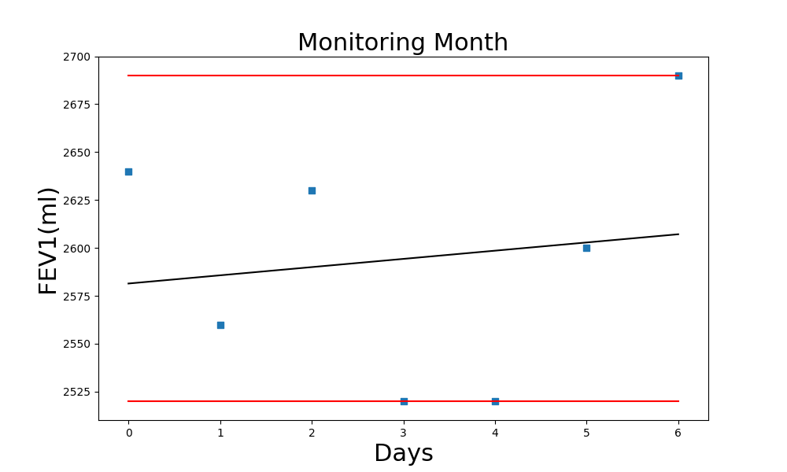

 |  |  |  |  |  |  |  | Slope | R | R-square | Count | P-value

 |  |  |  |  |  |  |  | 4.2857142857 | 0.14408763193 | 0.020761245675 | 7 | 0.75792052364

PTN | FEV11 | FEV12 | FEV13 | FEV14 | FEV15 | FEV16 | FEV1MAX | MAX | %MAX | Mean | %Mean | FEV1*K | Date | SHS Date | Days | DTx | MonthsPTx | Status
 | 2.58 | 2.64 | 2.61 | 2.51 | 2.48 | 2.6 | 2.64
 | 2.4 | 2.48 | 2.44 | 2.51 | 2.56 | 2.49 | 2.56
 | 2.63 | 2.52 | 2.48 | 2.59 | 2.61 | 2.54 | 2.63
 | 2.42 | 2.48 | 2.52 | 2.5 | 2.47 | 2.43 | 2.52
 | 2.47 | 2.39 | 2.42 | 2.48 | 2.43 | 2.52 | 2.52
 | 2.41 | 2.35 | 2.47 | 2.6 | 2.42 | 2.58 | 2.6
 | 2.69 | 2.47 | 2.58 | 2.6 | 2.59 | 2.61 | 2.69

