Delta Fans
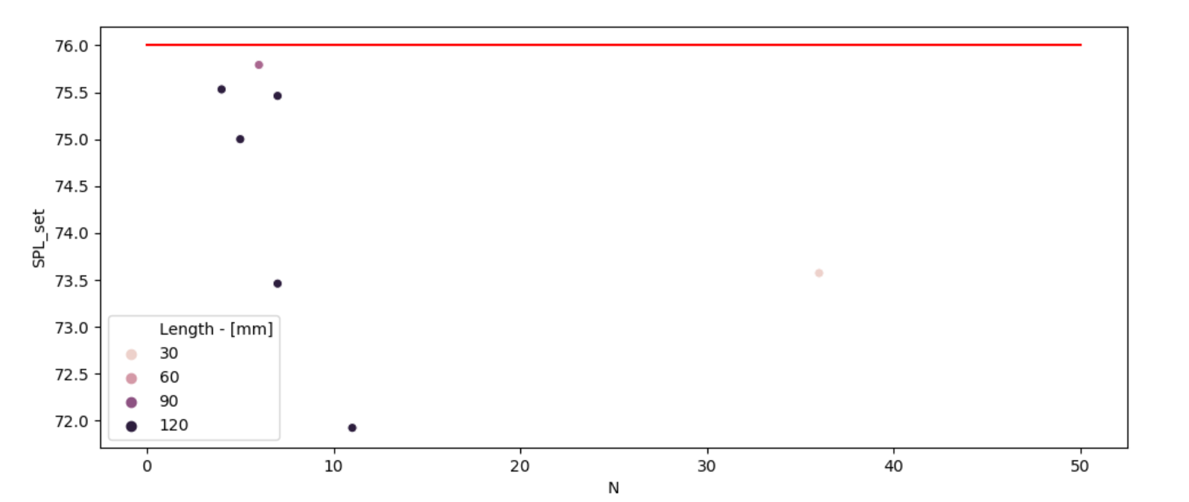
Index | Model | N | Sound Level of solution at PWM=100% - [dB-A] | Length - [mm] | Width - [mm] | Depth - [mm] | Price Digikey - [€]
2 | PFB0824DHEYDG | 6 | 75.79181246 | 80 | 80 | 38 | 20.995
22 | PFC1224DE-F00 | 4 | 75.53089987 | 120 | 120 | 38 | 28.327
24 | QFR1224GHE-SP01 | 7 | 75.461280357 | 120 | 120 | 38 | 24.165 | 5
27 | THB1224B-PM00 | 5 | 75 | 120 | 120 | 25.4 | 36.868
152 | AFB1224EHE-EP | 11 | 71.924226808 | 120 | 120 | 38 | 37.675
154 | AFB1224GHEYNU | 7 | 73.461280357 | 120 | 120 | 38 | 22.05

 |  |  | 360

 |  | Filas | W
 |  | 1 | 344

Sunon Fans
 | Sunon Fans |  | Working Point: Static Pressure
67.96044 | 159.47136 | 0 | 145
67.96044 | 159.47136 | 1000 | 145
67.96044 | 159.47136
61.164396 | 134.55396
61.164396 | 134.55396
61.164396 | 134.55396
53.5188465 | 104.65308
53.5188465 | 104.65308
53.5188465 | 104.65308
49.271319 | 89.70264
49.271319 | 89.70264
49.271319 | 89.70264
101.94066 | 102.16134
101.94066 | 102.16134
101.94066 | 102.16134
101.94066 | 102.16134
101.94066 | 102.16134
101.94066 | 102.16134
96.843627 | 87.2109
96.843627 | 87.2109
96.843627 | 87.2109
96.843627 | 87.2109
96.843627 | 87.2109
96.843627 | 87.2109
127.425825 | 87.2109
127.425825 | 87.2109
127.425825 | 87.2109
90.047583 | 74.7522
90.047583 | 74.7522
90.047583 | 74.7522
90.047583 | 74.7522
90.047583 | 74.7522
90.047583 | 74.7522
118.93077 | 74.7522
118.93077 | 74.7522
118.93077 | 74.7522
110.435715 | 62.2935
110.435715 | 62.2935
110.435715 | 62.2935
101.94066 | 102.16134
101.94066 | 102.16134
101.94066 | 102.16134
101.94066 | 102.16134
101.94066 | 102.16134
101.94066 | 102.16134
96.843627 | 87.2109
96.843627 | 87.2109
96.843627 | 87.2109
96.843627 | 87.2109
96.843627 | 87.2109
...
Model | P/N | Size | Bearing B/V/S | Nominal Voltage - [V] | Power Current - [mA] | Power Consumption - [W] | Rotational Speed - [rpm] | Flowrate - [m^3/h] | Static Pressure - [Pa] | Sound Level - [db-A] | Type | Signal
PE60252BX-0000-A99 |  | 60X60X25 | B | 24 | 190 | 4.56 | 7600 | 67.96044 | 159.47136 | 46
PE60252BX-0000-F99 |  | 60X60X25 | B | 24 | 190 | 4.56 | 7600 | 67.96044 | 159.47136 | 46 |  | RD
PE60252BX-0000-G99 |  | 60X60X25 | B | 24 | 190 | 4.56 | 7600 | 67.96044 | 159.47136 | 46 |  | FG
PE60252B1-0000-A99 |  | 60X60X25 | B | 24 | 155 | 3.72 | 6900 | 61.164396 | 134.55396 | 44
PE60252B1-0000-F99 |  | 60X60X25 | B | 24 | 155 | 3.72 | 6900 | 61.164396 | 134.55396 | 44 |  | RD
PE60252B1-0000-G99 |  | 60X60X25 | B | 24 | 155 | 3.72 | 6900 | 61.164396 | 134.55396 | 44 |  | FG
PE60252B2-0000-A99 |  | 60X60X25 | B | 24 | 121 | 2.91 | 6100 | 53.5188465 | 104.65308 | 42
PE60252B2-0000-F99 |  | 60X60X25 | B | 24 | 121 | 2.91 | 6100 | 53.5188465 | 104.65308 | 42 |  | RD
PE60252B2-0000-G99 |  | 60X60X25 | B | 24 | 121 | 2.91 | 6100 | 53.5188465 | 104.65308 | 42 |  | FG
PE60252B3-0000-A99 |  | 60X60X25 | B | 24 | 104 | 2.5 | 5600 | 49.271319 | 89.70264 | 38
PE60252B3-0000-F99 |  | 60X60X25 | B | 24 | 104 | 2.5 | 5600 | 49.271319 | 89.70264 | 38 |  | RD
PE60252B3-0000-G99 |  | 60X60X25 | B | 24 | 104 | 2.5 | 5600 | 49.271319 | 89.70264 | 38 |  | FG
PF80252V1-10000-A99 |  | 80X80X25 | V | 24 | 180 | 4.32 | 4800 | 101.94066 | 102.16134 | 44.7
 | Sunon Fans |  | Working Point: Static Pressure
67.96044 | 159.47136 | 0 | 145
67.96044 | 159.47136 | 1000 | 145
67.96044 | 159.47136
61.164396 | 134.55396
61.164396 | 134.55396
61.164396 | 134.55396
53.5188465 | 104.65308
53.5188465 | 104.65308
53.5188465 | 104.65308
49.271319 | 89.70264
49.271319 | 89.70264
49.271319 | 89.70264
101.94066 | 102.16134
101.94066 | 102.16134
101.94066 | 102.16134
101.94066 | 102.16134
101.94066 | 102.16134
101.94066 | 102.16134
96.843627 | 87.2109
96.843627 | 87.2109
96.843627 | 87.2109
96.843627 | 87.2109
96.843627 | 87.2109
96.843627 | 87.2109
127.425825 | 87.2109
127.425825 | 87.2109
127.425825 | 87.2109
90.047583 | 74.7522
90.047583 | 74.7522
90.047583 | 74.7522
90.047583 | 74.7522
90.047583 | 74.7522
90.047583 | 74.7522
118.93077 | 74.7522
118.93077 | 74.7522
118.93077 | 74.7522
110.435715 | 62.2935
110.435715 | 62.2935
110.435715 | 62.2935
101.94066 | 102.16134
101.94066 | 102.16134
101.94066 | 102.16134
101.94066 | 102.16134
101.94066 | 102.16134
101.94066 | 102.16134
96.843627 | 87.2109
96.843627 | 87.2109
96.843627 | 87.2109
96.843627 | 87.2109
96.843627 | 87.2109
...
PF80252V1-10000-F99 |  | 80X80X25 | V | 24 | 180 | 4.32 | 4800 | 101.94066 | 102.16134 | 44.7 |  | RD
PF80252V1-10000-G99 |  | 80X80X25 | V | 24 | 180 | 4.32 | 4800 | 101.94066 | 102.16134 | 44.7 |  | FG
PF80252V1-10000-H99 |  | 80X80X25 | V | 24 | 180 | 4.32 | 4800 | 101.94066 | 102.16134 | 44.7 |  | PWM
PF80252V1-10000-Q99 |  | 80X80X25 | V | 24 | 180 | 4.32 | 4800 | 101.94066 | 102.16134 | 44.7 |  | PWM
PF80252V1-10000-S99 |  | 80X80X25 | V | 24 | 180 | 4.32 | 4800 | 101.94066 | 102.16134 | 44.7 |  | PWM
PF80252V2-10000-A99 |  | 80X80X25 | V | 24 | 126 | 3.03 | 4500 | 96.843627 | 87.2109 | 43.1
PF80252V2-10000-F99 |  | 80X80X25 | V | 24 | 126 | 3.03 | 4500 | 96.843627 | 87.2109 | 43.1 |  | RD
PF80252V2-10000-G99 |  | 80X80X25 | V | 24 | 126 | 3.03 | 4500 | 96.843627 | 87.2109 | 43.1 |  | FG
PF80252V2-10000-H99 |  | 80X80X25 | V | 24 | 126 | 3.03 | 4500 | 96.843627 | 87.2109 | 43.1 |  | PWM
PF80252V2-10000-Q99 |  | 80X80X25 | V | 24 | 126 | 3.03 | 4500 | 96.843627 | 87.2109 | 43.1 |  | PWM
PF80252V2-10000-S99 |  | 80X80X25 | V | 24 | 126 | 3.03 | 4500 | 96.843627 | 87.2109 | 43.1 |  | PWM
PF92252V1-10000-A99 |  | 92X92X25 | V | 24 | 210 | 5.04 | 4500 | 127.425825 | 87.2109 | 45.5
PF92252V1-10000-F99 |  | 92X92X25 | V | 24 | 210 | 5.04 | 4500 | 127.425825 | 87.2109 | 45.5 |  | RD
PF92252V1-10000-G99 |  | 92X92X25 | V | 24 | 210 | 5.04 | 4500 | 127.425825 | 87.2109 | 45.5 |  | FG
PF80252V3-10000-A99 |  | 80X80X25 | V | 24 | 110 | 2.64 | 4200 | 90.047583 | 74.7522 | 41.5
PF80252V3-10000-F99 |  | 80X80X25 | V | 24 | 110 | 2.64 | 4200 | 90.047583 | 74.7522 | 41.5 |  | RD | Model | N
PF80252V3-10000-G99 |  | 80X80X25 | V | 24 | 110 | 2.64 | 4200 | 90.047583 | 74.7522 | 41.5 |  | FG | PMD2406PMB1-A | 22
PF80252V3-10000-H99 |  | 80X80X25 | V | 24 | 110 | 2.64 | 4200 | 90.047583 | 74.7522 | 41.5 |  | PWM | PMD2408PMB1-A | 20
PF80252V3-10000-Q99 |  | 80X80X25 | V | 24 | 110 | 2.64 | 4200 | 90.047583 | 74.7522 | 41.5 |  | PWM | PMD2409PMB1-A | 14 | Possibility
PF80252V3-10000-S99 |  | 80X80X25 | V | 24 | 110 | 2.64 | 4200 | 90.047583 | 74.7522 | 41.5 |  | PWM | PMD2412PMB1-A | 20
PF92252V2-10000-A99 |  | 92X92X25 | V | 24 | 145 | 3.48 | 4200 | 118.93077 | 74.7522 | 43.7
PF92252V2-10000-F99 |  | 92X92X25 | V | 24 | 145 | 3.48 | 4200 | 118.93077 | 74.7522 | 43.7 |  | RD
PF92252V2-10000-G99 |  | 92X92X25 | V | 24 | 145 | 3.48 | 4200 | 118.93077 | 74.7522 | 43.7 |  | FG
PF92252V3-10000-A99 |  | 92X92X25 | V | 24 | 126 | 3.03 | 3900 | 110.435715 | 62.2935 | 41.6
PF92252V3-10000-F99 |  | 92X92X25 | V | 24 | 126 | 3.03 | 3900 | 110.435715 | 62.2935 | 41.6 |  | RD
PF92252V3-10000-G99 |  | 92X92X25 | V | 24 | 126 | 3.03 | 3900 | 110.435715 | 62.2935 | 41.6 |  | FG
PF80252B1-10000-A99 |  | 80X80X25 | B | 24 | 155 | 3.72 | 4800 | 101.94066 | 102.16134 | 45.5
PF80252B1-10000-F99 |  | 80X80X25 | B | 24 | 155 | 3.72 | 4800 | 101.94066 | 102.16134 | 45.5 |  | RD
PF80252B1-10000-G99 |  | 80X80X25 | B | 24 | 155 | 3.72 | 4800 | 101.94066 | 102.16134 | 45.5 |  | FG
PF80252B1-10000-H99 |  | 80X80X25 | B | 24 | 155 | 3.72 | 4800 | 101.94066 | 102.16134 | 45.5 |  | PWM
PF80252B1-10000-Q99 |  | 80X80X25 | B | 24 | 155 | 3.72 | 4800 | 101.94066 | 102.16134 | 45.5 |  | PWM
PF80252B1-10000-S99 |  | 80X80X25 | B | 24 | 155 | 3.72 | 4800 | 101.94066 | 102.16134 | 45.5 |  | PWM
PF80252B2-10000-A99 |  | 80X80X25 | B | 24 | 135 | 3.24 | 4500 | 96.843627 | 87.2109 | 44
PF80252B2-10000-F99 |  | 80X80X25 | B | 24 | 135 | 3.24 | 4500 | 96.843627 | 87.2109 | 44 |  | RD
PF80252B2-10000-G99 |  | 80X80X25 | B | 24 | 135 | 3.24 | 4500 | 96.843627 | 87.2109 | 44 |  | FG
PF80252B2-10000-H99 |  | 80X80X25 | B | 24 | 135 | 3.24 | 4500 | 96.843627 | 87.2109 | 44 |  | PWM
PF80252B2-10000-Q99 |  | 80X80X25 | B | 24 | 135 | 3.24 | 4500 | 96.843627 | 87.2109 | 44 |  | PWM
PF80252B2-10000-S99 |  | 80X80X25 | B | 24 | 135 | 3.24 | 4500 | 96.843627 | 87.2109 | 44 |  | PWM
PF92252B1-10000-A99 |  | 92X92X25 | B | 24 | 205 | 4.92 | 4500 | 127.425825 | 87.2109 | 46.1
PF92252B1-10000-F99 |  | 92X92X25 | B | 24 | 205 | 4.92 | 4500 | 127.425825 | 87.2109 | 46.1 |  | RD
PF92252B1-10000-G99 |  | 92X92X25 | B | 24 | 205 | 4.92 | 4500 | 127.425825 | 87.2109 | 46.1 |  | FG
PF92252B1-10000-H99 |  | 92X92X25 | B | 24 | 205 | 4.92 | 4500 | 127.425825 | 87.2109 | 46.1 |  | PWM
PF92252B1-10000-Q99 |  | 92X92X25 | B | 24 | 205 | 4.92 | 4500 | 127.425825 | 87.2109 | 46.1 |  | PWM
PF92252B1-10000-S99 |  | 92X92X25 | B | 24 | 205 | 4.92 | 4500 | 127.425825 | 87.2109 | 46.1 |  | PWM
PF80252B3-10000-A99 |  | 80X80X25 | B | 24 | 100 | 2.4 | 4200 | 90.047583 | 74.7522 | 42.5
PF80252B3-10000-F99 |  | 80X80X25 | B | 24 | 100 | 2.4 | 4200 | 90.047583 | 74.7522 | 42.5 |  | RD
PF80252B3-10000-G99 |  | 80X80X25 | B | 24 | 100 | 2.4 | 4200 | 90.047583 | 74.7522 | 42.5 |  | FG
PF80252B3-10000-H99 |  | 80X80X25 | B | 24 | 100 | 2.4 | 4200 | 90.047583 | 74.7522 | 42.5 |  | PWM
PF80252B3-10000-Q99 |  | 80X80X25 | B | 24 | 100 | 2.4 | 4200 | 90.047583 | 74.7522 | 42.5 |  | PWM
PF80252B3-10000-S99 |  | 80X80X25 | B | 24 | 100 | 2.4 | 4200 | 90.047583 | 74.7522 | 42.5 |  | PWM
PMD2406PTVX-A | U.GN | 60X60X25 | V | 24 | 207 | 5 | 7600 | 67.96044 | 159.47136 | 45
PMD2406PTV1-A | U.GN | 60X60X25 | V | 24 | 181 | 4.3 | 6900 | 61.164396 | 134.55396 | 43
PMD2406PTV2-A | U.GN | 60X60X25 | V | 24 | 131 | 3.1 | 6100 | 53.5188465 | 104.65308 | 41
PMD2406PTV3-A | U.GN | 60X60X25 | V | 24 | 114 | 2.7 | 5600 | 49.271319 | 89.70264 | 37
PMD2407PTV1-A | GN | 70X70X25 | V | 24 | 200 | 4.8 | 5100 | 83.251539 | 89.70264 | 44
PMD2407PTV2-A | GN | 70X70X25 | V | 24 | 160 | 3.8 | 4700 | 76.455495 | 77.24394 | 42
PMD2407PTV3-A | GN | 70X70X25 | V | 24 | 130 | 3.1 | 4200 | 67.96044 | 62.2935 | 38
PMD2406PMB1-A | (2).GN | 60X60X38 | B | 24 | 430 | 10.3 | 8000 | 95.9941215 | 229.24008 | 56
PMD2406PMB2-A | (2).GN | 60X60X38 | B | 24 | 310 | 7.4 | 7000 | 83.5913412 | 176.91354 | 52
PMD2406PMB3-A | (2).GN | 60X60X38 | B | 24 | 220 | 5.3 | 6000 | 70.5089565 | 132.06222 | 47
PMD2408PMB1-A | (2).GN | 80X80X38 | B | 24 | 400 | 9.6 | 5700 | 142.8868251 | 184.38876 | 55.2
PMD2408PMB2-A | (2).GN | 80X80X38 | B | 24 | 300 | 7.2 | 4900 | 126.5763195 | 142.02918 | 51.6
PMD2409PMB1-A | (2).GN | 92X92X38 | B | 24 | 510 | 12.2 | 4900 | 204.2211222 | 176.91354 | 57.6
PMD2409PMB2-A | (2).GN | 92X92X38 | B | 24 | 400 | 9.6 | 4400 | 180.6048693 | 139.53744 | 53.8
PMD2408PMB3-A | (2).GN | 80X80X38 | B | 24 | 200 | 4.8 | 4200 | 101.0911545 | 107.14482 | 47.3
PMD2412PMB1-A | (2).GN | 120X120X38 | B | 24 | 760 | 18.2 | 4200 | 322.81209 | 161.9631 | 54
PMD2409PMB3-A | (2).GN | 92X92X38 | B | 24 | 250 | 6 | 3800 | 155.7993087 | 107.14482 | 50.3
PMD2412PMB2-A | (2).GN | 120X120X38 | B | 24 | 570 | 13.7 | 3800 | 288.83187 | 134.55396 | 51
ME80202V1-0000-A99 |  | 80X80X20 | V | 24 | 64 | 1.54 | 3300 | 61.164396 | 44.85132 | 38
ME80202V1-0000-F99 |  | 80X80X20 | V | 24 | 64 | 1.54 | 3300 | 61.164396 | 44.85132 | 38 |  | RD
ME80202V1-0000-G99 |  | 80X80X20 | V | 24 | 64 | 1.54 | 3300 | 61.164396 | 44.85132 | 38 |  | FG
ME70202V1-0000-A99 |  | 70X70X20 | V | 24 | 66 | 1.59 | 3200 | 49.271319 | 34.88436 | 33
ME70202V1-0000-F99 |  | 70X70X20 | V | 24 | 66 | 1.59 | 3200 | 49.271319 | 34.88436 | 33 |  | RD
ME70202V1-0000-G99 |  | 70X70X20 | V | 24 | 66 | 1.59 | 3200 | 49.271319 | 34.88436 | 33 |  | FG
MEC0252V1-0000-A99 |  | 120X120X25 | V | 24 | 207 | 5 | 3100 | 183.8329902 | 69.76872 | 44.5
MEC0252V1-0000-F99 |  | 120X120X25 | V | 24 | 207 | 5 | 3100 | 183.8329902 | 69.76872 | 44.5 |  | RD
MEC0252V1-0000-G99 |  | 120X120X25 | V | 24 | 207 | 5 | 3100 | 183.8329902 | 69.76872 | 44.5 |  | FG
MEC0382V1-0000-A99 |  | 120X120X38 | V | 24 | 383 | 9.2 | 3100 | 234.463518 | 89.70264 | 48
MEC0382V1-0000-F99 |  | 120X120X38 | V | 24 | 383 | 9.2 | 3100 | 234.463518 | 89.70264 | 48 |  | RD
MEC0382V1-0000-G99 |  | 120X120X38 | V | 24 | 383 | 9.2 | 3100 | 234.463518 | 89.70264 | 48 |  | FG
ME80152V1-0000-A99 |  | 80X80X15 | V | 24 | 92 | 2.21 | 3000 | 62.863407 | 34.88436 | 34.7
ME80152V1-0000-F99 |  | 80X80X15 | V | 24 | 92 | 2.21 | 3000 | 62.863407 | 34.88436 | 34.7 |  | RD
ME80152V1-0000-G99 |  | 80X80X15 | V | 24 | 92 | 2.21 | 3000 | 62.863407 | 34.88436 | 34.7 |  | FG
ME80202V2-0000-A99 |  | 80X80X20 | V | 24 | 51 | 1.23 | 3000 | 56.067363 | 39.86784 | 35
ME80202V2-0000-F99 |  | 80X80X20 | V | 24 | 51 | 1.23 | 3000 | 56.067363 | 39.86784 | 35 |  | RD
ME80202V2-0000-G99 |  | 80X80X20 | V | 24 | 51 | 1.23 | 3000 | 56.067363 | 39.86784 | 35 |  | FG
ME70202V2-0000-A99 |  | 70X70X20 | V | 24 | 55 | 1.32 | 2900 | 45.873297 | 29.90088 | 30
ME70202V2-0000-F99 |  | 70X70X20 | V | 24 | 55 | 1.32 | 2900 | 45.873297 | 29.90088 | 30 |  | RD
ME70202V2-0000-G99 |  | 70X70X20 | V | 24 | 55 | 1.32 | 2900 | 45.873297 | 29.90088 | 30 |  | FG
ME80152V2-0000-A99 |  | 80X80X15 | V | 24 | 65 | 1.56 | 2700 | 57.0867696 | 27.40914 | 32
ME80152V2-0000-F99 |  | 80X80X15 | V | 24 | 65 | 1.56 | 2700 | 57.0867696 | 27.40914 | 32 |  | RD
ME80152V2-0000-G99 |  | 80X80X15 | V | 24 | 65 | 1.56 | 2700 | 57.0867696 | 27.40914 | 32 |  | FG
MEC0252V2-0000-A99 |  | 120X120X25 | V | 24 | 146 | 3.5 | 2700 | 158.008023 | 54.81828 | 40.5
MEC0252V2-0000-F99 |  | 120X120X25 | V | 24 | 146 | 3.5 | 2700 | 158.008023 | 54.81828 | 40.5 |  | RD
MEC0252V2-0000-G99 |  | 120X120X25 | V | 24 | 146 | 3.5 | 2700 | 158.008023 | 54.81828 | 40.5 |  | FG
ME70202V3-0000-A99 |  | 70X70X20 | V | 24 | 44 | 1.06 | 2600 | 39.9267585 | 22.42566 | 26
ME70202V3-0000-F99 |  | 70X70X20 | V | 24 | 44 | 1.06 | 2600 | 39.9267585 | 22.42566 | 26 |  | RD
ME70202V3-0000-G99 |  | 70X70X20 | V | 24 | 44 | 1.06 | 2600 | 39.9267585 | 22.42566 | 26 |  | FG
ME80202V3-0000-A99 |  | 80X80X20 | V | 24 | 42 | 1.01 | 2600 | 49.271319 | 29.90088 | 30
ME80202V3-0000-F99 |  | 80X80X20 | V | 24 | 42 | 1.01 | 2600 | 49.271319 | 29.90088 | 30 |  | RD
ME80202V3-0000-G99 |  | 80X80X20 | V | 24 | 42 | 1.01 | 2600 | 49.271319 | 29.90088 | 30 |  | FG
MEC0382V2-0000-A99 |  | 120X120X38 | V | 24 | 224 | 5.4 | 2600 | 197.085276 | 64.78524 | 44
MEC0382V2-0000-F99 |  | 120X120X38 | V | 24 | 224 | 5.4 | 2600 | 197.085276 | 64.78524 | 44 |  | RD
MEC0382V2-0000-G99 |  | 120X120X38 | V | 24 | 224 | 5.4 | 2600 | 197.085276 | 64.78524 | 44 |  | FG
ME80152V3-0000-A99 |  | 80X80X15 | V | 24 | 56 | 1.35 | 2400 | 50.97033 | 22.42566 | 30.8
ME80152V3-0000-F99 |  | 80X80X15 | V | 24 | 56 | 1.35 | 2400 | 50.97033 | 22.42566 | 30.8 |  | RD
ME80152V3-0000-G99 |  | 80X80X15 | V | 24 | 56 | 1.35 | 2400 | 50.97033 | 22.42566 | 30.8 |  | FG
MEC0252V3-0000-A99 |  | 120X120X25 | V | 24 | 84 | 2 | 2200 | 127.425825 | 39.86784 | 34
MEC0252V3-0000-F99 |  | 120X120X25 | V | 24 | 84 | 2 | 2200 | 127.425825 | 39.86784 | 34 |  | RD
MEC0252V3-0000-G99 |  | 120X120X25 | V | 24 | 84 | 2 | 2200 | 127.425825 | 39.86784 | 34 |  | FG
MEC0382V3-0000-A99 |  | 120X120X38 | V | 24 | 130 | 3.1 | 2100 | 158.008023 | 44.85132 | 37
MEC0382V3-0000-F99 |  | 120X120X38 | V | 24 | 130 | 3.1 | 2100 | 158.008023 | 44.85132 | 37 |  | RD
MEC0382V3-0000-G99 |  | 120X120X38 | V | 24 | 130 | 3.1 | 2100 | 158.008023 | 44.85132 | 37 |  | FG
MF40202VX-10000-A99 |  | 40X40X20 | V | 24 | 39 | 0.94 | 8000 | 18.3493188 | 72.26046 | 27.5
MF40202VX-10000-F99 |  | 40X40X20 | V | 24 | 39 | 0.94 | 8000 | 18.3493188 | 72.26046 | 27.5 |  | RD
MF40202VX-10000-G99 |  | 40X40X20 | V | 24 | 39 | 0.94 | 8000 | 18.3493188 | 72.26046 | 27.5 |  | FG
MF50152VX-10000-A99 |  | 50X50X15 | V | 24 | 55 | 1.32 | 7200 | 31.6016046 | 77.24394 | 38.1
MF50152VX-10000-F99 |  | 50X50X15 | V | 24 | 55 | 1.32 | 7200 | 31.6016046 | 77.24394 | 38.1 |  | RD
MF50152VX-10000-G99 |  | 50X50X15 | V | 24 | 55 | 1.32 | 7200 | 31.6016046 | 77.24394 | 38.1 |  | FG
MF40202V1-10000-A99 |  | 40X40X20 | V | 24 | 32 | 0.77 | 7000 | 15.1211979 | 54.81828 | 25.5
MF40202V1-10000-F99 |  | 40X40X20 | V | 24 | 32 | 0.77 | 7000 | 15.1211979 | 54.81828 | 25.5 |  | RD
MF40202V1-10000-G99 |  | 40X40X20 | V | 24 | 32 | 0.77 | 7000 | 15.1211979 | 54.81828 | 25.5 |  | FG
MF50152V1-10000-A99 |  | 50X50X15 | V | 24 | 42 | 1.01 | 6100 | 28.883187 | 57.31002 | 33
MF50152V1-10000-F99 |  | 50X50X15 | V | 24 | 42 | 1.01 | 6100 | 28.883187 | 57.31002 | 33 |  | RD
MF50152V1-10000-G99 |  | 50X50X15 | V | 24 | 42 | 1.01 | 6100 | 28.883187 | 57.31002 | 33 |  | FG
MF40202V2-10000-A99 |  | 40X40X20 | V | 24 | 25 | 0.6 | 6000 | 13.0823847 | 42.35958 | 21
MF40202V2-10000-F99 |  | 40X40X20 | V | 24 | 25 | 0.6 | 6000 | 13.0823847 | 42.35958 | 21 |  | RD
MF40202V2-10000-G99 |  | 40X40X20 | V | 24 | 25 | 0.6 | 6000 | 13.0823847 | 42.35958 | 21 |  | FG
MF60202VX-10000-A99 |  | 60X60X20 | V | 24 | 75 | 1.8 | 5700 | 43.3247805 | 67.27698 | 39
MF60202VX-10000-F99 |  | 60X60X20 | V | 24 | 75 | 1.8 | 5700 | 43.3247805 | 67.27698 | 39 |  | RD
MF60202VX-10000-G99 |  | 60X60X20 | V | 24 | 75 | 1.8 | 5700 | 43.3247805 | 67.27698 | 39 |  | FG
MF60152VX-10000-A99 |  | 60X60X15 | V | 24 | 85 | 2.04 | 5400 | 51.6499344 | 54.81828 | 36.2
MF60152VX-10000-F99 |  | 60X60X15 | V | 24 | 85 | 2.04 | 5400 | 51.6499344 | 54.81828 | 36.2 |  | RD
MF60152VX-10000-G99 |  | 60X60X15 | V | 24 | 85 | 2.04 | 5400 | 51.6499344 | 54.81828 | 36.2 |  | FG
MF60252VX-10000-A99 |  | 60X60X25 | V | 24 | 80 | 1.92 | 5200 | 45.873297 | 77.24394 | 31.2
MF60252VX-10000-F99 |  | 60X60X25 | V | 24 | 80 | 1.92 | 5200 | 45.873297 | 77.24394 | 31.2 |  | RD
MF60252VX-10000-G99 |  | 60X60X25 | V | 24 | 80 | 1.92 | 5200 | 45.873297 | 77.24394 | 31.2 |  | FG
MF50152V2-10000-A99 |  | 50X50X15 | V | 24 | 27 | 0.65 | 5000 | 22.087143 | 42.35958 | 29
MF50152V2-10000-F99 |  | 50X50X15 | V | 24 | 27 | 0.65 | 5000 | 22.087143 | 42.35958 | 29 |  | RD
MF50152V2-10000-G99 |  | 50X50X15 | V | 24 | 27 | 0.65 | 5000 | 22.087143 | 42.35958 | 29 |  | FG
MF60202V1-10000-A99 |  | 60X60X20 | V | 24 | 55 | 1.32 | 5000 | 39.077253 | 52.32654 | 33.5
MF60202V1-10000-F99 |  | 60X60X20 | V | 24 | 55 | 1.32 | 5000 | 39.077253 | 52.32654 | 33.5 |  | RD
MF60202V1-10000-G99 |  | 60X60X20 | V | 24 | 55 | 1.32 | 5000 | 39.077253 | 52.32654 | 33.5 |  | FG
MF60152V1-10000-A99 |  | 60X60X15 | V | 24 | 75 | 1.8 | 4700 | 44.8538904 | 44.85132 | 34.2
MF60152V1-10000-F99 |  | 60X60X15 | V | 24 | 75 | 1.8 | 4700 | 44.8538904 | 44.85132 | 34.2 |  | RD
MF60152V1-10000-G99 |  | 60X60X15 | V | 24 | 75 | 1.8 | 4700 | 44.8538904 | 44.85132 | 34.2 |  | FG
MF60252V1-10000-A99 |  | 60X60X25 | V | 24 | 50 | 1.2 | 4500 | 39.9267585 | 52.32654 | 27
MF60252V1-10000-F99 |  | 60X60X25 | V | 24 | 50 | 1.2 | 4500 | 39.9267585 | 52.32654 | 27 |  | RD
MF60252V1-10000-G99 |  | 60X60X25 | V | 24 | 50 | 1.2 | 4500 | 39.9267585 | 52.32654 | 27 |  | FG
MF60202V2-10000-A99 |  | 60X60X20 | V | 24 | 35 | 0.84 | 4200 | 32.281209 | 39.86784 | 28
MF60202V2-10000-F99 |  | 60X60X20 | V | 24 | 35 | 0.84 | 4200 | 32.281209 | 39.86784 | 28 |  | RD
MF60202V2-10000-G99 |  | 60X60X20 | V | 24 | 35 | 0.84 | 4200 | 32.281209 | 39.86784 | 28 |  | FG
MF60152V2-10000-A99 |  | 60X60X15 | V | 24 | 40 | 0.96 | 3900 | 38.7374508 | 34.88436 | 29.2
MF60152V2-10000-F99 |  | 60X60X15 | V | 24 | 40 | 0.96 | 3900 | 38.7374508 | 34.88436 | 29.2 |  | RD
MF60152V2-10000-G99 |  | 60X60X15 | V | 24 | 40 | 0.96 | 3900 | 38.7374508 | 34.88436 | 29.2 |  | FG
MF60252V2-10000-A99 |  | 60X60X25 | V | 24 | 30 | 0.72 | 3800 | 32.7909123 | 37.3761 | 22
MF60252V2-10000-F99 |  | 60X60X25 | V | 24 | 30 | 0.72 | 3800 | 32.7909123 | 37.3761 | 22 |  | RD
MF60252V2-10000-G99 |  | 60X60X25 | V | 24 | 30 | 0.72 | 3800 | 32.7909123 | 37.3761 | 22 |  | FG
MF80252V1-10000-A99 |  | 80X80X25 | V | 24 | 65 | 1.56 | 3200 | 69.659451 | 44.85132 | 33
MF80252V1-10000-F99 |  | 80X80X25 | V | 24 | 65 | 1.56 | 3200 | 69.659451 | 44.85132 | 33 |  | RD
MF80252V1-10000-G99 |  | 80X80X25 | V | 24 | 65 | 1.56 | 3200 | 69.659451 | 44.85132 | 33 |  | FG
MF60202V3-10000-A99 |  | 60X60X20 | V | 24 | 22 | 0.53 | 3100 | 28.0336815 | 24.9174 | 21
MF60202V3-10000-F99 |  | 60X60X20 | V | 24 | 22 | 0.53 | 3100 | 28.0336815 | 24.9174 | 21 |  | RD
MF60202V3-10000-G99 |  | 60X60X20 | V | 24 | 22 | 0.53 | 3100 | 28.0336815 | 24.9174 | 21 |  | FG
MF60252V3-10000-A99 |  | 60X60X25 | V | 24 | 22 | 0.53 | 3100 | 27.184176 | 24.9174 | 16.7
MF60252V3-10000-F99 |  | 60X60X25 | V | 24 | 22 | 0.53 | 3100 | 27.184176 | 24.9174 | 16.7 |  | RD
MF60252V3-10000-G99 |  | 60X60X25 | V | 24 | 22 | 0.53 | 3100 | 27.184176 | 24.9174 | 16.7 |  | FG
MF92252V1-10000-A99 |  | 92X92X25 | V | 24 | 75 | 1.8 | 3000 | 87.4990665 | 37.3761 | 34
MF92252V1-10000-F99 |  | 92X92X25 | V | 24 | 75 | 1.8 | 3000 | 87.4990665 | 37.3761 | 34 |  | RD
MF92252V1-10000-G99 |  | 92X92X25 | V | 24 | 75 | 1.8 | 3000 | 87.4990665 | 37.3761 | 34 |  | FG
MF80252V2-10000-A99 |  | 80X80X25 | V | 24 | 50 | 1.2 | 2900 | 62.863407 | 37.3761 | 30
MF80252V2-10000-F99 |  | 80X80X25 | V | 24 | 50 | 1.2 | 2900 | 62.863407 | 37.3761 | 30 |  | RD
MF80252V2-10000-G99 |  | 80X80X25 | V | 24 | 50 | 1.2 | 2900 | 62.863407 | 37.3761 | 30 |  | FG
MF92252V2-10000-A99 |  | 92X92X25 | V | 24 | 55 | 1.32 | 2700 | 76.455495 | 32.39262 | 32
MF92252V2-10000-F99 |  | 92X92X25 | V | 24 | 55 | 1.32 | 2700 | 76.455495 | 32.39262 | 32 |  | RD
MF92252V2-10000-G99 |  | 92X92X25 | V | 24 | 55 | 1.32 | 2700 | 76.455495 | 32.39262 | 32 |  | FG
MF80252V3-10000-A99 |  | 80X80X25 | V | 24 | 40 | 0.96 | 2600 | 56.067363 | 27.40914 | 28
MF80252V3-10000-F99 |  | 80X80X25 | V | 24 | 40 | 0.96 | 2600 | 56.067363 | 27.40914 | 28 |  | RD
MF80252V3-10000-G99 |  | 80X80X25 | V | 24 | 40 | 0.96 | 2600 | 56.067363 | 27.40914 | 28 |  | FG
MF92252V3-10000-A99 |  | 92X92X25 | V | 24 | 42 | 1.01 | 2400 | 67.1109345 | 24.9174 | 28
EF60202B1-0000-A99 |  | 60X60X20 | B | 24 | 60 | 1.44 | 4500 | 39.077253 | 44.85132 | 34.5
EF60202B1-0000-F99 |  | 60X60X20 | B | 24 | 60 | 1.44 | 4500 | 39.077253 | 44.85132 | 34.5 |  | RD
EF60202B1-0000-G99 |  | 60X60X20 | B | 24 | 60 | 1.44 | 4500 | 39.077253 | 44.85132 | 34.5 |  | FG
EF60202B2-0000-A99 |  | 60X60X20 | B | 24 | 38 | 0.92 | 3700 | 32.281209 | 34.88436 | 29
EF60202B2-0000-F99 |  | 60X60X20 | B | 24 | 38 | 0.92 | 3700 | 32.281209 | 34.88436 | 29 |  | RD
EF60202B2-0000-G99 |  | 60X60X20 | B | 24 | 38 | 0.92 | 3700 | 32.281209 | 34.88436 | 29 |  | FG
EF80252B1-10000-A99 |  | 80X80X25 | B | 24 | 65 | 1.56 | 3200 | 69.659451 | 44.85132 | 33
EF80252B1-10000-F99 |  | 80X80X25 | B | 24 | 65 | 1.56 | 3200 | 69.659451 | 44.85132 | 33 |  | RD
EF80252B1-10000-G99 |  | 80X80X25 | B | 24 | 65 | 1.56 | 3200 | 69.659451 | 44.85132 | 33 |  | FG
EF60202B3-0000-A99 |  | 60X60X20 | B | 24 | 23 | 0.56 | 3000 | 23.9560551 | 22.42566 | 24.5
EF60202B3-0000-F99 |  | 60X60X20 | B | 24 | 23 | 0.56 | 3000 | 23.9560551 | 22.42566 | 24.5 |  | RD
EF60202B3-0000-G99 |  | 60X60X20 | B | 24 | 23 | 0.56 | 3000 | 23.9560551 | 22.42566 | 24.5 |  | FG
EF80252B2-10000-A99 |  | 80X80X25 | B | 24 | 48 | 1.16 | 2900 | 62.863407 | 37.3761 | 30
EF80252B2-10000-F99 |  | 80X80X25 | B | 24 | 48 | 1.16 | 2900 | 62.863407 | 37.3761 | 30 |  | RD
EF80252B2-10000-G99 |  | 80X80X25 | B | 24 | 48 | 1.16 | 2900 | 62.863407 | 37.3761 | 30 |  | FG
EF80252B3-10000-A99 |  | 80X80X25 | B | 24 | 36 | 0.89 | 2600 | 56.067363 | 27.40914 | 28
EF80252B3-10000-F99 |  | 80X80X25 | B | 24 | 36 | 0.89 | 2600 | 56.067363 | 27.40914 | 28 |  | RD
EF80252B3-10000-G99 |  | 80X80X25 | B | 24 | 36 | 0.89 | 2600 | 56.067363 | 27.40914 | 28 |  | FG
EF60252S1-10000-A99 |  | 60X60X25 | S | 24 | 50 | 1.2 | 4500 | 39.9267585 | 52.32654 | 27
EF60252S1-10000-G99 |  | 60X60X25 | S | 24 | 50 | 1.2 | 4500 | 39.9267585 | 52.32654 | 27 |  | FG
EF80252S1-10000-A99 |  | 80X80X25 | S | 24 | 55 | 1.32 | 3200 | 69.659451 | 44.85132 | 33
EF80252S1-10000-G99 |  | 80X80X25 | S | 24 | 55 | 1.32 | 3200 | 69.659451 | 44.85132 | 33 |  | FG
EF92252S1-10000-A99 |  | 92X92X25 | S | 24 | 60 | 1.44 | 3000 | 87.4990665 | 37.3761 | 34
EF92252S1-10000-G99 |  | 92X92X25 | S | 24 | 60 | 1.44 | 3000 | 87.4990665 | 37.3761 | 34 |  | FG
EF80252S2-10000-A99 |  | 80X80X25 | S | 24 | 42 | 1.01 | 2900 | 62.863407 | 37.3761 | 30
EF80252S2-10000-G99 |  | 80X80X25 | S | 24 | 42 | 1.01 | 2900 | 62.863407 | 37.3761 | 30 |  | FG
EE60252B1-0000-A99 |  | 60X60X25 | B | 24 | 70 | 1.68 | 4500 | 39.9267585 | 52.32654 | 34.5
EE60252B1-0000-F99 |  | 60X60X25 | B | 24 | 70 | 1.68 | 4500 | 39.9267585 | 52.32654 | 34.5 |  | RD
EE60252B1-0000-G99 |  | 60X60X25 | B | 24 | 70 | 1.68 | 4500 | 39.9267585 | 52.32654 | 34.5 |  | FG
EE60252B2-0000-A99 |  | 60X60X25 | B | 24 | 47 | 1.13 | 3800 | 32.7909123 | 37.3761 | 30
EE60252B2-0000-F99 |  | 60X60X25 | B | 24 | 47 | 1.13 | 3800 | 32.7909123 | 37.3761 | 30 |  | RD
EE60252B2-0000-G99 |  | 60X60X25 | B | 24 | 47 | 1.13 | 3800 | 32.7909123 | 37.3761 | 30 |  | FG
EE80252BX-0000-A99 |  | 80X80X25 | B | 24 | 80 | 1.9 | 3600 | 76.455495 | 57.31002 | 38
EE80252BX-0000-F99 |  | 80X80X25 | B | 24 | 80 | 1.9 | 3600 | 76.455495 | 57.31002 | 38 |  | RD
EE80252BX-0000-G99 |  | 80X80X25 | B | 24 | 80 | 1.9 | 3600 | 76.455495 | 57.31002 | 38 |  | FG
EE92252BX-0000-A99 |  | 92X92X25 | B | 24 | 100 | 2.4 | 3400 | 93.445605 | 52.32654 | 37.5
EE92252BX-0000-F99 |  | 92X92X25 | B | 24 | 100 | 2.4 | 3400 | 93.445605 | 52.32654 | 37.5 |  | RD
EE92252BX-0000-G99 |  | 92X92X25 | B | 24 | 100 | 2.4 | 3400 | 93.445605 | 52.32654 | 37.5 |  | FG
EEC0252B1-0000-A99 |  | 120X120X25 | B | 24 | 207 | 5 | 3100 | 183.8329902 | 69.76872 | 44.5
EEC0252B1-0000-F99 |  | 120X120X25 | B | 24 | 207 | 5 | 3100 | 183.8329902 | 69.76872 | 44.5 |  | RD
EEC0252B1-0000-G99 |  | 120X120X25 | B | 24 | 207 | 5 | 3100 | 183.8329902 | 69.76872 | 44.5 |  | FG
EEC0382B1-0000-A99 |  | 120X120X38 | B | 24 | 383 | 9.2 | 3100 | 234.463518 | 89.70264 | 48
EEC0382B1-0000-F99 |  | 120X120X38 | B | 24 | 383 | 9.2 | 3100 | 234.463518 | 89.70264 | 48 |  | RD
EEC0382B1-0000-G99 |  | 120X120X38 | B | 24 | 383 | 9.2 | 3100 | 234.463518 | 89.70264 | 48 |  | FG
EE60252B3-0000-A99 |  | 60X60X25 | B | 24 | 30 | 0.72 | 3000 | 23.6162529 | 19.93392 | 20
EE60252B3-0000-F99 |  | 60X60X25 | B | 24 | 30 | 0.72 | 3000 | 23.6162529 | 19.93392 | 20 |  | RD
EE60252B3-0000-G99 |  | 60X60X25 | B | 24 | 30 | 0.72 | 3000 | 23.6162529 | 19.93392 | 20 |  | FG
EE92252B1-0000-A99 |  | 92X92X25 | B | 24 | 87 | 2.1 | 3000 | 87.4990665 | 37.3761 | 34
EE92252B1-0000-F99 |  | 92X92X25 | B | 24 | 87 | 2.1 | 3000 | 87.4990665 | 37.3761 | 34 |  | RD
EE92252B1-0000-G99 |  | 92X92X25 | B | 24 | 87 | 2.1 | 3000 | 87.4990665 | 37.3761 | 34 |  | FG
EE92252B2-0000-999 |  | 92X92X25 | B | 24 | 70 | 1.7 | 2700 | 76.455495 | 32.39262 | 32
EE92252B2-0000-F99 |  | 92X92X25 | B | 24 | 70 | 1.7 | 2700 | 76.455495 | 32.39262 | 32 |  | RD
EE92252B2-0000-G99 |  | 92X92X25 | B | 24 | 70 | 1.7 | 2700 | 76.455495 | 32.39262 | 32 |  | FG
EEC0252B2-0000-A99 |  | 120X120X25 | B | 24 | 146 | 3.5 | 2700 | 158.008023 | 54.81828 | 40.5
EEC0252B2-0000-F99 |  | 120X120X25 | B | 24 | 146 | 3.5 | 2700 | 158.008023 | 54.81828 | 40.5 |  | RD
EEC0252B2-0000-G99 |  | 120X120X25 | B | 24 | 146 | 3.5 | 2700 | 158.008023 | 54.81828 | 40.5 |  | FG
EEC0382B2-0000-A99 |  | 120X120X38 | B | 24 | 224 | 5.4 | 2600 | 197.085276 | 64.78524 | 44
EEC0382B2-0000-F99 |  | 120X120X38 | B | 24 | 224 | 5.4 | 2600 | 197.085276 | 64.78524 | 44 |  | RD
EEC0382B2-0000-G99 |  | 120X120X38 | B | 24 | 224 | 5.4 | 2600 | 197.085276 | 64.78524 | 44 |  | FG
EE92252B3-0000-999 |  | 92X92X25 | B | 24 | 57 | 1.4 | 2400 | 67.1109345 | 24.9174 | 28
EE92252B3-0000-F99 |  | 92X92X25 | B | 24 | 57 | 1.4 | 2400 | 67.1109345 | 24.9174 | 28 |  | RD
EE92252B3-0000-G99 |  | 92X92X25 | B | 24 | 57 | 1.4 | 2400 | 67.1109345 | 24.9174 | 28 |  | FG
EEC0252B3-0000-A99 |  | 120X120X25 | B | 24 | 84 | 2 | 2200 | 127.425825 | 39.86784 | 34
EEC0252B3-0000-F99 |  | 120X120X25 | B | 24 | 84 | 2 | 2200 | 127.425825 | 39.86784 | 34 |  | RD
EEC0252B3-0000-G99 |  | 120X120X25 | B | 24 | 84 | 2 | 2200 | 127.425825 | 39.86784 | 34 |  | FG
EEC0382B3-0000-A99 |  | 120X120X38 | B | 24 | 130 | 3.1 | 2100 | 158.008023 | 44.85132 | 37
EEC0382B3-0000-F99 |  | 120X120X38 | B | 24 | 130 | 3.1 | 2100 | 158.008023 | 44.85132 | 37 |  | RD
EEC0382B3-0000-G99 |  | 120X120X38 | B | 24 | 130 | 3.1 | 2100 | 158.008023 | 44.85132 | 37 |  | FG
GE92252B1-0000-AC9 |  | 92X92X25 | B | 24 | 393 | 4.72 | 4500 | 127.425825 | 87.2109 | 47 | IP56
GE92252B1-0000-AE9 |  | 92X92X25 | B | 24 | 393 | 4.72 | 4500 | 127.425825 | 87.2109 | 47 | IP68
GE92252B2-0000-AC9 |  | 92X92X25 | B | 24 | 300 | 3.6 | 4200 | 118.93077 | 74.7522 | 45 | IP56
GE92252B2-0000-AE9 |  | 92X92X25 | B | 24 | 300 | 3.6 | 4200 | 118.93077 | 74.7522 | 45 | IP68
GE92252B3-0000-AC9 |  | 92X92X25 | B | 24 | 230 | 2.76 | 3900 | 110.435715 | 62.2935 | 43 | IP56
GE92252B3-0000-AE9 |  | 92X92X25 | B | 24 | 230 | 2.76 | 3900 | 110.435715 | 62.2935 | 43 | IP68
GF80252B5-0000-AC9 |  | 80X80X25 | B | 24 | 73 | 1.76 | 3200 | 69.659451 | 44.85132 | 33 | IP56
GF80252B5-0000-AD9 |  | 80X80X25 | B | 24 | 73 | 1.76 | 3200 | 69.659451 | 44.85132 | 33 | GR487
GF80252B5-0000-AE9 |  | 80X80X25 | B | 24 | 73 | 1.76 | 3200 | 69.659451 | 44.85132 | 33 | IP68
GF92252B5-0000-AC9 |  | 92X92X25 | B | 24 | 87 | 2.09 | 3000 | 87.4990665 | 37.3761 | 34 | IP56
GF92252B5-0000-AD9 |  | 92X92X25 | B | 24 | 87 | 2.09 | 3000 | 87.4990665 | 37.3761 | 34 | GR487
GF92252B5-0000-AE9 |  | 92X92X25 | B | 24 | 87 | 2.09 | 3000 | 87.4990665 | 37.3761 | 34 | IP68
GF80252B6-0000-AC9 |  | 80X80X25 | B | 24 | 59 | 1.42 | 2900 | 62.863407 | 37.3761 | 30 | IP56
GF80252B6-0000-AD9 |  | 80X80X25 | B | 24 | 59 | 1.42 | 2900 | 62.863407 | 37.3761 | 30 | GR487
GF80252B6-0000-AE9 |  | 80X80X25 | B | 24 | 59 | 1.42 | 2900 | 62.863407 | 37.3761 | 30 | IP68
GF92252B6-0000-AC9 |  | 92X92X25 | B | 24 | 65 | 1.56 | 2700 | 76.455495 | 32.39262 | 32 | IP56
GF92252B6-0000-AD9 |  | 92X92X25 | B | 24 | 65 | 1.56 | 2700 | 76.455495 | 32.39262 | 32 | GR487
GF92252B6-0000-AE9 |  | 92X92X25 | B | 24 | 65 | 1.56 | 2700 | 76.455495 | 32.39262 | 32 | IP68
GF80252B7-0000-AC9 |  | 80X80X25 | B | 24 | 45 | 1.08 | 2600 | 56.067363 | 27.40914 | 28 | IP56
GF80252B7-0000-AD9 |  | 80X80X25 | B | 24 | 45 | 1.08 | 2600 | 56.067363 | 27.40914 | 28 | GR487
GF80252B7-0000-AE9 |  | 80X80X25 | B | 24 | 45 | 1.08 | 2600 | 56.067363 | 27.40914 | 28 | IP68
GF92252B7-0000-AC9 |  | 92X92X25 | B | 24 | 47 | 1.13 | 2400 | 67.1109345 | 24.9174 | 28 | IP56
GF92252B7-0000-AD9 |  | 92X92X25 | B | 24 | 47 | 1.13 | 2400 | 67.1109345 | 24.9174 | 28 | GR487
GF92252B7-0000-AE9 |  | 92X92X25 | B | 24 | 47 | 1.13 | 2400 | 67.1109345 | 24.9174 | 28 | IP68
GE80252B1-0000-AC9 |  | 80X80X25 | B | 24 | 200 | 4.8 | 4800 | 101.94066 | 102.16134 | 47.5 | IP56
GE80252B1-0000-AE9 |  | 80X80X25 | B | 24 | 200 | 4.8 | 4800 | 101.94066 | 102.16134 | 47.5 | IP68
GE80252B2-0000-AC9 |  | 80X80X25 | B | 24 | 166 | 3.99 | 4500 | 96.843627 | 87.2109 | 46 | IP56
GE80252B2-0000-AE9 |  | 80X80X25 | B | 24 | 166 | 3.99 | 4500 | 96.843627 | 87.2109 | 46 | IP68
GE80252B3-0000-AC9 |  | 80X80X25 | B | 24 | 137 | 3.29 | 4200 | 90.047583 | 74.7522 | 44.5 | IP56
GE80252B3-0000-AE9 |  | 80X80X25 | B | 24 | 137 | 3.29 | 4200 | 90.047583 | 74.7522 | 44.5 | IP68

Mechatronics
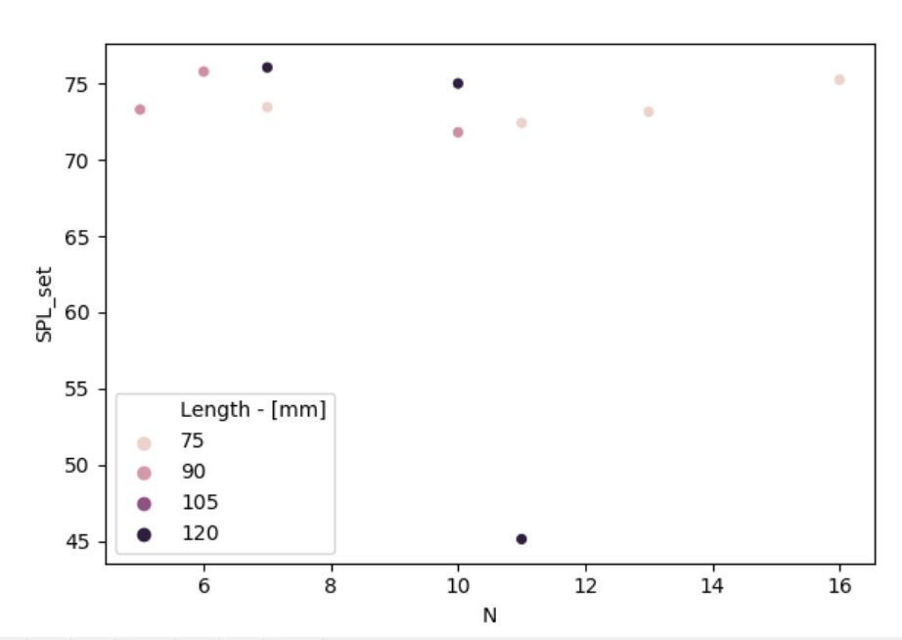

['MS8038M-H' | 'MS8038H-H' | 'MC8038U' | 'MR8038E' | 'MR8038X'
'MS9238H-H' | 'MR9238H' | 'MR9238E' | 'MD1238X' | 'MR1238M' | 'MR1238H']

 |  |  |  |  |  | Model | N | Sound Level of solution at PWM=100% - [dB-A] | Length - [mm] | Width - [mm] | Depth - [mm] | Price Digikey - [€]
 |  |  |  |  |  | MS8038M-H | 13 | 73.14973 | 80 | 80 | 38 | -
 |  |  |  |  |  | MS8038H-H | 7 | 73.46128 | 80 | 80 | 38 | -
 |  |  |  |  |  | MC8038U | 16 | 75.2515 | 80 | 80 | 38 | -
 |  |  |  |  |  | MR8038E | 11 | 72.42423 | 80 | 80 | 38 | -
 |  |  |  |  |  | MR8038X | 6 | 75.79181 | 80 | 80 | 38 | -
 |  |  |  |  |  | MS9238H-H | 6 | 75.79181 | 92 | 92 | 38 | -
 |  |  |  |  |  | MR9238H | 10 | 71.8103 | 92 | 92 | 38 | -
 |  |  |  |  |  | MR9238E | 5 | 73.3 | 92 | 92 | 38 | -
 |  |  |  |  |  | MD1238X | 10 | 75.0103 | 120 | 120 | 38 | -
 |  |  |  |  |  | MR1238M | 11 | 45.12423 | 120 | 120 | 38 | -
 |  |  |  |  |  | MR1238H | 7 | 76.06128 | 120 | 120 | 38 | -

Qualtek
No match

Sanyo
Model | Vdot_min | Psat_min | Vdot_mean | Psat_mean | Vdot_max | Psat_max | N | SPL_set | Supplier | Typology | Length - [mm] | Width - [mm] | Depth - [mm] | Nominal Voltage - [V] | Current Comsumption - [A] | Power Input - [W] | Rotational Speed - [rpm] | Flowrate - [m^3/h] | Static Pressure - [Pa] | Sound Level - [db-A] | Expected life - [h] | Sensor type | IP rating | PWM control function | Ribbed | Price per 100 units (Digikey) - [$] | Array Price | Proportion to current cost |  | N | Price per 100 units (Digikey) - [$] | SPL_set | Array Price
9GA1224P4G001 | 1016.652 | 148.8530931 | 1161.888 | 192.86239903 | 1251.264 | 217.72360347 | 7 | 68.461280357 | Sanyo Denki | Low Power Consumption Fan | 120 | 120 | 25 | 24 | 0.47 | 11.28 | 6400 | 228 | 365 | 57 | 40000/60â„ƒ ï¼ˆ70000/40â„ƒï¼‰ | Pulse sensor |  | Yes | Yes | 36.1292 | 505.8088 | 1.8791355681 |  | 7 | 19.2265 | 76.55 | 269.171 | '9GA1224P4G001' : 7,
9LG1224P1G001 | 1042.6416 | 153.58645093 | 1197.35616 | 203.2938462 | 1284.80352 | 236.28725901 | 4 | 71.03089987 | Sanyo Denki | Long Life Fan | 120 | 120 | 38 | 24 | 1.6 | 38.4 | 6550 | 420 | 370 | 62 | 180000/60â„ƒ ï¼ˆ215000/40â„ƒï¼‰ | Pulse sensor |  | Yes | No | 60.349 | 482.792 | 1.7936256135 |  |  |  |  |  | '9LG1224P1G001' : 4,
9LG0924P1H001 | 1066.044 | 162.91828302 | 1196.58 | 198.9059876 | 1261.848 | 228.94493437 | 6 | 71.79181246 | Sanyo Denki | Long Life Fan | 92 | 92 | 38 | 24 | 0.9 | 21.6 | 9000 | 222 | 430 | 61 | 180000/60â„ƒ ï¼ˆ215000/40â„ƒï¼‰ | Pulse sensor |  | Yes |  | 43.5155 | 522.186 | 1.9399786753 |  |  |  |  |  | '9LG0924P1H001' : 6,
9GA0924P1H01 | 1072.43136 | 163.36001595 | 1167.5664 | 194.48203272 | 1228.10688 | 217.37770383 | 5 | 73 | Sanyo Denki | Low Power Consumption Fan | 92 | 92 | 38 | 24 | 1.1 | 26.4 | 9700 | 240 | 500 | 63 | 40000/60â„ƒ ï¼ˆ70000/40â„ƒï¼‰ | Pulse sensor |  | Yes | Yes | 18.3966 | 183.966 | 0.68345401251 |  |  |  |  |  | '9GA0924P1H01' : 5,
9GV1424P1S001 | 1039.5 | 154.09847614 | 1130.976 | 181.98494542 | 1189.188 | 202.57774242 | 3 | 74.781512504 | Sanyo Denki | DC Fan | 140 | 140 | 38 | 24 | 1.55 | 37.2 | 6650 | 462 | 480 | 67 | 40000/60â„ƒ ï¼ˆ70000/40â„ƒï¼‰ | Pulse sensor |  | Yes | No | 57.8869 | 347.3214 | 1.2903373692 |  |  |  |  |  | '9GV1424P1S001' : 3,
9LG1424P1A001 | 1081.08 | 165.2298667 | 1176.21504 | 194.83337374 | 1236.75552 | 216.67141809 | 3 | 75.781512504 | Sanyo Denki | Long Life Fan | 140 | 140 | 38 | 24 | 1.86 | 44.64 | 6900 | 480 | 516 | 68 | 180000/60â„ƒ ï¼ˆ215000/40â„ƒï¼‰ | Pulse sensor |  | Yes | No | 71.5252 | 429.1512 | 1.5943441158 |  |  |  |  |  | '9LG1424P1A001' : 3,
9GV0824P1G03 | 1053 | 157.30886106 | 1145.664 | 185.77629845 | 1204.632 | 206.79811206 | 6 | 75.79181246 | Sanyo Denki | DC Fan | 80 | 80 | 38 | 24 | 1.6 | 38.4 | 10200 | 234 | 490 | 65 | 40000/60â„ƒ ï¼ˆ70000/40â„ƒï¼‰ | Pulse sensor |  | Yes | Yes | 17.6358 | 211.6296 | 0.78622734247 |  |  |  |  |  | '9GV0824P1G03' : 6,

 |  |  |  |  |  |  |  |  |  |  |  |  |  |  |  |  |  |  |  |  |  |  |  |  |  |  |  |  | Check PWM for 500 / 600
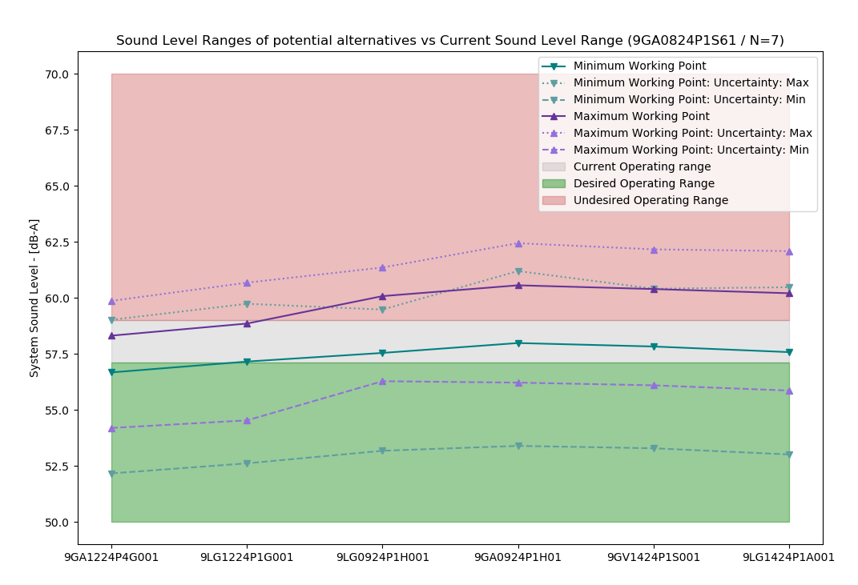
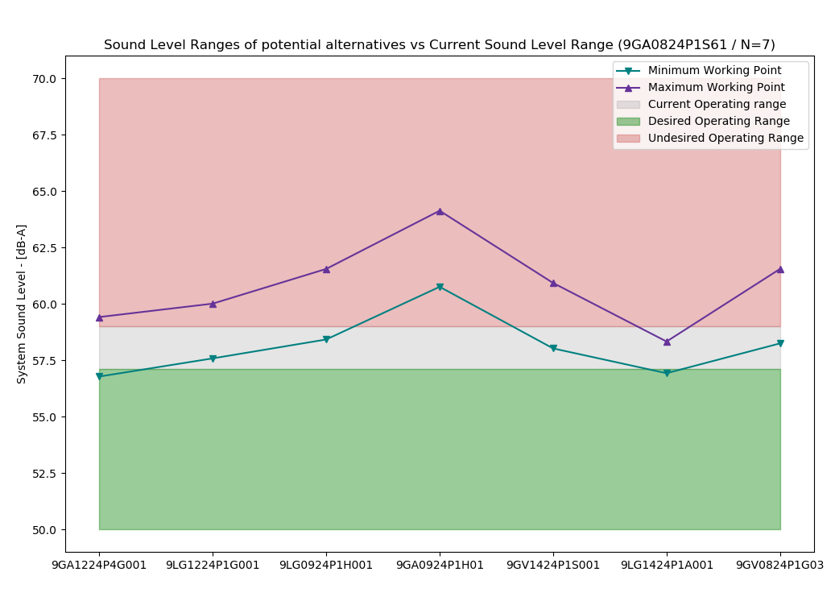

With PWM vs SPL Curves Measured
Model | N | PWM | Vdot | Psat | SPL | Working Point
9GA1224P4G001 | 7 | 35 | 505.24034414 | 34.05611502 | 56.771519774 | Minimum |  | 35 | 48
9LG1224P1G001 | 4 | 33 | 505.475449 | 34.072594299 | 57.577250326 | Minimum |  | 33 | 43
9LG0924P1H001 | 6 | 41 | 503.59461012 | 33.76355953 | 58.41500281 | Minimum |  | 41 | 53
9GA0924P1H01 | 5 | 29 | 505.82810629 | 34.115617856 | 60.749732418 | Minimum |  | 29 | 42
9GV1424P1S001 | 3 | 33 | 506.29831601 | 34.218757147 | 58.019029453 | Minimum |  | 33 | 44
9LG1424P1A001 | 3 | 31 | 501.36111395 | 33.434782595 | 56.919389129 | Minimum |  | 31 | 42
9GV0824P1G03 | 6 | 0 | 501.47866638 | 33.448352278 | 58.241461911 | Minimum |  | 0 | 10
9GA1224P4G001 | 7 | 48 | 604.2194902 | 51.433333933 | 59.409449506 | Maximum
9LG1224P1G001 | 4 | 43 | 600.57536487 | 50.742935557 | 60.003839337 | Maximum
9LG0924P1H001 | 6 | 53 | 606.21788151 | 51.827794733 | 61.543028018 | Maximum
9GA0924P1H01 | 5 | 42 | 603.27907076 | 51.274795544 | 64.122878077 | Maximum
9GV1424P1S001 | 3 | 44 | 601.28067945 | 50.881511604 | 60.91961903 | Maximum
9LG1424P1A001 | 3 | 42 | 603.16151833 | 51.235748662 | 58.324604269 | Maximum
9GV0824P1G03 | 6 | 10 | 600.10515515 | 50.672521369 | 61.542411671 | Maximum

After analysing what would be the Sound Level Working Point, the conclusion is:
"The difference between the alternatives and the current solution is not significant.
The comparison was made by comparing the calculated values for the ventilation based on their RPM vs SPL characteristics (calculated) summing logaritmically the HMI+Powercell value 55.6 [dB]

 |  |  |  |  |  |  |  |  |  |  |  |  |  |  |  |  |  |  |  |  |  |  |  |  |  |  |  |  |  |  |  |  |  |  | x\x\

Concealed Inlet/Outlet N=2

Model | Vdot_min | Psat_min | Vdot_mean | Psat_mean | Vdot_max | Psat_max | N | SPL_set | Supplier | Typology | Length - [mm] | Width - [mm] | Depth - [mm] | Nominal Voltage - [V] | Current Comsumption - [A] | Power Input - [W] | Rotational Speed - [rpm] | Flowrate - [m^3/h] | Static Pressure - [Pa] | Sound Level - [db-A] | Expected life - [h] | Sensor type | IP rating | PWM control function | Ribbed | Price per 100 units (Digikey) - [$] | Array Price | Proportion to current cost
9LG1224P1G001 | 1014.05304 | 181.30943766 | 1210.8096 | 258.7466503 | 1377.29592 | 342.00444075 | 4 | 71.03089987 | Sanyo Denki | Long Life Fan | 120 | 120 | 38 | 24 | 1.6 | 38.4 | 6550 | 420 | 370 | 62 | 180000/60℃ （215000/40℃） | Pulse sensor |  | Yes | No | 60.349 | 482.792 | 1.7936256135 |  | '9LG1224P1G001' : 4,
9LG0924P1H001 | 1022.976 | 185.21837049 | 1193.472 | 256.83496983 | 1307.136 | 299.99800704 | 7 | 72.461280357 | Sanyo Denki | Long Life Fan | 92 | 92 | 38 | 24 | 0.9 | 21.6 | 9000 | 222 | 430 | 61 | 180000/60℃ （215000/40℃） | Pulse sensor |  | Yes |  | 43.5155 | 609.217 | 2.2633084545 |  | '9LG0924P1H001' : 7,
9GA0924P1H01 | 1011.89088 | 183.05152063 | 1124.3232 | 221.97058243 | 1184.86368 | 253.51013641 | 6 | 73.79181246 | Sanyo Denki | Low Power Consumption Fan | 92 | 92 | 38 | 24 | 1.1 | 26.4 | 9700 | 240 | 500 | 63 | 40000/60℃ （70000/40℃） | Pulse sensor |  | Yes | Yes | 18.3966 | 220.7592 | 0.82014481501 |  | '9GA0924P1H01' : 6,
9LG1424P1A001 | 1020.53952 | 186.33772615 | 1128.64752 | 226.33505562 | 1193.51232 | 254.28117284 | 3 | 75.781512504 | Sanyo Denki | Long Life Fan | 140 | 140 | 38 | 24 | 1.86 | 44.64 | 6900 | 480 | 516 | 68 | 180000/60℃ （215000/40℃） | Pulse sensor |  | Yes | No | 71.5252 | 429.1512 | 1.5943441158 |  | '9LG1424P1A001' : 3,
9GV1424P1S001 | 1071.84 | 206.17447561 | 1256.64 | 282.63562712 | 1360.128 | 334.88149624 | 3 | 74.781512504 | Sanyo Denki | DC Fan | 140 | 140 | 38 | 24 | 1.55 | 37.2 | 6650 | 462 | 480 | 67 | 40000/60℃ （70000/40℃） | Pulse sensor |  | Yes | No | 57.8869 | 347.3214 | 1.2903373692 |  | '9GV1424P1S001' : 3,
9GV0824P1G03 | 1054.872 | 198.14719987 | 1203.93 | 253.92378665 | 1284.192 | 292.28648137 | 6 | 75.79181246 | Sanyo Denki | DC Fan | 80 | 80 | 38 | 24 | 1.6 | 38.4 | 10200 | 234 | 490 | 65 | 40000/60℃ （70000/40℃） | Pulse sensor |  | Yes | Yes | 17.6358 | 211.6296 | 0.78622734247 |  | '9GV0824P1G03' : 6,

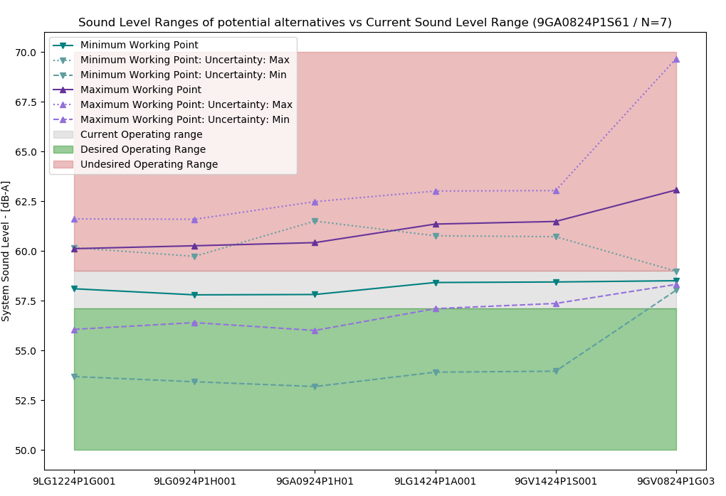
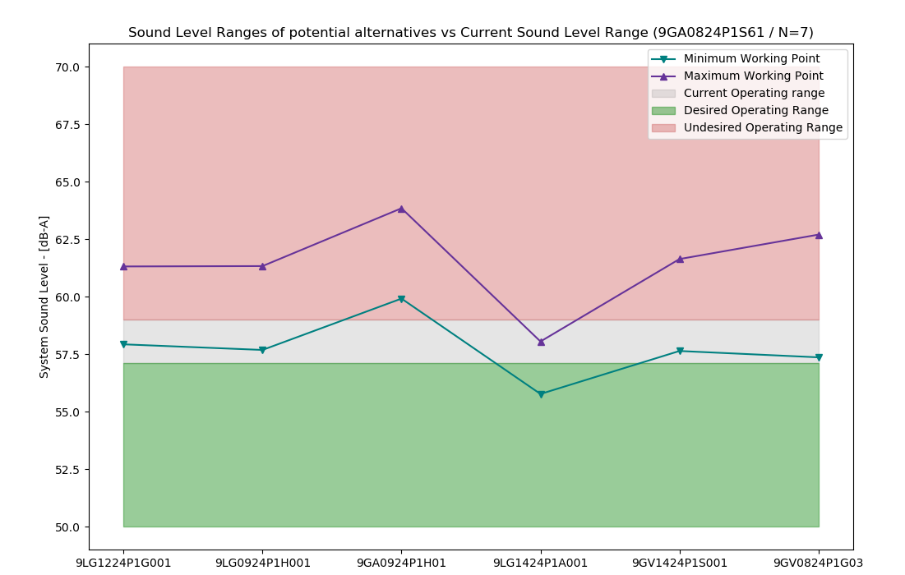
Model | N | PWM | Vdot | Psat | SPL | Working Point
9LG1224P1G001 | 4 | 39 | 507.69211632 | 48.215391589 | 57.92 | Minimum
9LG0924P1H001 | 7 | 41 | 505.2384198 | 47.71566588 | 57.68 | Minimum
With PWM vs SPL Curves Measured
9GA0924P1H01 | 6 | 26 | 500.88868506 | 46.778694009 | 59.91 | Minimum
9LG1424P1A001 | 3 | 35 | 505.68454644 | 47.816310673 | 55.76 | Minimum
9GV1424P1S001 | 3 | 36 | 500.33102676 | 46.651278395 | 57.63 | Minimum
9GV0824P1G03 | 6 | 1 | 514.1609526 | 49.593415939 | 57.36 | Minimum
9LG1224P1G001 | 4 | 49 | 601.37871072 | 67.665651917 | 61.31 | Maximum
9LG0924P1H001 | 7 | 52 | 605.72844546 | 68.598719762 | 61.32 | Maximum
9GA0924P1H01 | 6 | 39 | 607.847547 | 69.007519788 | 63.84 | Maximum
9LG1424P1A001 | 3 | 46 | 606.95529372 | 68.81450341 | 58.05 | Maximum
9GV1424P1S001 | 3 | 48 | 602.8286223 | 67.983496703 | 61.63 | Maximum
9GV0824P1G03 | 6 | 16 | 603.72087558 | 68.186113495 | 62.69 | Maximum

After analysing what would be the Sound Level Working Point, the conclusion is:
"The difference between the alternatives and the current solution is not significant.
The comparison was made by comparing the calculated values for the ventilation based on their RPM vs SPL characteristics (calculated) summing logaritmically the HMI+Powercell value 55.6 [dB]

