Folha1
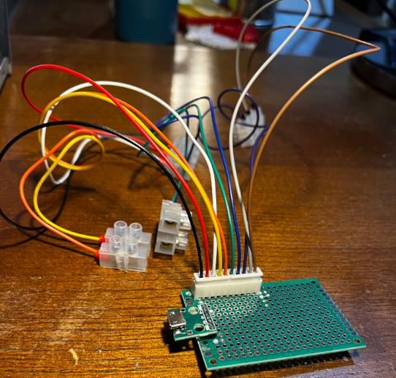
Module | Power Module

ID | Typology | Sub-ID | Color
PWR_1 | GND | 1 | Green
PWR_2 | GND | 2 | Blue
PWR_3 | GND | 3 | Purple
PWR_4 | GND | 4 | Grey
PWR_5 | GND | 5 | Brown
PWR_6 | VCC | 1 | Black
PWR_7 | VCC | 2 | Red
PWR_8 | VCC | 3 | White
PWR_9 | VCC | 4 | Yellow
PWR_10 | VCC | 5 | Orange

