ZJQ9Example
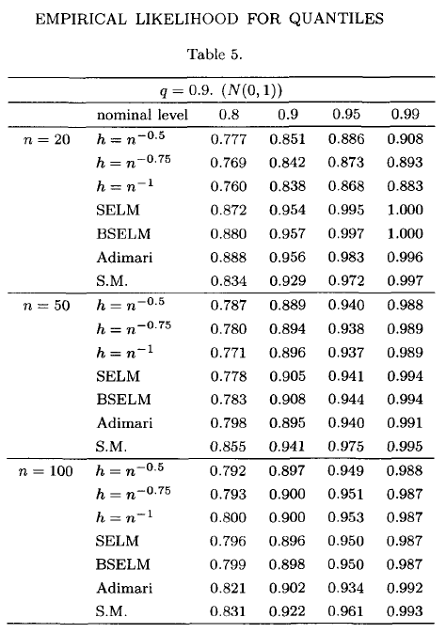
 |  | Ignore NA |  | Subtract NA |  | Delta |  | Zhou Jing |  | Delta1vsZJ |  | Delta2vsZJ
 |  | 0.9 | 0.95 | 0.9 | 0.95 | 0.9 | 0.95 | 0.9 | 0.95 | 0 | 0 | 0 | 0
20 | ZJ | 0.866 | 0.915 | 0.841 | 0.890 | -0.025 | -0.025 | 0.838 | 0.868 | 0.028 | 0.047 | 0.003 | 0.022
 | CH | 0.913 | 0.951 | 0.821 | 0.859 | -0.092 | -0.092 | 0.954 | 0.995 | -0.041 | -0.044 | -0.133 | -0.136
 | BT | 0.915 | 0.953 | 0.823 | 0.861 | -0.092 | -0.092 | 0.957 | 0.997 | -0.042 | -0.044 | -0.134 | -0.136
 | AD | 0.948 | 0.979 | 0.830 | 0.860 | -0.119 | -0.119 | 0.956 | 0.983 | -0.008 | -0.004 | -0.126 | -0.123
 | EL | 0.946 | 0.986 | 0.828 | 0.868 | -0.119 | -0.119 | 0.929 | 0.972 | 0.017 | 0.014 | -0.101 | -0.104
 | AEL | 0.834 | 0.870 | 0.834 | 0.870 | 0.000 | 0.000
50 | ZJ | 0.912 | 0.946 | 0.904 | 0.938 | -0.008 | -0.008 | 0.896 | 0.937 | 0.016 | 0.009 | 0.008 | 0.001
 | CH | 0.912 | 0.945 | 0.908 | 0.942 | -0.003 | -0.003 | 0.905 | 0.941 | 0.007 | 0.004 | 0.003 | 0.001
 | BT | 0.915 | 0.947 | 0.911 | 0.944 | -0.003 | -0.003 | 0.908 | 0.944 | 0.007 | 0.003 | 0.003 | 0.000
 | AD | 0.913 | 0.957 | 0.909 | 0.953 | -0.004 | -0.004 | 0.895 | 0.94 | 0.018 | 0.017 | 0.014 | 0.013
 | EL | 0.913 | 0.947 | 0.909 | 0.943 | -0.004 | -0.004 | 0.941 | 0.975 | -0.028 | -0.028 | -0.032 | -0.032
 | AEL | 0.943 | 0.943 | 0.943 | 0.943 | 0.000 | 0.000
100 | ZJ | 0.903 | 0.954 | 0.898 | 0.949 | -0.005 | -0.005 | 0.9 | 0.953 | 0.003 | 0.001 | -0.002 | -0.004
 | CH | 0.901 | 0.953 | 0.901 | 0.953 | 0.000 | 0.000 | 0.896 | 0.95 | 0.005 | 0.003 | 0.005 | 0.003
 | BT | 0.903 | 0.954 | 0.903 | 0.954 | 0.000 | 0.000 | 0.898 | 0.95 | 0.005 | 0.004 | 0.005 | 0.004
 | AD | 0.904 | 0.952 | 0.904 | 0.952 | 0.000 | 0.000 | 0.902 | 0.934 | 0.002 | 0.018 | 0.002 | 0.018
 | EL | 0.905 | 0.956 | 0.905 | 0.956 | 0.000 | 0.000 | 0.922 | 0.961 | -0.017 | -0.005 | -0.017 | -0.005
 | AEL | 0.905 | 0.956 | 0.905 | 0.956 | 0.000 | 0.000

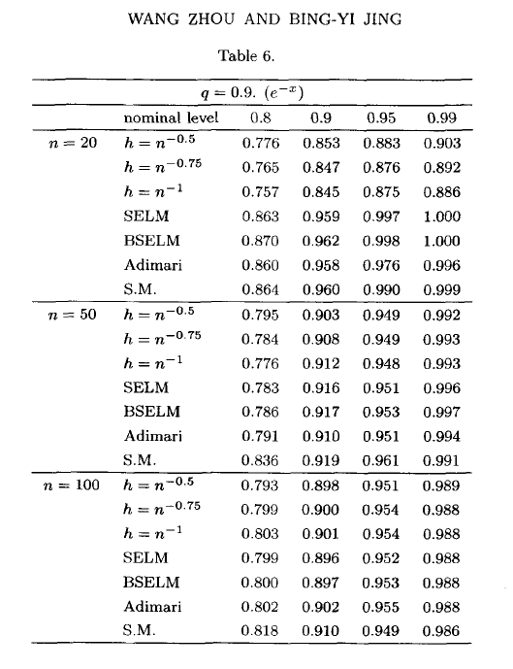
 |  |  | EL | AEL | AD | CH | BT | ZJ | Sign
Coverage probability | 20 | 0.95 | 0.986 | 0.866 | 0.977 | 0.963 | 0.965 | 0.923 | 0.954
 | 20 | 0.9 | 0.948 | 0.832 | 0.950 | 0.926 | 0.928 | 0.876 | 0.954
 | 50 | 0.95 | 0.946 | 0.940 | 0.958 | 0.945 | 0.946 | 0.944 | 0.970
 | 50 | 0.9 | 0.912 | 0.940 | 0.912 | 0.910 | 0.912 | 0.909 | 0.907
 | 100 | 0.95 | 0.960 | 0.960 | 0.956 | 0.958 | 0.958 | 0.958 | 0.960
 | 100 | 0.9 | 0.905 | 0.905 | 0.904 | 0.902 | 0.903 | 0.902 | 0.908
True Coverage | 20 | 0.95 | 0.864 | 0.866 | 0.855 | 0.858 | 0.860 | 0.865 | 0.954
 | 20 | 0.9 | 0.826 | 0.832 | 0.828 | 0.820 | 0.822 | 0.818 | 0.954
 | 50 | 0.95 | 0.940 | 0.940 | 0.953 | 0.940 | 0.942 | 0.929 | 0.970
 | 50 | 0.9 | 0.906 | 0.940 | 0.906 | 0.906 | 0.908 | 0.894 | 0.907
 | 100 | 0.95 | 0.960 | 0.960 | 0.956 | 0.958 | 0.958 | 0.950 | 0.960
 | 100 | 0.9 | 0.905 | 0.905 | 0.904 | 0.902 | 0.903 | 0.894 | 0.908
ZJ | 20 |  | 0.960 |  | 0.958 | 0.845 | 0.959 | 0.962
 | 20 |  | 0.990 |  | 0.976 | 0.875 | 0.997 | 0.998
 | 50 |  | 0.919 |  | 0.910 | 0.912 | 0.916 | 0.917
 | 50 |  | 0.961 |  | 0.951 | 0.948 | 0.951 | 0.953
 | 100 |  | 0.910 |  | 0.902 | 0.901 | 0.896 | 0.897
 | 100 |  | 0.949 |  | 0.955 | 0.954 | 0.952 | 0.953
D1 |  |  | 0.026 |  | 0.019 | 0.118 | 0.006 | -0.039
 |  |  | -0.042 |  | -0.026 | 0.051 | -0.069 | -0.122
 |  |  | 0.027 |  | 0.048 | 0.033 | 0.030 | 0.027
 |  |  | -0.049 |  | -0.039 | -0.038 | -0.039 | -0.044
 |  |  | 0.049 |  | 0.054 | 0.057 | 0.062 | 0.061
 |  |  | -0.044 |  | -0.051 | -0.052 | -0.049 | -0.051
D2 |  |  | -0.096 |  | -0.103 | 0.013 | -0.099 | -0.097
 |  |  | -0.164 |  | -0.148 | -0.055 | -0.175 | -0.180
 |  |  | 0.021 |  | 0.043 | 0.028 | 0.026 | 0.012
 |  |  | -0.055 |  | -0.045 | -0.042 | -0.043 | -0.059
 |  |  | 0.049 |  | 0.054 | 0.057 | 0.062 | 0.053
 |  |  | -0.044 |  | -0.051 | -0.052 | -0.049 | -0.059

