Sheet1


Lot no. from production up to OQC is already corrected.

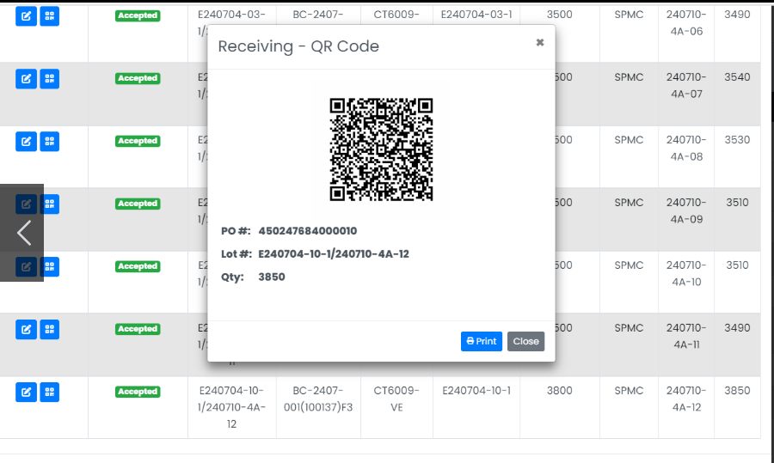

Lot no. from Whse.

