Sheet1
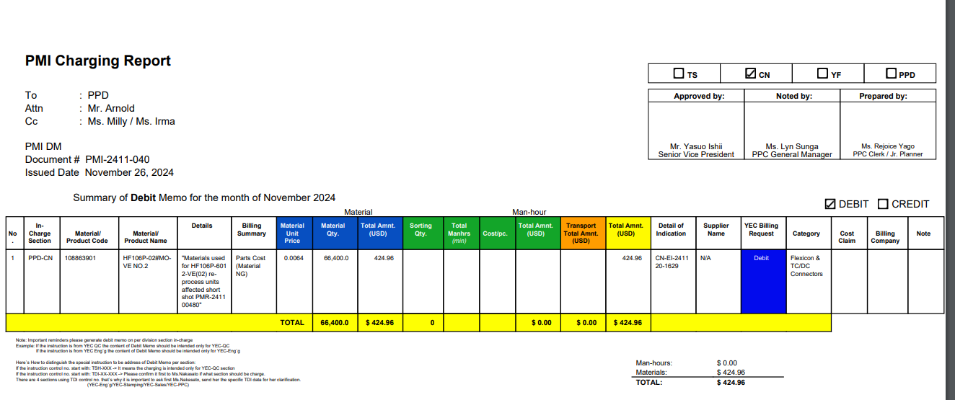

PLEASE ADD FOR SIGNATORIESMa'am Michelled de olino to NOTED bY:

