Instructions
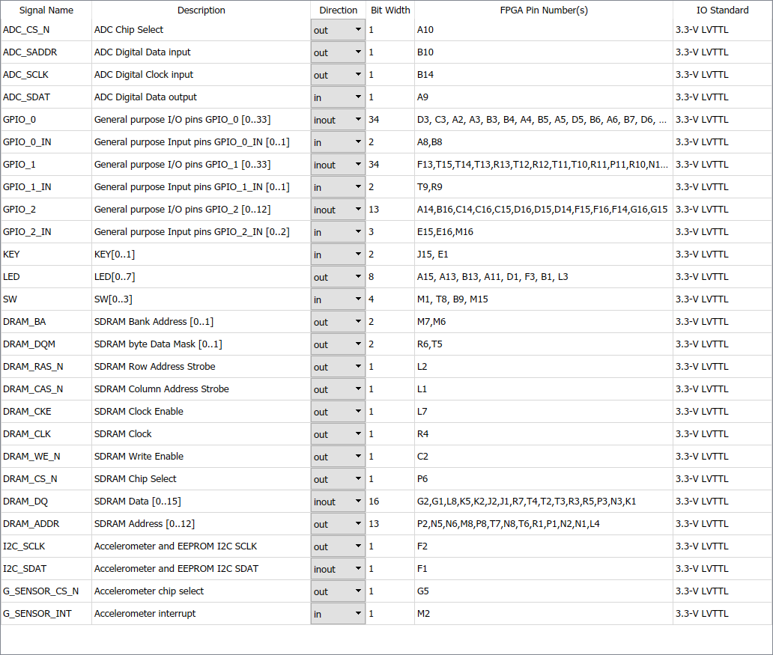
This file is an helper to create a custom board in HDL Coder for FPGATurnkey workflow.

Board:
 | DE0-Nano from Terasic (Cyclone 4 FPGA)
 | https://www.terasic.com.tw/cgi-bin/page/archive.pl?Language=English&CategoryNo=139&No=593

Procedure:
 | Using Terasic System Builder tool (*)download here) , create a project with all peripherials.
 |  | (*) Download here: https://www.terasic.com.tw/cgi-bin/page/archive.pl?Language=English&CategoryNo=139&No=593&PartNo=4
 | In this project an HTML file is created. Open this file in a browser.
 | Create a tab for each peripheral and copy-paste information from HTML file.
 | When necessary, reorder previously copied lines to group signals by name and in rising vector element index.
 | Update formula in columns "For workflow "FPGA Turnkey" to create the pin list for each signal (sacalor and vector).
 | In Matlab execute function fpgaBoardManager
 | Create a new board and fill general informations (use Terasic documentation).
 | Add one custom IO interface per signal and copy-paste pin list from this file.

 | Exemple result when used in FPGATurnkey workflow:

