BitTiming
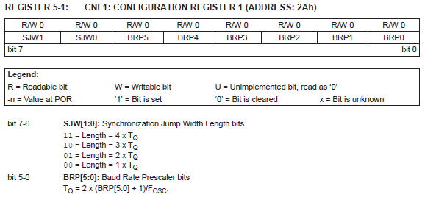
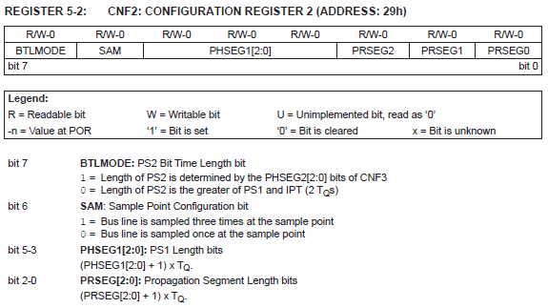
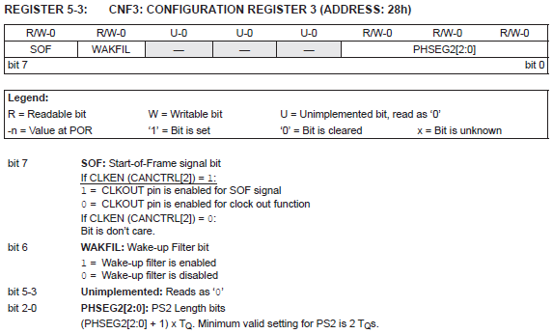
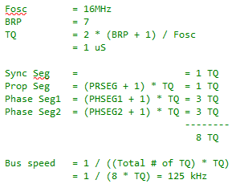
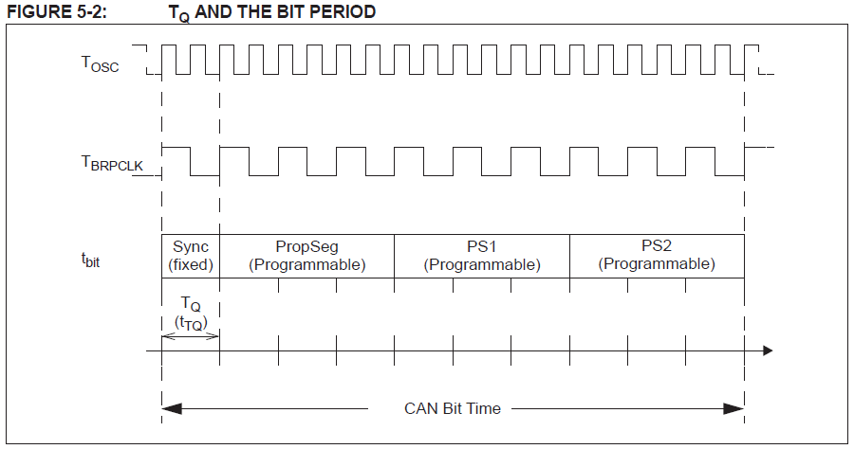
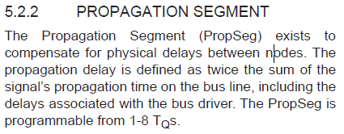
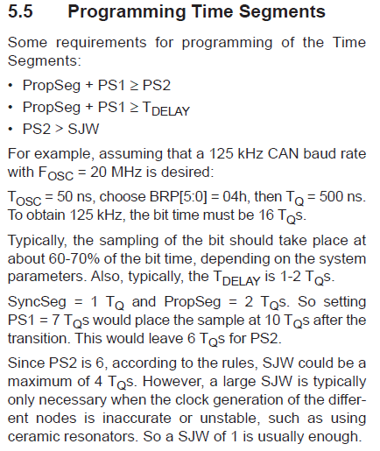
Fosc | 8 | MHz |  | User input
Bus speed | 500 | kHz |  | Values for CNF1..3
BRP | 0 | dec | 0 to 63
TQ | 0.25 | µs
Bit time | 2 | µs
Bit time | 8 | TQ

Sync | 1 | TQ | fixed at 1
PropSeg | 2 | TQ | 1 to 8 TQ
PS1 | 2 | TQ | 1 to 8 TQ
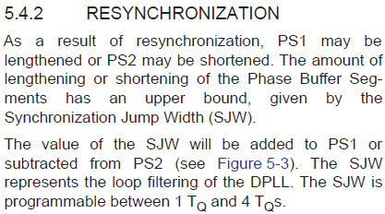
PS2 | 3 | TQ | 2 to 8 TQ

Sync Seg | 1 | dec
PRSEG | 1 | dec
PHSEG1 | 1 | dec
PHSEG2 | 2 | dec

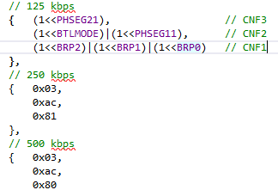
SJW | 2 | TQ | 1 to 4 TQ
TDELAY | 1 | TQ | Typically 1 or 2 TQ
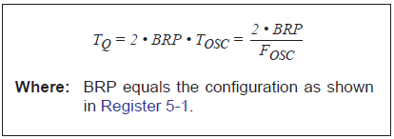

Bit sampling position | 62.5 | % | Typically, the sampling of the bit should take place at about 60-70% of the bit time.
PropSeg + PS1 | >= | PS2
4 | >= | 3 | TRUE
PropSeg + PS1 | >= | TDELAY
4 | >= | 1
PS2 | > | SJW
3 | > | 2

