Instructions
 | Process for Mechanical Spec Review

1 | Proposals request that Engineering review a list of specifications
 | OR
 | Engineering initiate a review of specifications as part of general development (such as API or ISO specifications)

2 | Download the current revision of the Master Mechanical Spec Review - CEN TL 00001, from PLM / Document Control.

3 | Add the first specification to be reviewed, to the list in the 'List Of Specifications' tab.

 | - 3a Ensure to fill in all data fields as shown below; Specification Number. Title, Specification Authority, Revision etc

 | - 3b If a new Specification Authority type is required, add it to the list the 'Lists' tab. It will then appear in the drop down menu in the Specification Authority column.

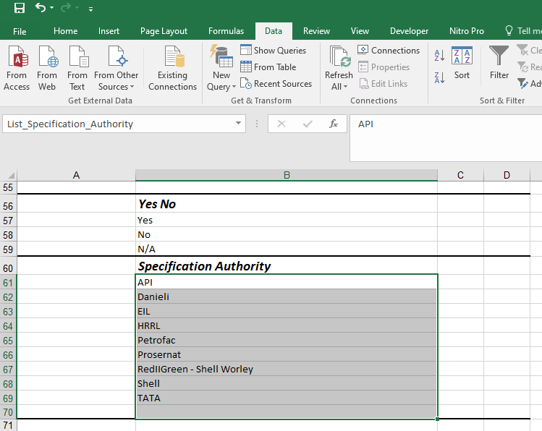

4 | Review specification as normal, however, when you find a requirement which is relevent to an SG package, take a note of the requirement in the relevent section.

 | 4a - Use the Name Manager list to navigate to the relevent section, i.e. 03100_Base_Frame, 07700_Oil_Cooler etc. and fill in the requirement, and all other columns as shown below. (If a new section is required, see step 4b below)
 | - When you add the Specification Number, the Specification Title and Authority will automatically populate, which is take from a V lookup in the Specs Reviewed tab. All other fileds need to filled in manually.
 | - If you think a comment or deviation should be suggested to sales/proposals, or is required as standard, set the Deviation column to 'yes', and note it in the Comment to Client or Comment Internal, as required.

 | 4b - Use the Name Manager list to navigate to the relevent section, i.e. 03100_Base_Frame, 07700_Oil_Cooler etc. and fill in the requirement, and all other columns as shown below.
 | - When you add the Specification Number, the Specification Title will automatically populate, which is take from a V lookup in the Specs Reviewed tab. All other fileds need to filled in manually.
 | - If you think a comment or deviation should be suggested to sales/proposals, or is required as standard, set the Deviation column to 'yes', and note it in the Comment to Client or Comment Internal, as required.

5 | Repeat this process until the specification has been fully reviewed. Then set the 'Reviewed' column, in the Specs Reviewed tab to 'Yes'.
 | If there are no requirements applicable to mechanical engineering, set the Reviewed column to 'N/A'.

6 | Revise the Master Spec Review in document control and issue for approval as per normal process.

7 | If proposals have requested the spec review for a specific proposal, do a save as of the spec review, saving as the standard document number HPCxxxxx02061 Spec Review, filter only the applicable specifications for that proposal, then send to the propsal engineer.
 | This proposal specific version will then become the working version used for the propsal, and in discussions with the customer, as deviations are agreed / negotiated etc. as the bid progresses.

