Summary
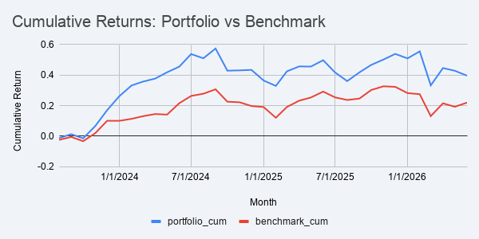
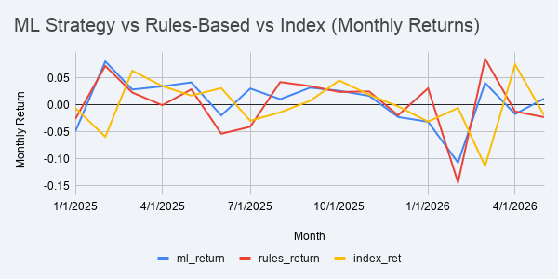
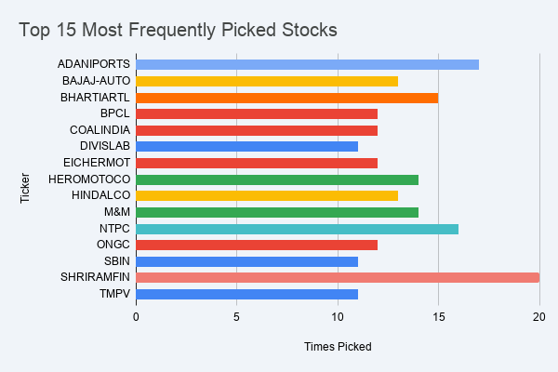
Metric | Rules-Based | ML Strategy | Nifty 50 Index
Months Tested | 35 | 17 | 35
Hit Rate | 65.70% | 41.20% | —
Cumulative Return | 39.60% | 9.40% | -0.41%
Avg Monthly Return | 1.08% | — | 0.65%
Best Month | 9.73% | — | —
Worst Month | -14.35% | — | —

Charts
