Chapter 3.3
Environment Statistics Training - FDES Chapter 3.3 Residuals

Instructions
1. Region with 3 sources of wastewater, one treatment plant

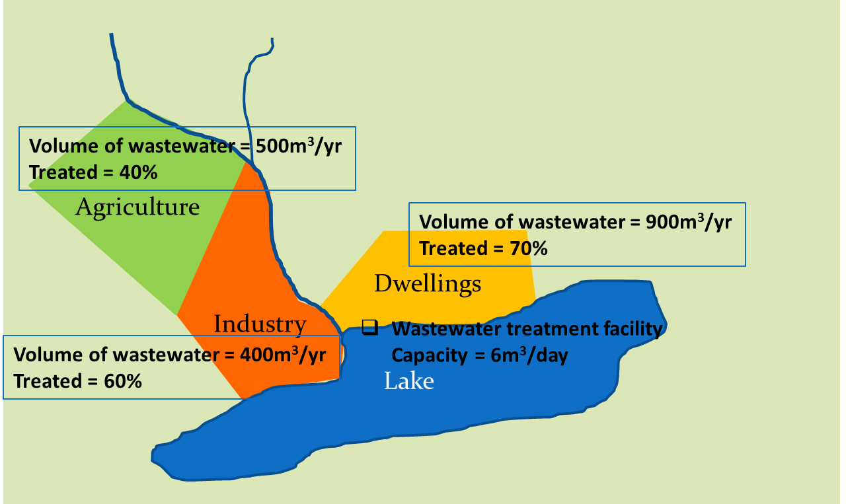

2. Calculate total wastewater, volumes treated, volumes untreated

Wastewater sources and volumes (m3/year)
Source | Total volume (m3/yr) | % treated | Volume treated | Volume untreated
Agriculture | 500 | 40% | 200 | 300
Industry | 400 | 60% | 240 | 160
Dwellings | 900 | 70% | 630 | 270
Total | 1,800 |  | 1,070 | 730
Average
3. What is the average treatement rate for all sources? |  |  | 57%
4. Have data on seasonal total volumes of wastewater.

Seasonal flow of wastewater
 | Total volume (m3)
Source | Jan-Mar | Apr-Jun | Jul-Sep | Oct-Dec | Total
Agriculture | 100 | 50 | 300 | 50 | 500
Industry | 50 | 100 | 200 | 50 | 400
Dwellings | 100 | 200 | 450 | 150 | 900
Total | 250 | 350 | 950 | 250 | 1,800

5. Calculate seasonal daily average of treated wastewater (assume 91 days per season)

Volume treated
 | Total volume (m3)
Source | Jan-Mar | Apr-Jun | Jul-Sep | Oct-Dec | Total
Agriculture | 40.0 | 20.0 | 120.0 | 20.0 | 200.00
Industry | 30.0 | 60.0 | 120.0 | 30.0 | 240.00
Dwellings | 70.0 | 140.0 | 315.0 | 105.0 | 630.00
Total | 140.0 | 220.0 | 555.0 | 155.0 | 1,070.00
Average/day (m3) | 1.54 | 2.42 | 6.10 | 1.70 | 3.92

6. For which season is there a risk of exceeding the capacity of the treatment plant? (6m3/day) |  |  |  |  | July - September

