Chapter 3.5.
Environment Statistics Training - FDES Chapter 3.5 Human Settlements and Environmental Health

1. Region with 3 air quality monitoring stations
2. Have average readings for PM2.5 for one day.

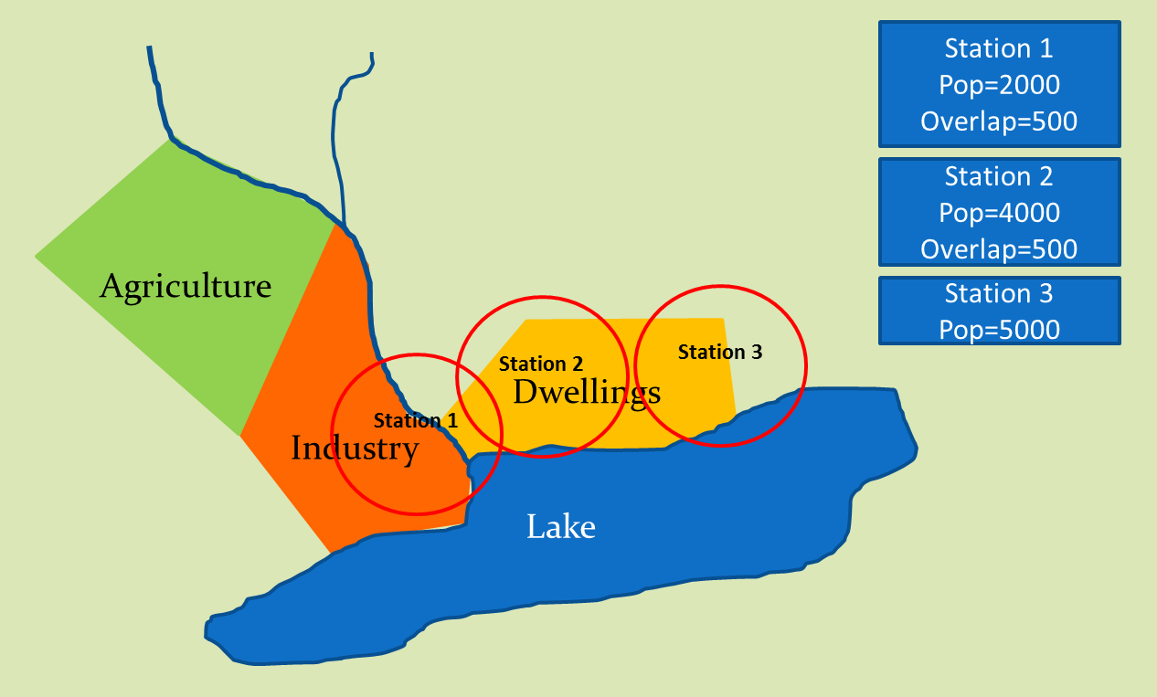

Air quality guidelines (from WHO)
Substance | Type | Guideline | Measure
PM2.5 | 24-hour mean | 25 | μg/m3
 | annual mean | 10 | μg/m3

Readings
Station | Type | Level | Measure
Station 1 | 24-hour mean | 35 | μg/m3
Station 2 | 24-hour mean | 24 | μg/m3
Station 3 | 24-hour mean | 20 | μg/m3

3. Transcribe population covered (separate overlap)
4. Transcribe levels
5. Calculate % of population exposed to each level (note overlap = average level)
6. Calculate contribution of each group (%pop x level / 100)
7. Calculate population-weighted exposure to PM2.5 (sum of contributions) |  |  | 23.93
8. Is it above/below WHO guideline? |  | Below

Station | Population covered | Level | Measure | % of pop. | Contribution
Station 1 | 1,500 | 35 | μg/m3 | 14% | 5.00
Station 2 | 3,500 | 24 | μg/m3 | 33% | 8.00
Station 1-2 overlap | 500 | 29.5 | μg/m3 | 5% | 1.40
Station 3 | 5,000 | 20 | μg/m3 | 48% | 9.52
Total population | 10,500 |  | μg/m3 |  | 23.93

