Home
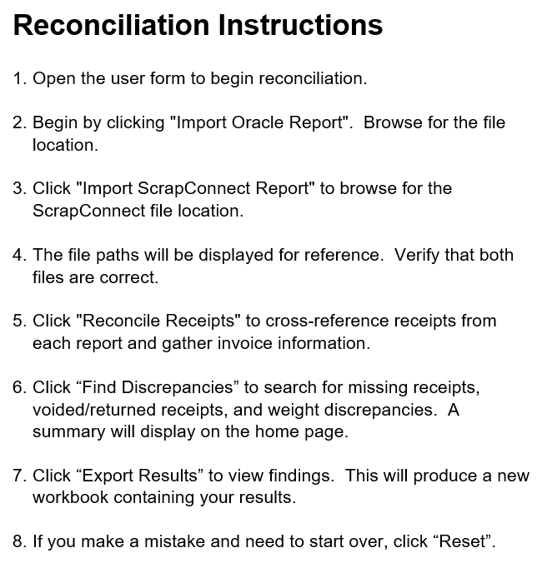

*VBA repository available at https://github.com/jhansen0502/scrapreconciliation

