Q-1
 |  |  |  |  | Are there any countries with cities located at extreme latitudes, and how might this impact their climate?

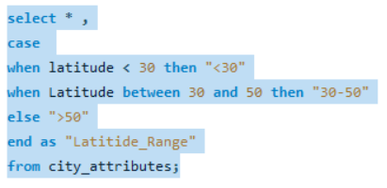

Country_id | City_id | Latitude | Longitude | Hemisphere | Latitude range
1 | 1 | 49.24966 | -123.119339 | Northern | 30-50
2 | 2 | 45.523449 | -122.676208 | Northern | 30-50
2 | 3 | 37.774929 | -122.419418 | Northern | 30-50
2 | 4 | 47.606209 | -122.332069 | Northern | 30-50
2 | 5 | 34.052231 | -118.243683 | Northern | 30-50
2 | 6 | 32.715328 | -117.157257 | Northern | 30-50
2 | 7 | 36.174969 | -115.137222 | Northern | 30-50 | Extreme latitudes usually refer to cities located far north or south of the equator. None of the cities in the provided list have extreme latitudes; they are all within the latitudinal range typical for populated areas. Extreme latitudes are usually associated with cities near the poles, which are not present in this list.
2 | 8 | 33.44838 | -112.074043 | Northern | 30-50
2 | 9 | 35.084492 | -106.651138 | Northern | 30-50
2 | 10 | 39.739151 | -104.984703 | Northern | 30-50
2 | 11 | 29.42412 | -98.493629 | Northern | <30
2 | 12 | 32.783058 | -96.806671 | Northern | 30-50
2 | 13 | 29.763281 | -95.363274 | Northern | <30
2 | 14 | 39.099731 | -94.578568 | Northern | 30-50
2 | 15 | 44.979969 | -93.26384 | Northern | 30-50
2 | 16 | 38.62727 | -90.197891 | Northern | 30-50
2 | 17 | 41.850029 | -87.650047 | Northern | 30-50
2 | 18 | 36.16589 | -86.784439 | Northern | 30-50
2 | 19 | 39.768379 | -86.158043 | Northern | 30-50
2 | 20 | 33.749001 | -84.387978 | Northern | 30-50
2 | 21 | 42.331429 | -83.045753 | Northern | 30-50
2 | 22 | 30.33218 | -81.655647 | Northern | 30-50
2 | 23 | 35.227089 | -80.843132 | Northern | 30-50
2 | 24 | 25.774269 | -80.193657 | Northern | <30
2 | 25 | 40.44062 | -79.995888 | Northern | 30-50
1 | 26 | 43.700111 | -79.416298 | Northern | 30-50
2 | 27 | 39.952339 | -75.163788 | Northern | 30-50
2 | 28 | 40.714272 | -74.005966 | Northern | 30-50
1 | 29 | 45.508839 | -73.587807 | Northern | 30-50
2 | 30 | 42.358429 | -71.059769 | Northern | 30-50
3 | 31 | 31.25181 | 34.791302 | Southern | 30-50
3 | 32 | 32.083328 | 34.799999 | Southern | 30-50
3 | 33 | 29.55805 | 34.948212 | Southern | <30
3 | 34 | 32.815559 | 34.98917 | Southern | 30-50
3 | 35 | 33.005859 | 35.09409 | Southern | 30-50
3 | 36 | 31.769039 | 35.216331 | Southern | 30-50

Q-3
 | Are there any correlations between a city's geographical location (latitude and longitude) and its weather attributes, such as temperature or humidity?

Average_of_Latitude
Average_of_Longitude |  |  | Note- As the Data is huge which can not be pasted in Excel, So Visulizations has been Performed in PowerBI
Average_of_Humidity
Average_of_Temperature

 |  | Correlation between geographical location and weather attributes

 |  |  | For clear visulisation purpose, I made the y-axis as average.

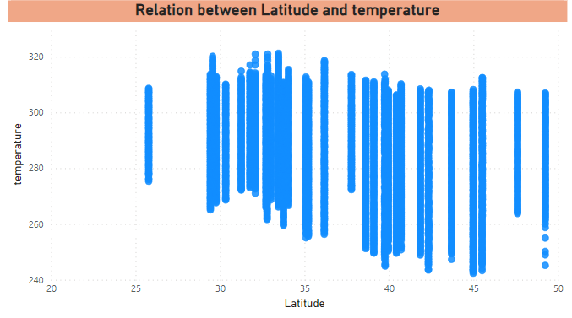
Correlation between Latitude and Temperature
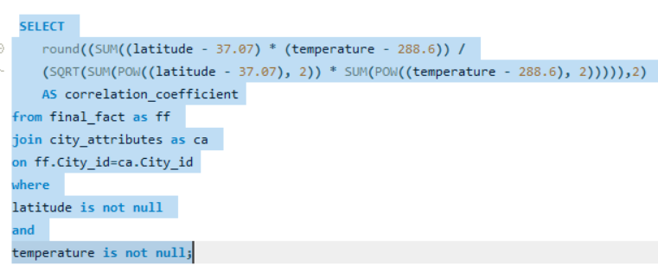
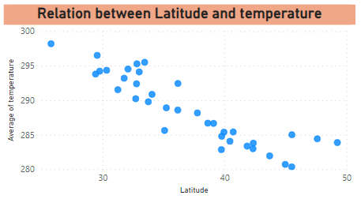

 |  |  | There is negative Correlation beytween latitude and Temperature which means they do travel in oppositde directions. Like, if one increases than other thing will get decreased and vice-versa. The Correlation Coefficient between Latitude and the Temperature is -0.43

Correlation between Latitude and Humidity
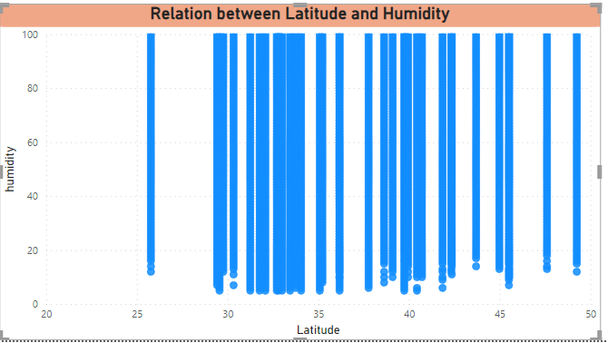
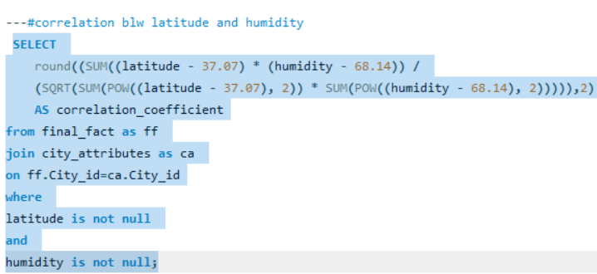
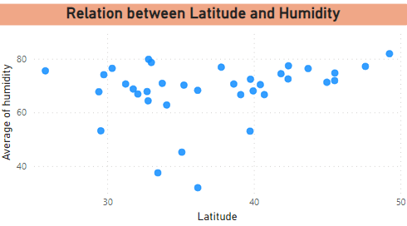

 |  |  | There is Positive Correlation beytween latitude and Humidity which means they do travel in same directions. Like, if one increases than other thing will get increased and vice-versa. The Correlation Coefficient between Latitude and the Humidity is 0.12

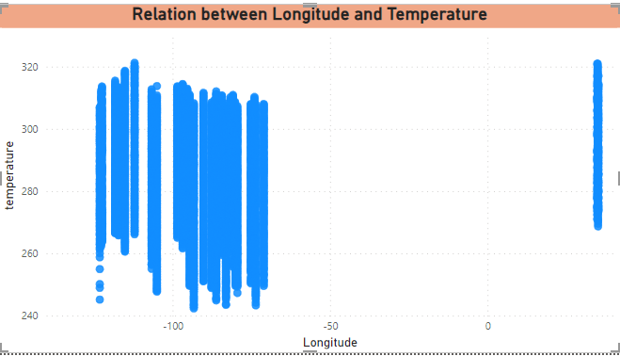
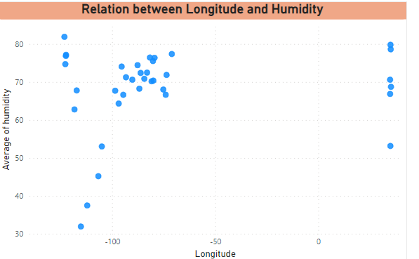
Correlation between Longitude and Temperature
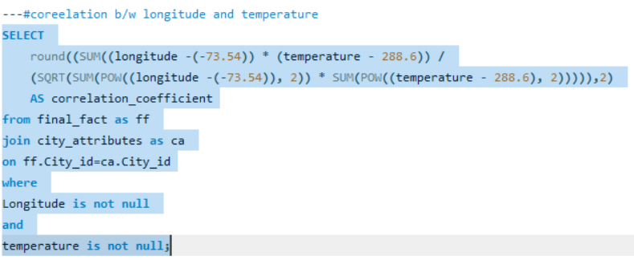

 |  |  | There is Positive Correlation beytween Longitude and Temperature which means they do travel in same directions. Like, if one increases than other thing will get increased and vice-versa. The Correlation Coefficient between Longitude and the Temperature is 0.21

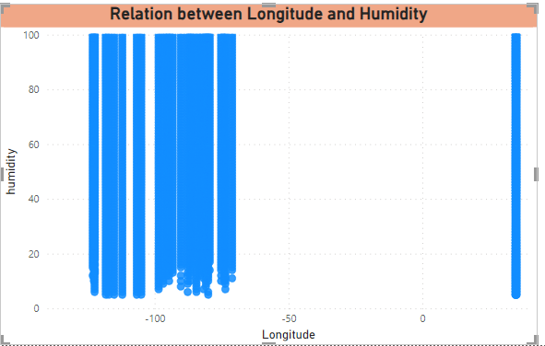
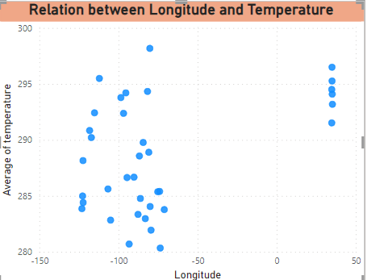
Correlation between Longitude and Humidity


 |  |  | There is Positive Correlation beytween Longitude and Humidity which means they do travel in same directions. Like, if one increases than other thing will get increased and vice-versa. The Correlation Coefficient between Longitude and the Humdidty is 0.07

Q-4
 |  | Identify the top three cities with the most frequent occurrence of rainy weather based on weather descriptions. What are the seasonal patterns?

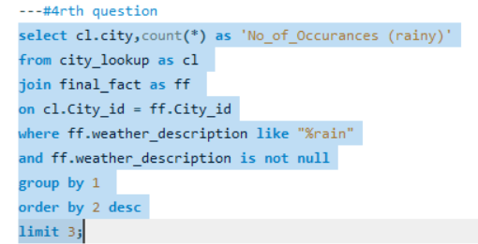
Top 3 Cities With Rainy Weather
 |  |  | city | No_of_Occurances (rainy)
 |  |  | Portland | 10994
 |  |  | Vancouver | 10308
 |  |  | Seattle | 9731

 | To Show the Seasonal Patterns, created a line chart using PowerBi
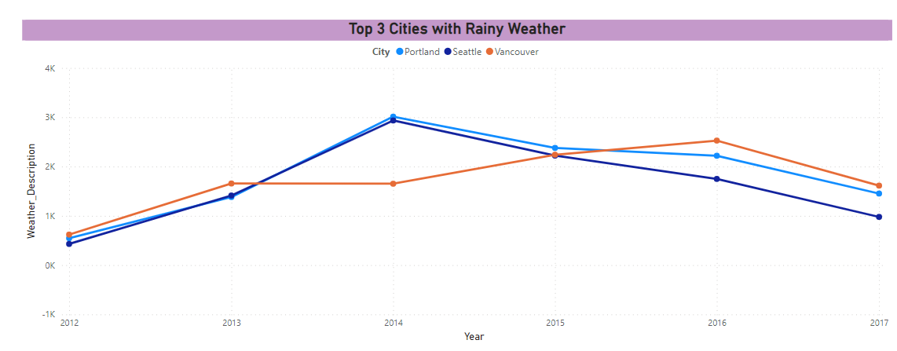
 |  |  |  |  | The Pie-Chart shows the Top 3 Cities with rainy weather. It shows the percentage of rainy weather in each of the city among all the top3 cities

Seasonal Patterns The Seasonal Patterns can be seen as the rain part begins in Quarter 1 and gradually increases to it upto Quarter 3 and fall down in Quarter 4. Every Year the Same Pattern has been Followed

Q-5
 | Is there a correlation between humidity levels and air pressure? How might this relationship affect weather conditions?

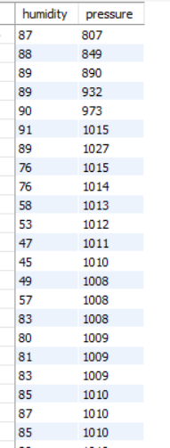
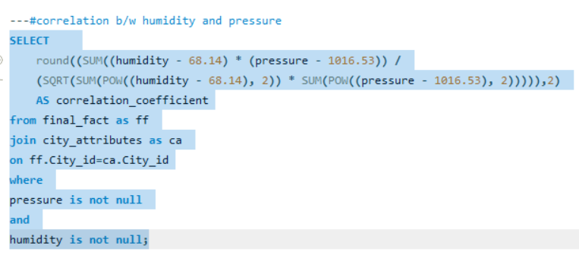
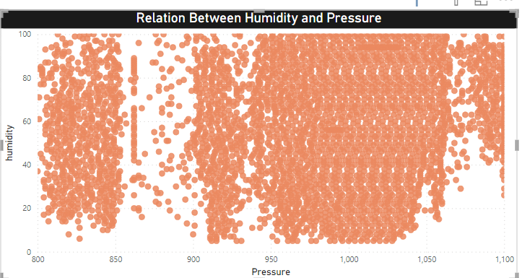

 |  |  |  | For clear visulisation purpose, I made the y-axis as average.

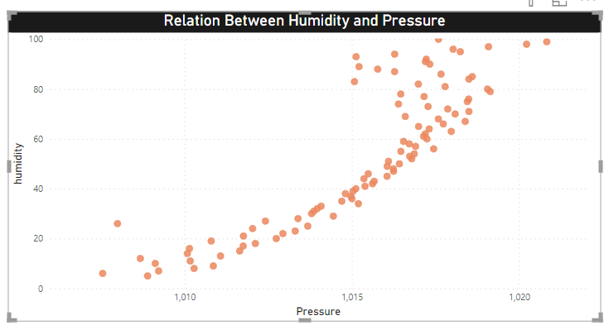

 |  |  | Yes, there is a Correlation Between Humidity and Pressure and it is a Positive Correlation, which means that both the attributes travel towards same direction. If the humidity increases than the presure will automatically increases and vice-versa.

 |  | Affect on Weather Conditions

 |  | When a low-pressure system moves into an area, it usually leads to cloudiness, wind, and precipitation. High-pressure systems usually lead to fair, calm weather.The higher the humidity the greater the water vapour, and the more rain we're likely to see.

62
71
71
70
57
61
70 | 1017
72 | 1018
71 | 1018

45 | 1019
43 | 1019
41 | 1019
40 | 1019

61
19 | 1020
19 | 1019
19 | 1019
19 | 1019
44 | 1032

25
29
26
46
37
46
46
40
46
52
52
52
73 | 1015
72 | 1016
49
78 | 1016
52
61

19 | 1016

19 | 1016
22 | 1015
19 | 1015
19 | 1015
19 | 1015
19 | 1014
36 | 1014
44 | 1014
50 | 1014
44 | 1015
48 | 1014
54 | 1015
50
46
46
46
63 | 1015
69 | 1016
72 | 1016
74 | 1016
100 | 1030
35 | 1016
19 | 1016
19 | 1016
19 | 1015
19 | 1015
19 | 1015
26
28
23 | 1014
38

43
53 | 1013
35
17

62 | 1014
50
53
50
100 | 1027
74 | 1014
66 | 1025
50

63 | 1025

48
45
45
48
55

51
54
50
54
65 | 1010
54
75 | 1009
54
80 | 1009
83 | 1009
87 | 1009
88 | 1009
66

51

40
37
40
55
54
54
58
54
54
58
60
62
66
66
86 | 1003
66
66
66
92 | 1004
76 | 1014
72 | 1015
63 | 1015
59 | 1014
55 | 1014
55 | 1014
48
55 | 1013
59 | 1013
62
62
76 | 1014
62
81 | 1015
62
81 | 1016
83 | 1016
85 | 1016
87 | 1017
81
76
93 | 1019

87 | 1019
100 | 1019
81 | 1020
81 | 1020
81 | 1020
76 | 1019
72 | 1016
69 | 1013
69 | 1013
69 | 1013
69 | 1013
69 | 1013
69 | 1013
78 | 1015
87 | 1017
90
93
93 | 1017
93 | 1016
 | 1016
 | 1016
93 | 1016
93 | 1016

19
38
57
76 | 1013
76 | 1013
87
93
93
93
93
93
87
87
87
93
93
93
93
93
93
93 | 1016
93
93
93

93 | 1015
93 | 1015
87 | 1014
76 | 1013
87
76 | 1012
87
81
75
69
63 | 810
57 | 1013
87 | 1009
93
93
93
93
87 | 1009
93
93
93
93
93

93
93
93
93 | 1009
93
87
87
93
93
93
93
93
93 | 1012
93
93
93
93
93
93
93
100
93
93
81 | 1013
93
93
93
93
93
93
93
93
93
93
87
93
93
93
93 | 1010

87 | 1015
87 | 1015
87 | 1014
93
93
96 | 1001
87 | 1012
87 | 1010
87 | 1010
93 | 1010
93 | 1010

93
93

93 | 1010

93
93
93 | 1013
96 | 1001
93
100
93
93
93
100

93 | 1013

87 | 1011

82 | 1010

93 | 993
100
87
87 | 1017
93 | 998

93
93
82 | 998
82 | 998
76 | 999
76 | 999
71 | 1001
71
66
76 | 1007
76 | 1009
81 | 1011
71 | 1012
66 | 1014
54 | 1015
54 | 1015
54 | 1016
54 | 1016
54 | 1016

58 | 1019
70
76 | 1021
81 | 1021
76 | 1022

76 | 998
76 | 998
81 | 1025
87 | 1025
87 | 1025
81
93 | 1025
93 | 1025
87 | 1025
87 | 1026
81 | 1026
76 | 1026
81 | 1026
76 | 1026
66 | 1026
71 | 1025
66 | 1025
87 | 1019
66 | 1003
71 | 1024
71 | 1024
76 | 1024
76
81 | 1023
81 | 1023
81 | 1023
70
81 | 1023
81 | 1022
81 | 1021
81 | 1007

76 | 1019
71 | 1018
71 | 1017

71 | 1016
76 | 1015
87 | 1014

93 | 1011
87
100 | 1005
87 | 1008
87 | 1008
93 | 1007
93 | 1007
93 | 1019

93
87 | 1021
87 | 1022
82 | 1004
87 | 1023
82 | 1005
100
93
87 | 1023
81 | 1023
81 | 1008
81 | 1008
66 | 1006
58
57
66 | 1006
71 | 1006
81 | 1006
81 | 1006
87
93
89
86
82
79
75
72
68
65
64
64
63
63
62
62
61
61
61
66 | 1010
49
33
16

86 | 1010
86 | 1020
93
86 | 1010

93 | 1010
93 | 1010
90 | 1010
87 | 1011
85 | 1012
82 | 1013
93
86 | 1011
86
86 | 1011

87 | 1005
81
87
56 | 1012
81 | 1003
79 | 1000
76 | 1000
75 | 999
81 | 998
86
75 | 997
86 | 996
86 | 1008
80 | 997
86 | 1007
86 | 1006
93
 | 1005
 | 1005
70 | 1005
 | 1004
66 | 1004
61 | 1003
61 | 1002
70 | 1002
66
66

75 | 1003
93
81 | 1003

93

87 | 1004

93 | 1005
93 | 1005
93 | 1006
93 | 1006
86 | 1007
86 | 1007
86 | 1008
86 | 999
86 | 999
86 | 999
86 | 1010
86 | 1010
81 | 1010
81 | 1010
81

81 | 1011
87 | 1011
70 | 1003

75
81 | 1012
81 | 1011
86 | 1011
86 | 1012
81 | 1012
86 | 1011

81 | 1006
81 | 1009
81 | 1013
81 | 1013
93
81 | 1015
81 | 1015
85 | 1005
87 | 1007
87 | 1007
93
88 | 1007
81 | 1009

87 | 1019
81 | 1009
87 | 1010
87 | 1010

87 | 1010
87 | 1024
81 | 1024
86 | 1025
93 | 1026
86 | 1026
93 | 1027
93 | 1028
93 | 1028
87 | 1029
81 | 1030
76 | 1030
71 | 1030
71 | 1030
76
70
76 | 1030
81
81 | 1029
81 | 1029
81 | 1028
75
75
70
87 | 1026

87 | 1025
87 | 1024
87 | 1023
87 | 1022
87 | 1010
81
87 | 1009
93 | 1022
75 | 1021
76 | 1009
76 | 1021
71 | 1010
71 | 1010
76 | 1010
81 | 1019
87 | 1018
87 | 1010
87 | 1016
87 | 1017
93
93 | 1017
93 | 1012
93 | 1016
93 | 1016
93 | 1016
93 | 1016
93 | 1016
93 | 1015
93 | 1015

93
93

93 | 1012

93 | 1009

93 | 1007
93 | 1007

93
100

93 | 1009
93 | 1009
 | 1010
93 | 1011
93 | 1011

93 | 1012
100
93
93 | 1013
82 | 1024
71 | 1013
76 | 1013

71
76 | 1026
87 | 1026
87 | 1011

81 | 1010
87 | 1009
93
93 | 1008
93 | 1008
93 | 1027
93 | 1028
93 | 1015
 | 1006
93 | 1006
93 | 1006
93 | 1006

93 | 1009
93 | 1010

93 | 1011

76 | 1012
82 | 1013
76 | 1013
76 | 1013
76 | 1013
76 | 1013
87 | 1012
93

87 | 1012

87 | 1012
93 | 1011
93 | 1011
93 | 1011
93 | 1011
96 | 1001

87 | 1030
93 | 1030
87 | 1011
93 | 1011
 | 1030

93 | 1029

96 | 997
96 | 997
 | 1007
93 | 1007
93
93 | 1007
93 | 1007
93 | 1015
93 | 1006
93 | 1006
93 | 1006
93 | 1025
100
93
93 | 1004
93 | 1004
93 | 1003

93 | 1002

87 | 1001
87 | 1002
87 | 1002

93 | 1004
93 | 1005

93
93 | 1005

87 | 1017
93 | 1016
87 | 1016
87 | 1006
87 | 1007

93 | 1008
93 | 1009
81
87 | 1010

82 | 1010
87 | 1012

93 | 1012

92 | 1003
87 | 1010
87 | 1009

93
93 | 1008
93 | 1007
96 | 1006
93 | 1006
93 | 1016
93 | 1016
87 | 1016
87 | 1016
87 | 1004

82 | 1016
87 | 1016
77 | 1016
82 | 1015
82 | 1015
72 | 1014

76 | 1014
76 | 1014
81
87

87 | 1013
81
87 | 1013
87 | 1013
87
90
93 | 1013
93 | 998
93 | 998
93 | 997
87 | 1014
87 | 997
93 | 996
87 | 1015
87 | 1015

93 | 998

93 | 1016
93 | 999
93 | 1017
93 | 1017
93
 | 1019
 | 1019
93
93
93 | 1021
93 | 1021
93 | 1021

 | 1022
93 | 1021
 | 1022

93 | 1022

93 | 1021
90 | 1017
88 | 1013
88 | 1013
88 | 1013
88 | 1013
88 | 1013
88 | 1013
88 | 1013
88 | 1013
88 | 1013
92 | 1013
92 | 1013
92 | 1013
92 | 1013
92 | 1013
92 | 1013
85 | 1013
85 | 1013
85 | 1013
85 | 1013
82 | 1018
79 | 1023
76 | 1029
76 | 1029
87 | 1028
76 | 1028
81 | 1028
87 | 1027
87 | 1027
87 | 1026
87 | 1026
87
87 | 1024
87
93 | 1023
87 | 1022
93 | 1022
93 | 1011
93 | 1020

93 | 1019
93 | 1018
93 | 1017
93 | 1017
87 | 1016
93 | 1016
93 | 1015
93 | 1014

93 | 1013
93 | 1013
87 | 1012
87 | 1012
93 | 1011
87
81 | 1012
81 | 1012
81

71 | 1014
71 | 1015
81 | 1015
76 | 1016
87 | 1016
87 | 1017
81 | 1017
87 | 1018
81 | 1019
81 | 1019
71 | 1019
62 | 1019
62 | 1019
57 | 1019
53 | 1019
53 | 1018
65
75 | 1017
81 | 1017
81 | 1026
81 | 1017
75
75
86 | 1015
86 | 1015
86 | 1014
86 | 1014
86 | 1014
86 | 1013
86 | 1013
86 | 1013
80 | 1013
 | 1013
70 | 1013
70 | 1012
70 | 1012
76 | 1012
76 | 1011
76 | 1011
76 | 1011
75 | 1011
81 | 1011
81 | 1011
81 | 1011
 | 1011
60 | 1011
56
69 | 1011
64 | 1012
64 | 1011
69 | 1011
74 | 1012
69 | 1012
74 | 1012
64 | 1012
69 | 1012
60 | 1013
60 | 1013
45 | 1013
56 | 1013
49 | 1013
45 | 1013
49 | 1013
 | 1012
60 | 1013
69 | 1013
60 | 1013
60 | 1014
45 | 1014
55 | 1014
55 | 1014
44 | 1015
51 | 1015
51 | 1016
51 | 1016
48 | 1016
48 | 1017
48 | 1017
51 | 997
64 | 997
59 | 1019
51 | 1019
51 | 1020
48
41
48 | 1021
48 | 1021
48 | 1021
52 | 1021
60 | 1022
60 | 1022
60 | 1022

Q-6
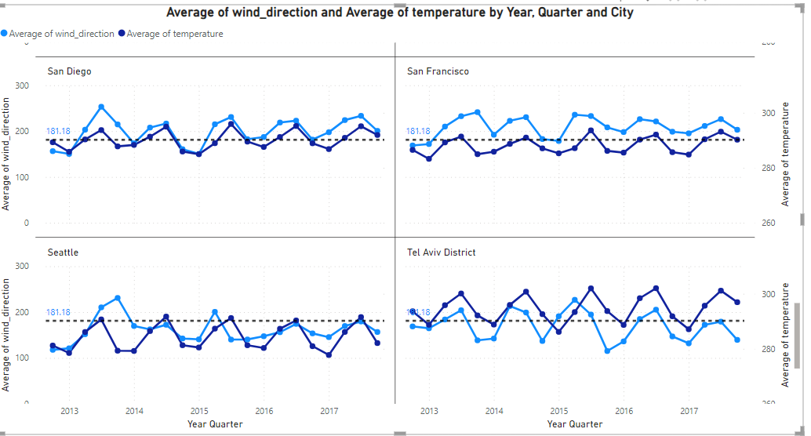
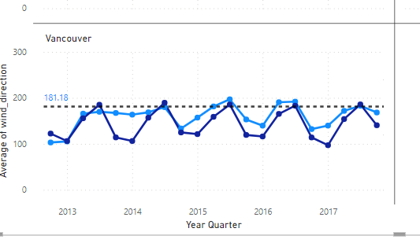
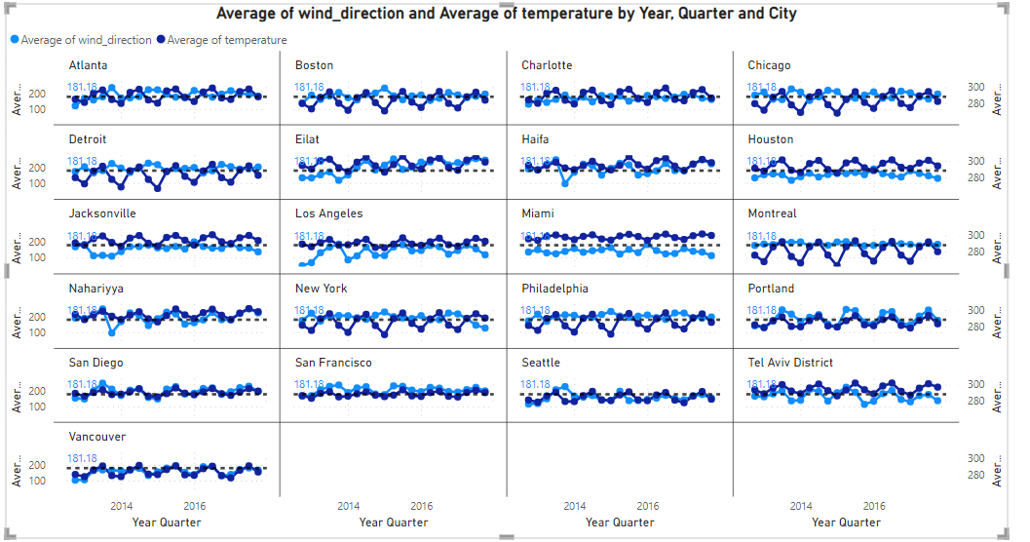
 |  |  |  |  | All the Coastal Cities together.
 |  |  | cretaed a file named c which consists of all cities and segregated them with normal cities and the coastal cities
 | Explore the impact of wind direction on temperature for coastal cities. Are there noticeable patterns?

 |  | COASTAL CITIES CONSIDERATION Coastal cities in this list include Vancouver, Portland, San Francisco, Seattle, Los Angeles, San Diego, Houston, Miami, Philadelphia, New York, Montreal, Boston, Tel Aviv District, Eilat, Haifa, Nahariyya. Note that some cities, like Las Vegas, Phoenix, and Denver, are inland and not considered coastal.

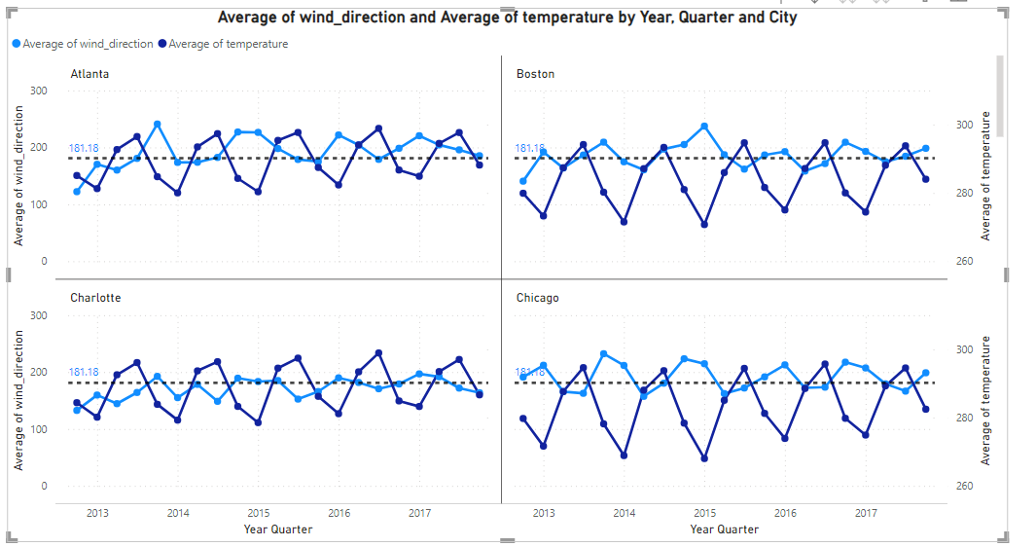
All Cities |  | Coastal Cities
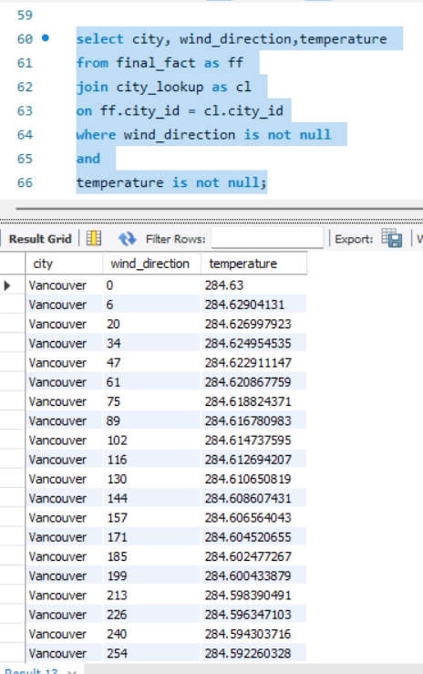

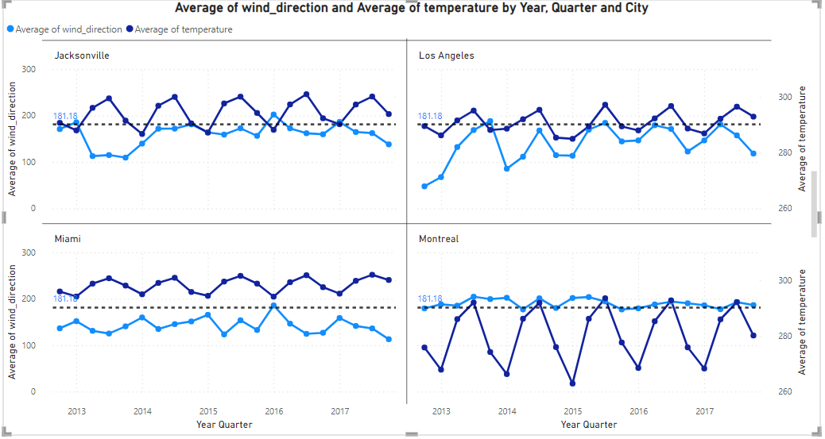

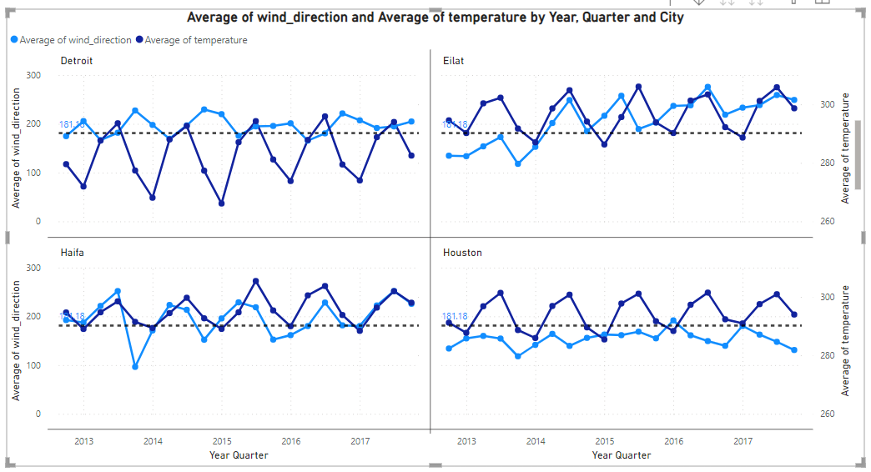
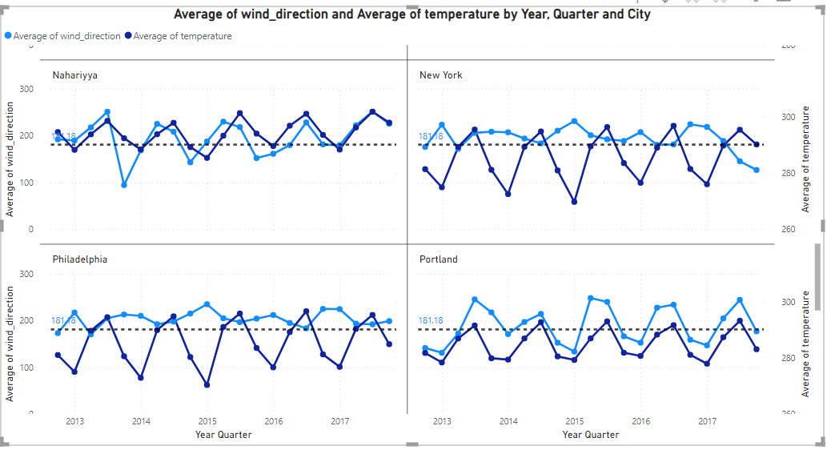

 |  |  |  | The impact of wind direction on temperature for coastal cities can be significant and is influenced by various factors such as maritime influences, land-sea temperature contrasts, and local topography. When it comes to Patterns, I observed that each coastel city has its pattern. but there is comman pattern between all coastal cities is that it has been moving like a wave. this can be observed with the hepl of average line.

Q-7
Are there specific months when cities experience significant temperature fluctuations? What might explain these variations?

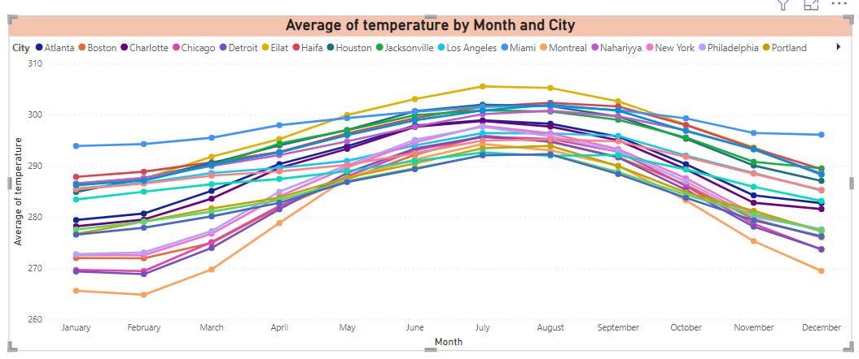

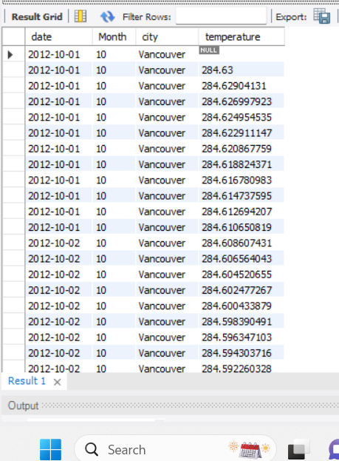

 | Temperature Fluctuations from the above visual we can clearly say that the temperature at the beginning i.e., january and february has the low temperature and it gradulllay increases and there was a siginificant rise in the months of JUNE, JULY, AUGUST,SEPTEMBER and again it slowly dercreases and also made a siginificant change fall down in Decemeber. Variations Explanation These Variations will explain about the chnage in temperature over each month og every year. it resembles the seasons climate change.

Q-8
 | Identify periods of extreme weather events, such as storms or heatwaves, by analyzing the time-based data. What patterns emerge?

as there is no things like mentioned as stroms or heatwaves in the given data. So, I assume that draging the values that can be seen similar with the stroms. I would like to consider the following. They are 1. Broken_Clouds 2. Scatter Cloud 3. Thunderstrom with Hevay Rain. 4. Heavy Intensity Rain 5. Volcanis ash

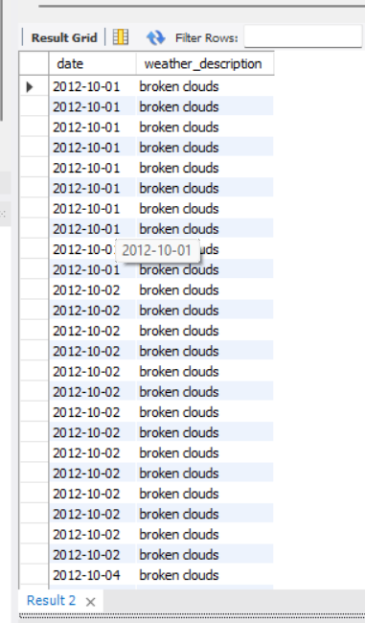
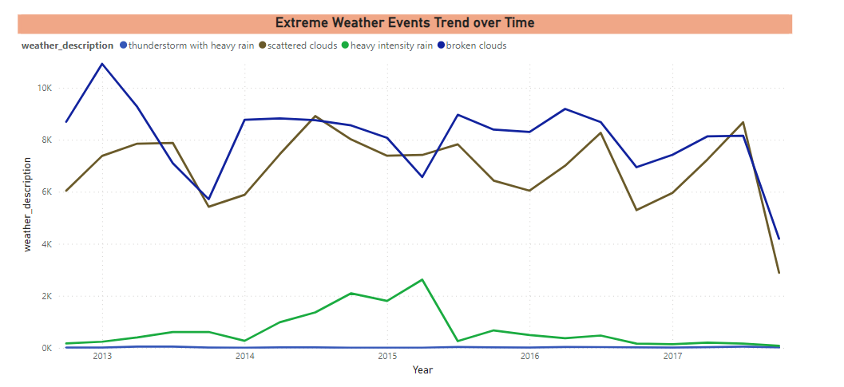

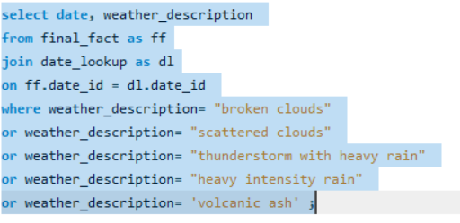

 |  | Patterns Emerged

 |  | There are Different Patterns for Stroms. 1.Mostly, the scatterd clouds and broken clouds emerge a very high intensity. For all over the years its been started at a medium space and it gradually increasing in the middle of the year and slowly decreasing at the end of the year. the same pattern has been emerged over every year for Scattered Clouds and Broken Clouds. 2.Coming to the Heavy intensity rain, we can only a rise of it in the year of 2015 and its being constant all over every year 3.thunderstroam with heavy rain has been on 0 most of the time over evey Year. 4. The Volcanic Ash occured only once in a while, 2013- 1 time, 2015- 1 time, 2017- 1 time as per the given data.

Q-9
 | Are there any notable differences in temperature trends between northern and southern hemisphere cities over the year? How do they relate to seasons?

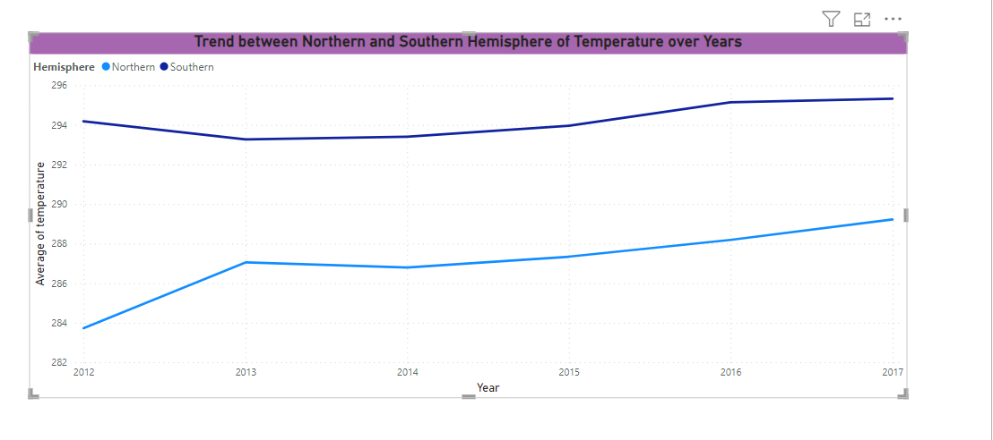
 |  | Added a Column with Hemisphere to make use of it

Trend Between Hemisphere's

1. In Northern Hemisphere, has low average of the temperature in the year 2012( December month)
2. The trend of avergae temperature has been constant or may be a little rise throughout the Year and it slowing rising each year.
3. I observed that similar thing is happening in with the southern hemisphere cities as well.
4. The only difference between the average temperature of southern hemisphere and northern hemisphere is -- Southern Hemisphere has more avergae temperature as compared to Northern Hemisphere, Which will be resulted in the more temperature in Southern and less temperature in Northern Hemisphere.

Relate to Seasons-

This Analysis can be used to relate with the seasons, For Eg- if it comes to Summer Season there might be no such greate differences in the average Temperature. When it comes to other seasons we can see there might be differences in the temperature like more avg temperature in Southern Hemisphere cities as compared to Northern Hemisphere Cities.

Q-11
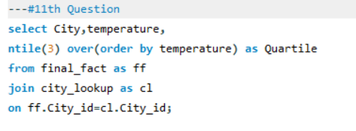
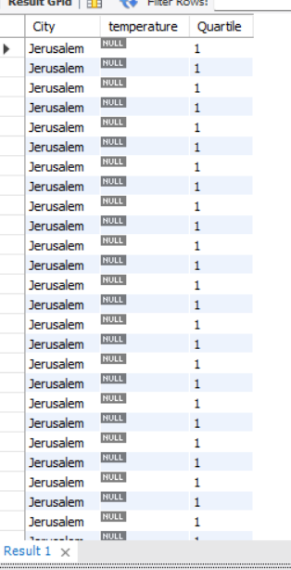
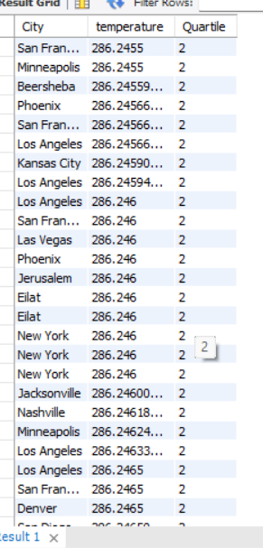
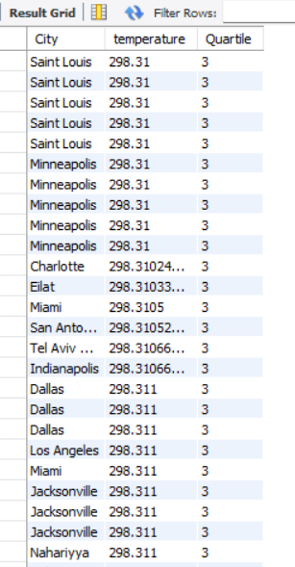
Investigate whether temperature anomalies (unusual deviations from the norm) coincide with certain events or environmental factors in specific cities.

Q-12
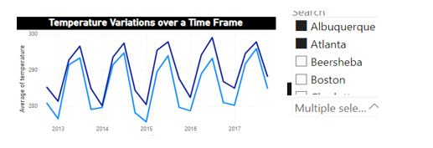
Analyze the impact of temperature on energy consumption patterns in cities. Are there noticeable trends or correlations?

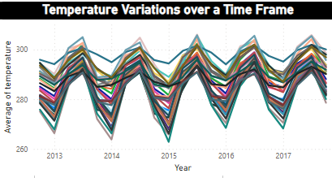

There is no such data related to energy consumption in cities. So, just finding the temperature trends over time.
I observe there is a wave like pattern been following every year.
Generally, there is a positive correlation between temperature and energy consumptions.
We estimate 1 degree increase in temperature will drive up to electricity demand in region by 6.7%.

Q-13
 | How do specific wind patterns impact air quality and pollution dispersion in urban areas? Analyze wind direction data for insights.

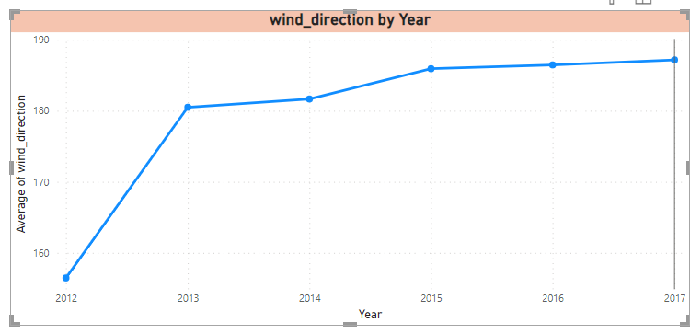
To Analyse this particular Problem we need to have the data reagrding air quality and air pollution dispersion in the cities. But, as of now we don’t have the data reagrding that. If the requireed data is available we would have made a meaningful insights.

The General Information I have reagring this particular statement is as follows-
Specific wind patterns can have a significant impact on air quality and the dispersion of pollutants in urban areas

1.Dilution and Dispersion
2.Street Canyon Effect
3.Directionality
4.Temperature Inversions
5.Localized Effects |  | From the given I tried make analysis of the wind_direction by Year. It shows that the wind directions has been increasing year by year,which can be resulted in the air pollution and dispersion in the cities.

Q-14
 | Identify cities prone to strong winds and the potential consequences, such as increased risk of natural disasters or challenges for transportation.

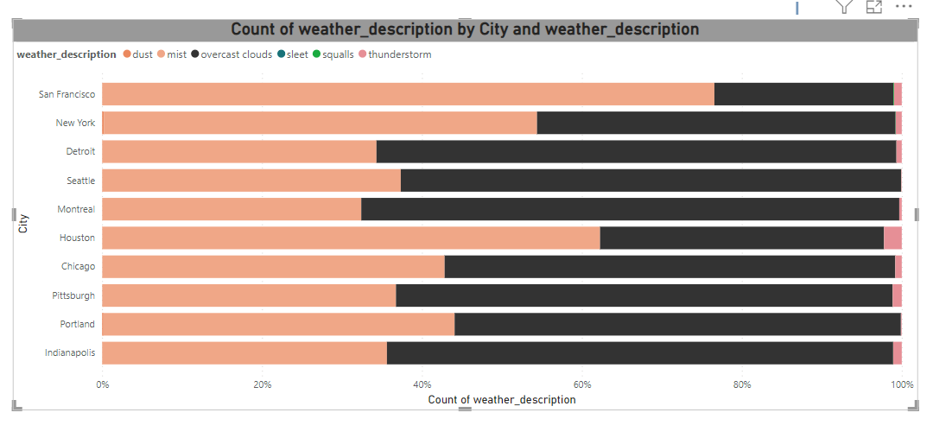
The Statemnet is to find the cities with strong winds that can cause and increase in natural disasters and also which will cause the challenges for transportation. So, as per my understanding there is no direct data related to it. I would like to assume as the following conditions will be act as near synonyms. MIST, THUNDERSTROM, DUST, SLEET, DRIZZLE, SQUALLS, TORNADO, OVERCAST CLOUDS

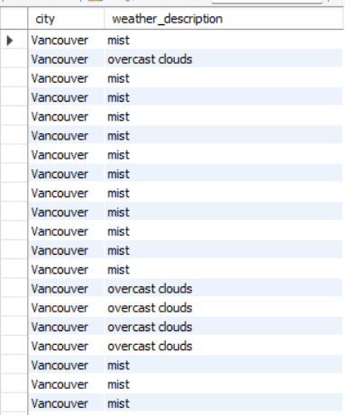

 |  | The Cities which have high chances of prone to strong winds and the potential consequences, such as increased risk of natural disasters or challenges for transportation are listed above.

Q-15
Explore whether wind speed and direction influence the frequency and severity of weather-related events (e.g., hurricanes, storms) in coastal cities.

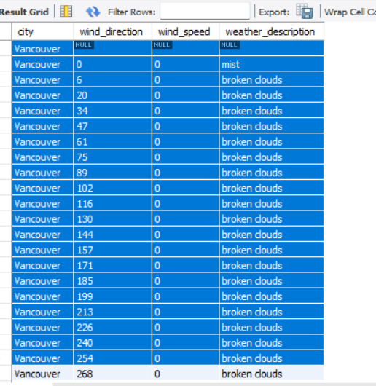

 | As there is no direct word as Hurricanes or stroms in the data, I would like to consider the Following as Synonms for them. 1.Broken Clouds, 2. Scattered Clouds, 3.Ragged thunderstrom 4.Squalls 5.Tornado

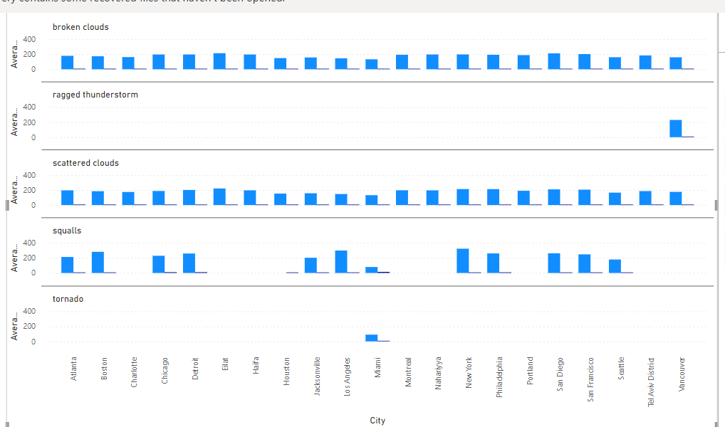

 |  | From the Visual I undertood that The severity of weather related events can be impacted by wind direction and wind Speed in Coastal cities. Usually, the Coastal Cities or areas has more severity because they located on the interface of the land and sea, inluced large inland areas. so, it can be clealry understanble if the wind speed or wind direction increased, the severity of the weather_events related to Hurricanes and Stroms will rise a well.

