Sheet1
L1-12 | L1-12
L1-9 | L1-9
L1-6 | L1-6
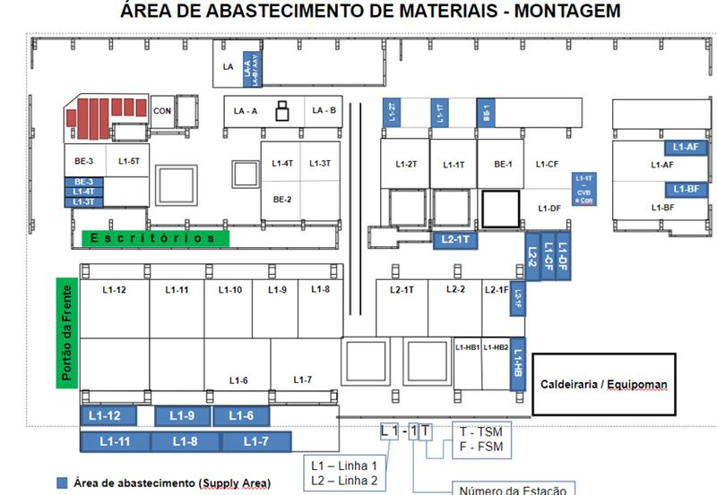
L1-11 | L1-11
L1-8 | L1-8
L1-7 | L1-7
BE-3 | BE-3
L1-4T | L1-4T
L1-3T | L1-3T
LA-A | LA-A |  | HB FRENTE
LA-B | LA-B |  | HB FUNDOS
AAV | #N/A | SMALL TOOLS | LB FRENTE
L1-2T | L1-2T |  | LB FUNDO
L1-1T | L1-1T |  | CISC MATRIZ
BE-1 | BE-1 |  | CISC FASSUB
L2-1T | L2-1T |  | ODI
L2-1F | L2-1F |  | SURFACE
L1-HB | L1-HB |  | ÁREA DE SHOPTOOL
L1-DF | #N/A | L1-4F
L1-CF | #N/A | L1-3F
L2-2 | L2-2
CBV | #N/A | LA-C
L1-AF | #N/A | L1-1F
L1-BF | #N/A | L1-2F

