Scenarios
Images describing the scenarios

Services
Method | endpoint | ToBe Tested? | Comments
POST | /user |  |  | Yes
GET | /user |  |  | No
PUT | /user
DELETE | /user
POST | /projects
GET | /projects
PUT | /projects
DELETE | /projects
GET | /filters
POST | /items
PUT | /items
DELETE | /items
GET | /items
GET | /icons
GET | /authentication
DELETE | /authentication

Describe the list of Services
available in the product

Reports
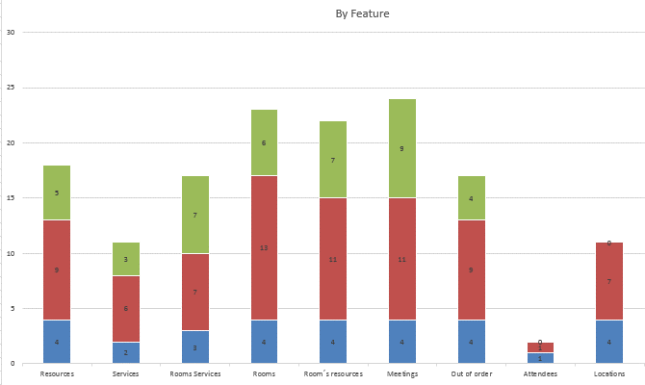

The reports that represents
the progress should be here

