WEO Update July 2024
 | 2024-07-16

International Monetary Fund
World Economic Outlook
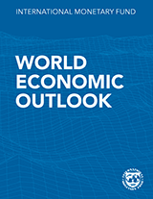

July 2024
World Economic Outlook Update

This file includes charts and tables from the July 2024 World Economic Outlook Update.
When reusing the contents of this file, please refer the source as
IMF, World Economic Outlook Update, July 2024
Further information on copyright and usage can be found at www.imf.org/external/terms.htm
For questions specific to World Economic Outlooks, refer FAQ or send them using
WEO Data Question Form
World Economic Outlook Frequently Asked Questions

