Sheet1
Parameter Estimation

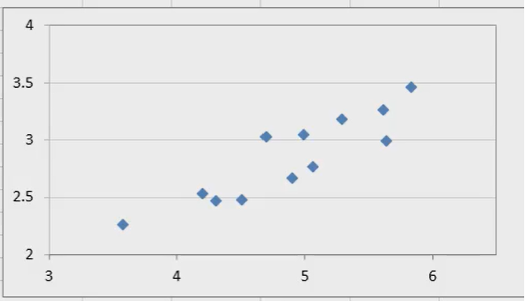
 | Production | Electricity usage |  | x_i^2 | y_i^2 | x_i*y_i
Jan | 4.51 | 2.48 |  | 20.3401 | 6.1504 | 11.1848
Feb | 3.58 | 2.26 |  | 12.8164 | 5.1076 | 8.0908
Mar | 4.31 | 2.47 |  | 18.5761 | 6.1009 | 10.6457
April | 5.06 | 2.77 |  | 25.6036 | 7.6729 | 14.0162
May | 5.64 | 2.99 |  | 31.8096 | 8.9401 | 16.8636
June | 4.99 | 3.05 |  | 24.9001 | 9.3025 | 15.2195
July | 5.29 | 3.18 |  | 27.9841 | 10.1124 | 16.8222
Aug | 5.83 | 3.46 |  | 33.9889 | 11.9716 | 20.1718
Sep | 4.7 | 3.03 |  | 22.09 | 9.1809 | 14.241
Oct | 5.61 | 3.26 |  | 31.4721 | 10.6276 | 18.2886
Nov | 4.9 | 2.67 |  | 24.01 | 7.1289 | 13.083
Dec | 4.2 | 2.53 |  | 17.64 | 6.4009 | 10.626

sum | 58.62 | 34.15 |  | 291.231 | 98.6967 | 169.2532
average | 4.885 | 2.846

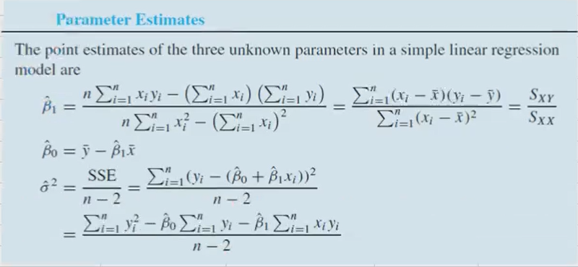
n | 12
beta_1 | 0.499
beta_0 | 0.409

sigma^2 | 0.030
sigma | 0.17294796858

x | 4
y | 2.404

Confidence Interval for beta_1

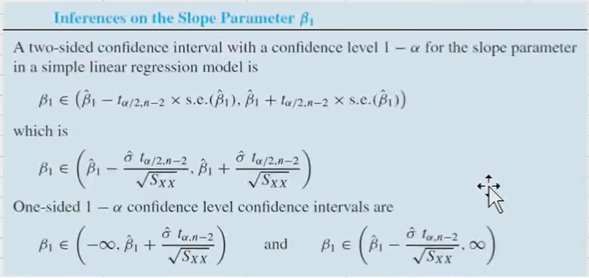
 | (x_i-x_bar)^2
Jan | 0.141
Feb | 1.703
Mar | 0.331
April | 0.031
May | 0.570
June | 0.011
July | 0.164
Aug | 0.893
Sep | 0.034
Oct | 0.526
Nov | 0.000
Dec | 0.469

sum | 4.872 | (S_XX)

s.e. | 0.0784

alpha | 0.01
t_0.005,n-2 | 3.169

lower | 0.251
upper | 0.747

Hypotheisis test for beta_1

null hypothesis: beta_1 = 0
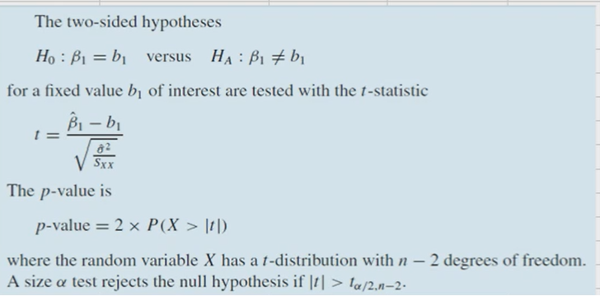
t-statistic | 6.367
p-value | 8.1758991767E-05

ANOVA Table

null hypothesis: beta_1 = 0

beta_1 | 0.499
beta_0 | 0.409
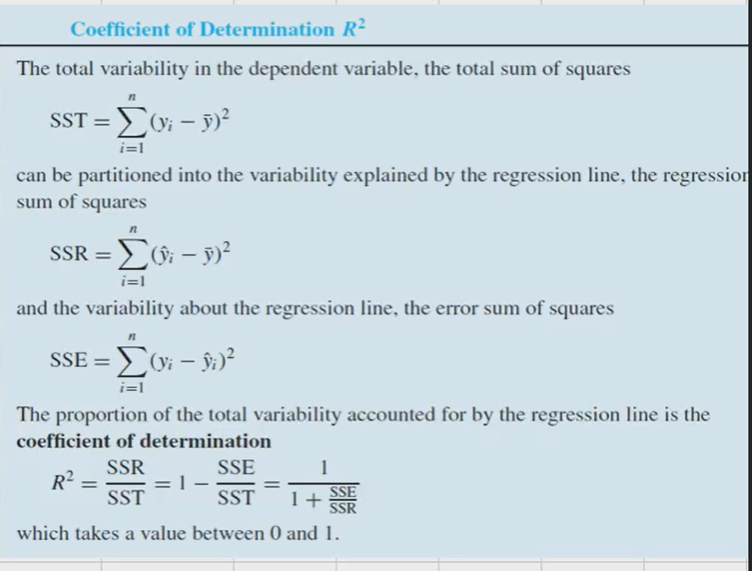
 | x_i | y_i | yhat_i | (yhat_i-ybar)^2 | (y_i-yhat_i)^2
Jan | 4.51 | 2.48 | 2.66 | 0.035 | 0.032
Feb | 3.58 | 2.26 | 2.19 | 0.424 | 0.004
Mar | 4.31 | 2.47 | 2.56 | 0.082 | 0.008
April | 5.06 | 2.77 | 2.93 | 0.008 | 0.027
May | 5.64 | 2.99 | 3.22 | 0.142 | 0.054
June | 4.99 | 3.05 | 2.90 | 0.003 | 0.023
July | 5.29 | 3.18 | 3.05 | 0.041 | 0.017
Aug | 5.83 | 3.46 | 3.32 | 0.222 | 0.020
Sep | 4.7 | 3.03 | 2.75 | 0.009 | 0.076
Oct | 5.61 | 3.26 | 3.21 | 0.131 | 0.003
Nov | 4.9 | 2.67 | 2.85 | 0.000 | 0.034
Dec | 4.2 | 2.53 | 2.50 | 0.117 | 0.001
mean |  | 2.85
sum |  |  |  | 1.212 | 0.299 | SSR/SSE

Source | DF | Sum of squares | Mean squares | F-statisitic | p-value
Regression | 1 | 1.212 | 1.212 | 40.533 | 8.1758991767E-05
Error | 10 | 0.299 | 0.029910999836
Total | 11 | 1.511

R-squared | 0.802

Sample correlation coefficient

 | x_i | y_i | (x_i-xbar) | (y_i-ybar) | (x_i-xbar)(y_i-ybar) | (yhat_i-ybar)^2 | (y_i-yhat_i)^2
Jan | 4.51 | 2.48 | -0.38 | -0.366 | 0.137 | 0.141 | 0.134
Feb | 3.58 | 2.26 | -1.30 | -0.586 | 0.765 | 1.703 | 0.343
Mar | 4.31 | 2.47 | -0.58 | -0.376 | 0.216 | 0.331 | 0.141
April | 5.06 | 2.77 | 0.17 | -0.076 | -0.013 | 0.031 | 0.006
May | 5.64 | 2.99 | 0.75 | 0.144 | 0.109 | 0.570 | 0.021
June | 4.99 | 3.05 | 0.11 | 0.204 | 0.021 | 0.011 | 0.042
July | 5.29 | 3.18 | 0.41 | 0.334 | 0.135 | 0.164 | 0.112
Aug | 5.83 | 3.46 | 0.95 | 0.614 | 0.580 | 0.893 | 0.377
Sep | 4.7 | 3.03 | -0.18 | 0.184 | -0.034 | 0.034 | 0.034
Oct | 5.61 | 3.26 | 0.73 | 0.414 | 0.300 | 0.526 | 0.172
Nov | 4.9 | 2.67 | 0.02 | -0.176 | -0.003 | 0.000 | 0.031
Dec | 4.2 | 2.53 | -0.68 | -0.316 | 0.216 | 0.469 | 0.100
mean | 4.89 | 2.85
sum |  |  |  |  | 2.43 | 4.87 | 1.51
Sq-root |  |  |  |  |  | 2.21 | 1.23

r | 0.895606
r^2 | 0.802109 | R-squared과 같다

