Feuil1
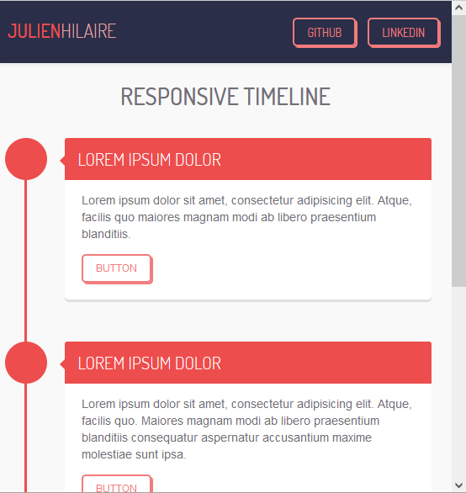

class project-name

id timeline
class timeline-item

class timeline-content

class container

