PI-YSACC-YGZ-2026-05(HDPE)
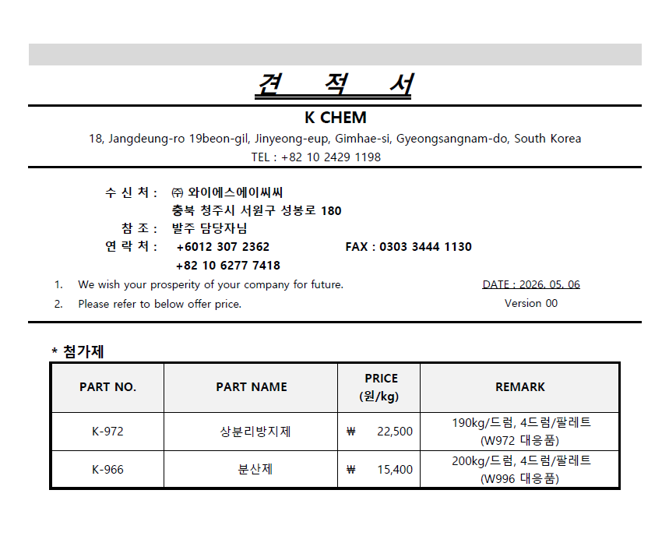
 |  | YSACC CO.,LTD
 |  | 201-1HO, 1251, GAROSU-RO, HEUNGDEOK-GU, |  |  | Date:
 |  | CHEONGJU-SI, CHUNGCHEONGBUK-DO , 28420, KOREA |  |  | Your Ref:
 |  | TEL : +82-70-4141-2927 FAX : +82-303-3444-1130 |  |  | No.:
 |  | TEL : +82-10-7361-1130
 |  | E-mail : jhkim1130@ysacc.co.kr
 |  | Contact Point : Ju Han, Kim

Proforma Invoice
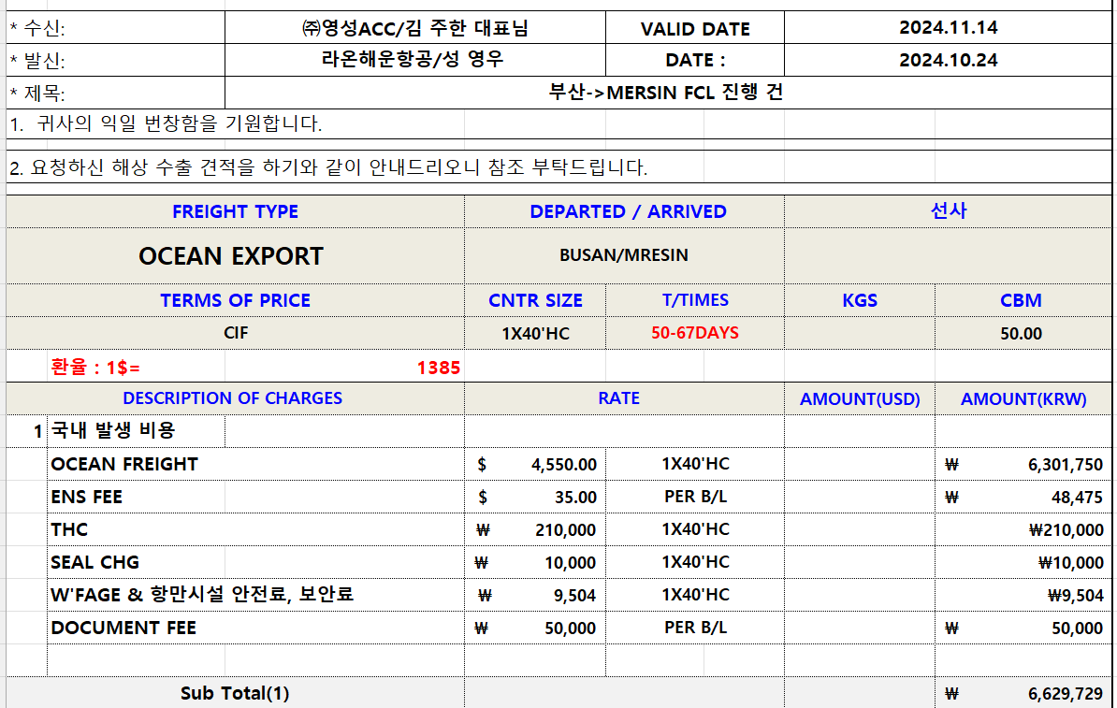
Messers :

Gentlemen, We are very pleased to offer you as Follows;
DEPARTURE PORT : |  |  |  |  | INCOTERMS :
PACKAGING SPEC. : |  |  |  |  | DESTINATION :
VALIDITY : |  |  |  |  | ORIGIN :
 | Payment Term : |  |  |  | DELIVERY TERM

 | Bank Info. : | 1. Bank Name : INDUSTRIAL BANK OF KOREA, SEOUL,KOREA
 |  | 2. Bank Account No. : 143-129260-56-00012
 |  | 3. Bank Address : 50, ULCHIRO 2-GA, CHUNG-GU, SEOUL, 100-758, SOUTH KOREA
 |  | 4. Beneficiary : YSACC Co.,LTD
 |  | 5. Swift Code : IBKOKRSEXXX

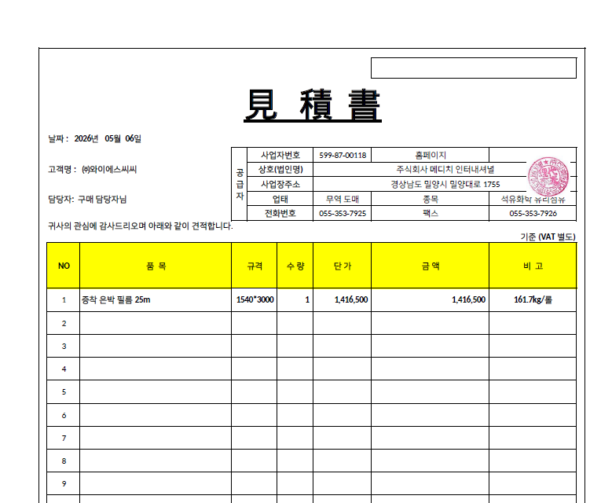
PRODUCT |  | SPEC | PRICE / KG/mtr/qty | Q'ty(KG) | TOTAL AMOUNT | Remark | 매입가 | 환율 | 이익율
1
2
3
4
5
6 |  |  |  |  |  |  | 4,400 | 1,400 | 7% | $2.55
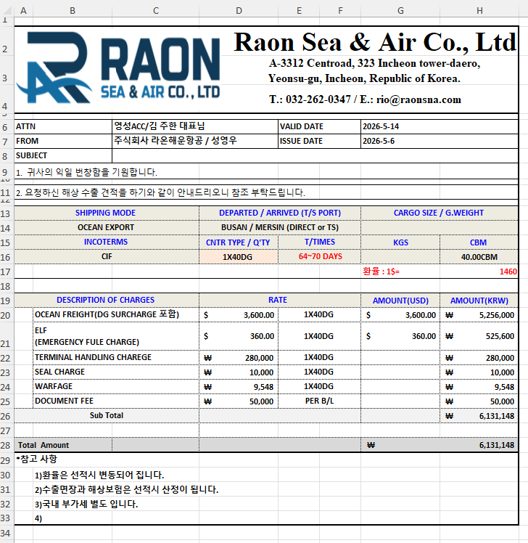
7 |  |  |  |  |  |  | 5,100 | 1,400 | 7% |  | 109N
CIF CHARGES |  |  |  |  |  |  |  | 4,510 |  |  |  | 109F | 4000 | -
TOTAL |  |  |  |  | US$- | #DIV/0! |  | 위험물 검사비 180,000 |  |  |  |  |  | #REF!

 | 1. This is basic price. This can be changed as following your added requests.
 | 2. Shipping cost can be changed every month as following the condition of shipping company.
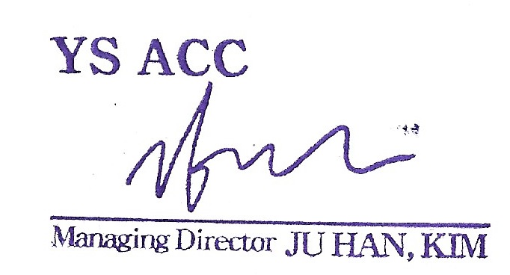

 |  |  |  |  |  | Ju Han Kim
Accepted by : |  |  |  |  |  | Managing Director

