Swap_LSC_template
SWAP Valuation
 | Table 6.3.3.
 | Panel A. Annual, upward sloping forward rates |  |  |  |  | From Discount Curve |  |  |  |  | 30/360 | Act/360
 |  | Evaluation | Start | End | Fixed | Forward | 30/360 | Act/360 | Discount | Simple | Fixed | Float | Current | Floating | Current
 |  | Date | Date | Date | Rate | Rate | Days | Days | Factor | DF | Cashflow | Cashflow | Value | +1 bp | Value +1 bp
 |  | 2020-06-19 | 2020-06-19 | 2021-06-19 | 5.358% | 5.00% | 90 | 92 | 0.9524 | 0.9874 | 53583 | 50000.0 | 3412 | 50100 | 3317
 |  | 2020-06-19 | 2021-06-19 | 2022-06-19 | 5.358% | 5.25% | 90 | 91 | 0.9049 | 0.9745 | 53583 | 52500.0 | 980 | 52600 | 889
 |  | 2020-06-19 | 2022-06-19 | 2023-06-19 | 5.358% | 5.50% | 90 | 90 | 0.8577 | 0.9491 | 53583 | 55000.0 | -1215 | 55100 | -1301
 |  | 2020-06-19 | 2023-06-19 | 2024-06-19 | 5.358% | 5.75% | 90 | 92 | 0.8111 | 0.9000 | 53583 | 57500.0 | -3177 | 57600 | -3258
 |  |  |  |  |  |  |  |  |  |  |  | MV of swap | 0 |  | -353
 |  |  |  |  |  |  |  |  |  |  |  | Value of an 1bp | -353

 |  | Treasury constant maturities (CMT rates)
 |  | 1-month | 5.51
 |  | 3-month | 5.47
 |  | 6-month | 5.36
 |  | 1-year | 4.99
 |  | 2-year | 4.59
 |  | 3-year | 4.38
 |  | 5-year | 4.20
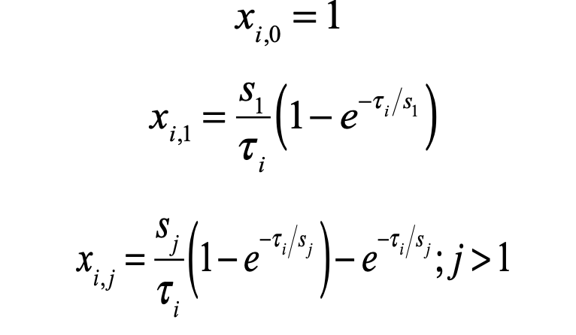
 |  | 7-year | 4.21
 |  | 10-year | 4.21
 |  | 20-year | 4.46
 |  | 30-year | 4.36

 | LSC Estimation of Discount Rates
 |  | LSC factor
 |  | Scalar (s) | 2
 |  |  | CMT rate | Year | X1 | X2 | X3
 |  | 1-month | 5.51% | 0.083 | 1 | 0.979 | 0.020
 |  | 3-month | 5.47% | 0.25 | 1 | 0.940 | 0.058
 |  | 6-month | 5.36% | 0.5 | 1 | 0.885 | 0.106
 |  | 1-year | 4.99% | 1 | 1 | 0.787 | 0.180
 |  | 2-year | 4.59% | 2 | 1 | 0.632 | 0.264
 |  | 3-year | 4.38% | 3 | 1 | 0.518 | 0.295
 |  | 5-year | 4.20% | 5 | 1 | 0.367 | 0.285
 |  | 7-year | 4.21% | 7 | 1 | 0.277 | 0.247
 |  | 10-year | 4.21% | 10 | 1 | 0.199 | 0.192
 |  | 20-year | 4.46% | 20 | 1 | 0.100 | 0.100
 |  | 30-year | 4.36% | 30 | 1 | 0.067 | 0.067

 |  | Regression coefficients
 |  |  | Coefficients
 |  | X1 | 0.045
 |  | X2 | 0.012
 |  | X3 | -0.024

 |  | LSC implied rates
 |  |  | CMT rate | Year | X1 | X2 | X3 | LSC rate | Forward rate | Discount F. | weight
 |  | 1-month | 5.51% | 0.083 | 1 | 0.979 | 0.020
 |  | 3-month | 5.47% | 0.25 | 1 | 0.940 | 0.058
 |  | 6-month | 5.36% | 0.5 | 1 | 0.885 | 0.106
 |  | 1-year | 4.99% | 1 | 1 | 0.787 | 0.180
 |  | 2-year | 4.59% | 2 | 1 | 0.632 | 0.264
 |  | 3-year | 4.38% | 3 | 1 | 0.518 | 0.295
 |  | 4-year |  | 4 | 1 | 0.432 | 0.297
 |  | 5-year | 4.20% | 5 | 1 | 0.367 | 0.285
 |  | 6-year |  | 6 | 1 | 0.317 | 0.267
 |  | 7-year | 4.21% | 7 | 1 | 0.277 | 0.247
 |  | 8-year |  | 8 | 1 | 0.245 | 0.227
 |  | 9-year |  | 9 | 1 | 0.220 | 0.209
 |  | 10-year | 4.21% | 10 | 1 | 0.199 | 0.192
 |  | 20-year | 4.46% | 20 | 1 | 0.100 | 0.100
 |  | 30-year | 4.36% | 30 | 1 | 0.067 | 0.067

 | SWAP Valuation
 |  | Year of payment | Notional Amount | LSC rate | Forward rate | Discount F. | Weight (w) | w*Forward rate |  | Fixed CF | Float CF | PV(Difference)
 |  | 1 | $1.0
 |  | 2 | $1.0
 |  | 3 | $1.0
 |  | 4 | $1.0
 |  |  |  |  |  | 0.000 | 0.000
 |  |  |  |  |  |  | Fixed Rate |  |  |  | Value of Swap

