Executive Summary
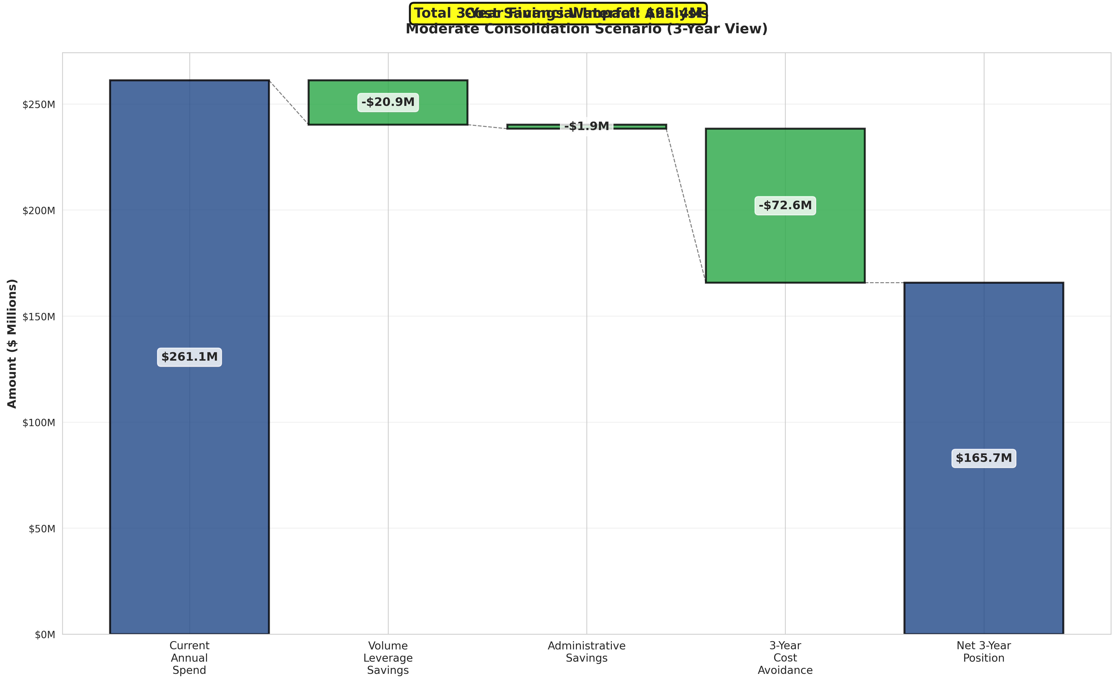
CITY OF CHICAGO
Vendor Consolidation & Strategic Sourcing Analysis
Landscaping Services - Report Date: January 27, 2026

KEY FINDINGS

• Current State: 84 vendors managing $261,121,754 across 176 contracts
• Top 5 vendors control 62.9% of total spend
• 64 small vendors (<1% each) represent consolidation opportunity
• Moderate consolidation scenario projects $22,789,740 annual savings
• 3-year strategic sourcing could avoid $72,641,754 in inflation costs
• Total 3-year financial benefit: $141,010,975

CONSOLIDATION SCENARIOS - ANNUAL SAVINGS
Scenario | Target Vendors | Reduction % | Volume Savings | Admin Savings | Total Annual Savings
Conservative | 62 | 26% | $10,444,870 | $1,100,000 | $11,544,870
Moderate | 46 | 45% | $20,889,740 | $1,900,000 | $22,789,740
Aggressive | 29 | 65% | $33,945,828 | $2,750,000 | $36,695,828

RECOMMENDATION
Implement MODERATE SCENARIO: Consolidate to 46 vendors for $22,789,740 annual savings

Consolidation Scenarios
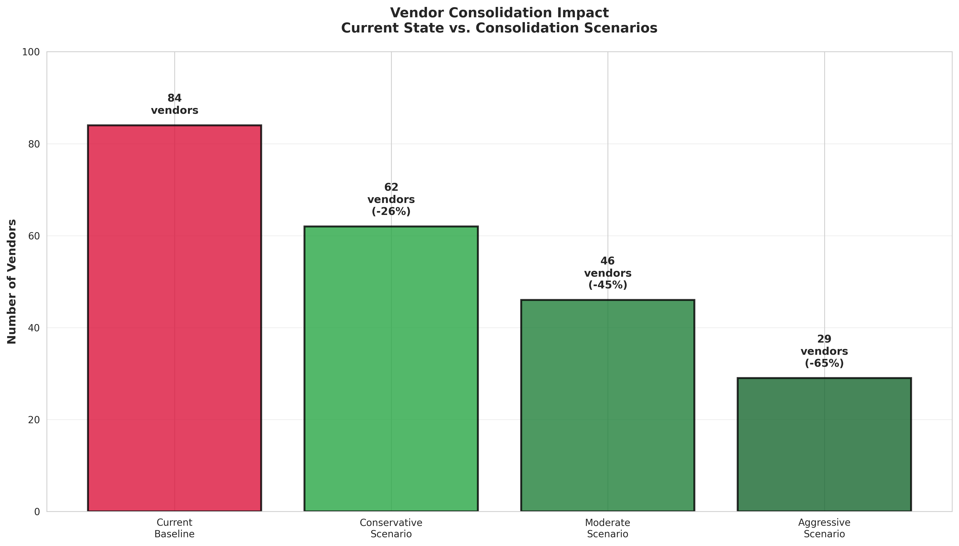
CONSOLIDATION SCENARIOS - DETAILED COMPARISON

Scenario | Current Vendors | Target Vendors | Vendors Eliminated | Reduction % | Volume Savings | Admin Savings | Total Annual Savings
Conservative | 84 | 62 | 22 | 26% | $10,444,870 | $1,100,000 | $11,544,870
Moderate | 84 | 46 | 38 | 45% | $20,889,740 | $1,900,000 | $22,789,740
Aggressive | 84 | 29 | 55 | 65% | $33,945,828 | $2,750,000 | $36,695,828

Cost Avoidance Analysis
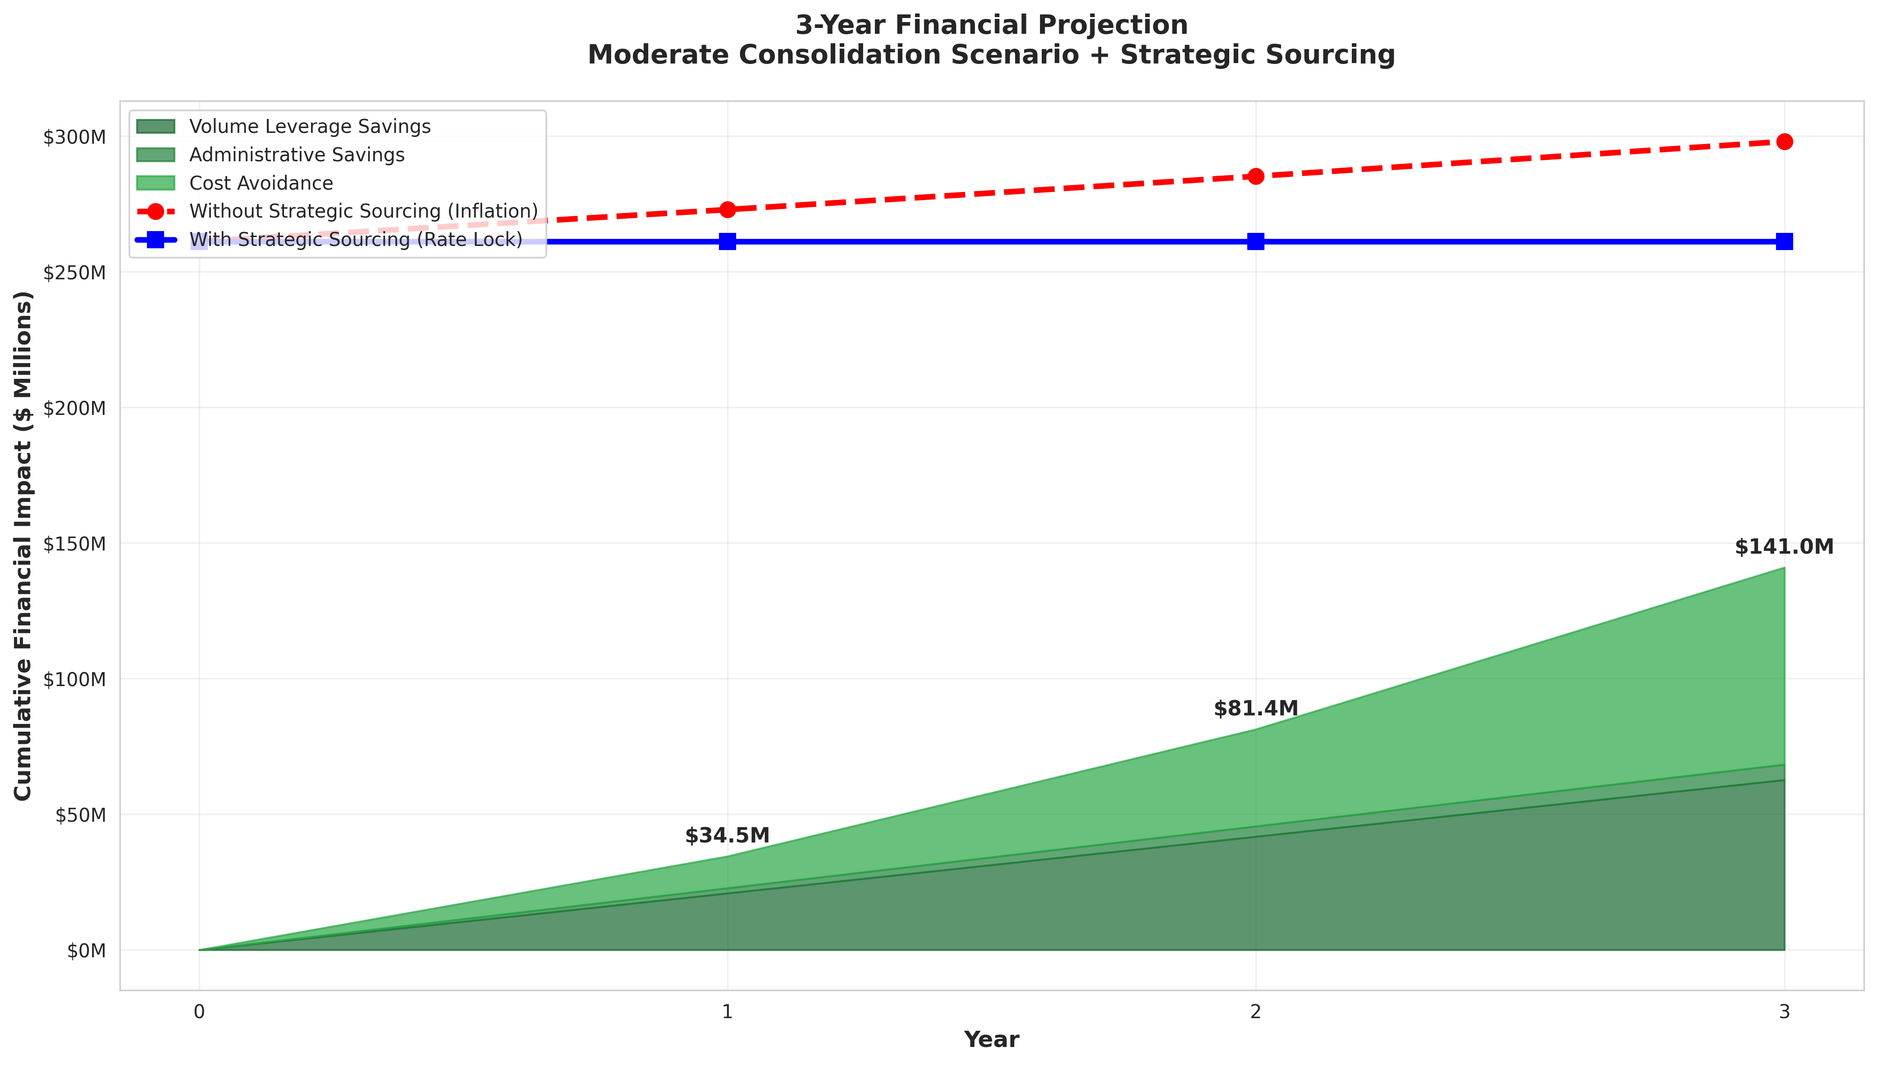
3-YEAR COST AVOIDANCE THROUGH STRATEGIC SOURCING

Inflation Rate: 4.5% annually (BLS Landscaping Services CPI)

Year | Without Strategic Sourcing | With Strategic Sourcing (Rate Lock) | Annual Cost Avoidance | Cumulative Cost Avoidance
Year 1.0 | $272,872,233 | $261,121,754 | $11,750,479 | $11,750,479
Year 2.0 | $285,151,483 | $261,121,754 | $24,029,729 | $35,780,208
Year 3.0 | $297,983,300 | $261,121,754 | $36,861,546 | $72,641,754
TOTAL 3-YEAR AVOIDANCE |  |  |  | $72,641,754

Service Category Analysis
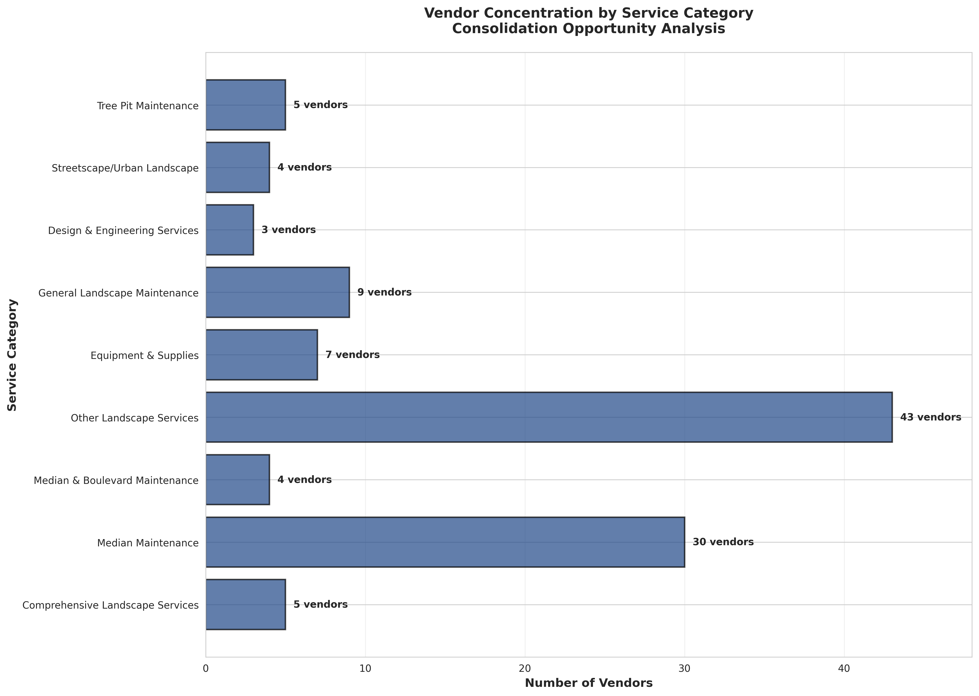
SERVICE CATEGORY ANALYSIS

Service Category | Total Spend | % of Total | Vendor Count | Contract Count | Avg Contract Size
Comprehensive Landscape Services | $84,758,231 | 32.46% | 5 | 17 | $4,985,778
Median Maintenance | $76,165,174 | 29.17% | 30 | 51 | $1,493,435
Median & Boulevard Maintenance | $50,011,100 | 19.15% | 4 | 8 | $6,251,387
Other Landscape Services | $28,358,795 | 10.86% | 43 | 63 | $450,140
Equipment & Supplies | $5,753,628 | 2.20% | 7 | 9 | $639,292
General Landscape Maintenance | $5,681,973 | 2.18% | 9 | 16 | $355,123
Design & Engineering Services | $5,401,879 | 2.07% | 3 | 3 | $1,800,626
Streetscape/Urban Landscape | $2,582,917 | 0.99% | 4 | 4 | $645,729
Tree Pit Maintenance | $2,408,057 | 0.92% | 5 | 5 | $481,611

Vendor Performance Matrix
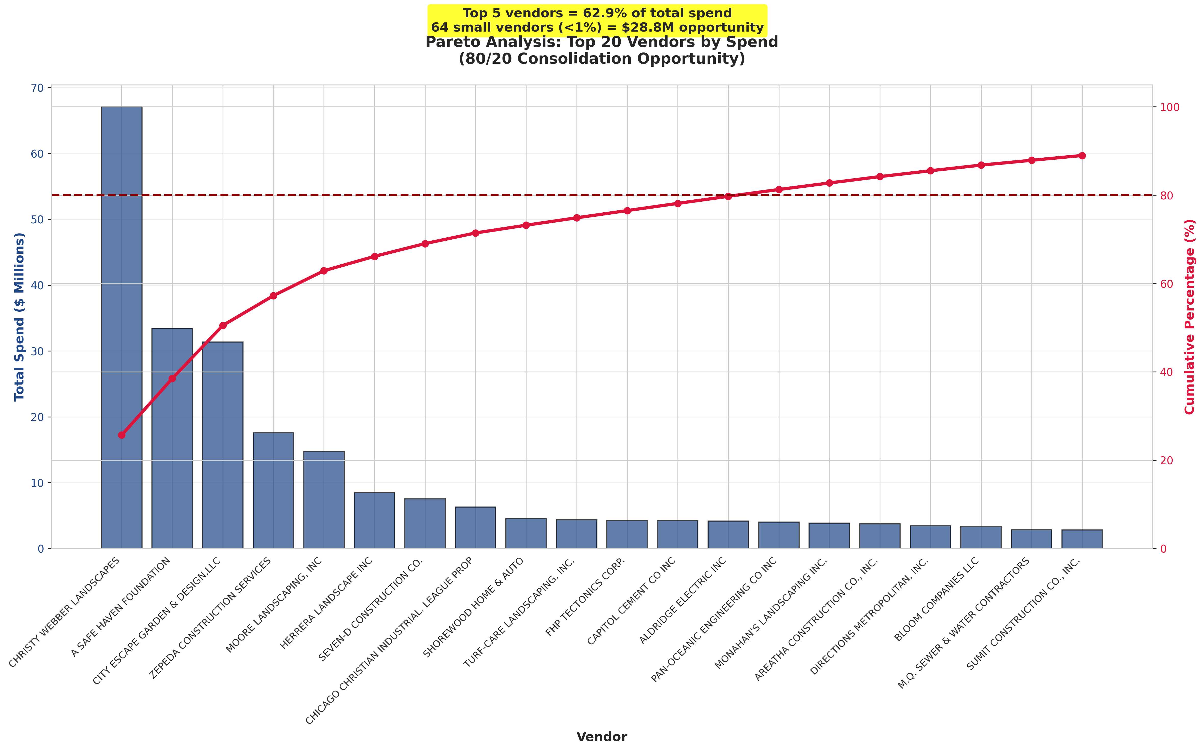
TOP 20 VENDORS BY SPEND

Rank | Vendor Name | Total Spend | % of Total | Cumulative % | Contract Count | Service Categories
1 | CHRISTY WEBBER LANDSCAPES | $67,084,298 | 25.69% | 25.69% | 21 | 5
2 | A SAFE HAVEN FOUNDATION | $33,437,932 | 12.81% | 38.50% | 6 | 3
3 | CITY ESCAPE GARDEN & DESIGN,LLC | $31,347,321 | 12.00% | 50.50% | 7 | 4
4 | ZEPEDA CONSTRUCTION SERVICES | $17,605,075 | 6.74% | 57.24% | 15 | 3
5 | MOORE LANDSCAPING, INC | $14,739,621 | 5.64% | 62.89% | 10 | 3
6 | HERRERA LANDSCAPE INC | $8,510,047 | 3.26% | 66.15% | 1 | 1
7 | SEVEN-D CONSTRUCTION CO. | $7,544,466 | 2.89% | 69.04% | 4 | 1
8 | CHICAGO CHRISTIAN INDUSTRIAL. LEAGUE PROP | $6,289,641 | 2.41% | 71.44% | 6 | 3
9 | SHOREWOOD HOME & AUTO | $4,578,753 | 1.75% | 73.20% | 2 | 1
10 | TURF-CARE LANDSCAPING, INC. | $4,382,400 | 1.68% | 74.88% | 2 | 2
11 | FHP TECTONICS CORP. | $4,263,000 | 1.63% | 76.51% | 1 | 1
12 | CAPITOL CEMENT CO INC | $4,250,479 | 1.63% | 78.14% | 2 | 2
13 | ALDRIDGE ELECTRIC INC | $4,192,121 | 1.61% | 79.74% | 1 | 1
14 | PAN-OCEANIC ENGINEERING CO INC | $4,011,310 | 1.54% | 81.28% | 2 | 2
15 | MONAHAN'S LANDSCAPING INC. | $3,872,484 | 1.48% | 82.76% | 4 | 2
16 | AREATHA CONSTRUCTION CO., INC. | $3,768,120 | 1.44% | 84.20% | 2 | 1
17 | DIRECTIONS METROPOLITAN, INC. | $3,461,955 | 1.33% | 85.53% | 2 | 2
18 | BLOOM COMPANIES LLC | $3,327,017 | 1.27% | 86.80% | 1 | 1
19 | M.Q. SEWER & WATER CONTRACTORS | $2,851,751 | 1.09% | 87.90% | 2 | 1
20 | SUMIT CONSTRUCTION CO., INC. | $2,831,632 | 1.08% | 88.98% | 2 | 1

