Look Ups
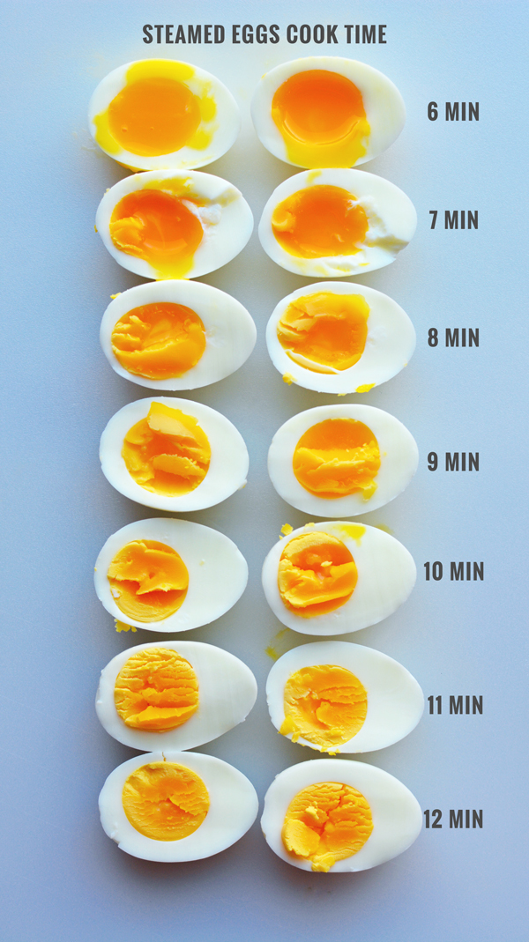
Cook State

Use this graphic to determine the 'additional cook time'.
The cook time calculation will 'arrive' at a state of 'cooked white, liquid yolk'.
Add additional minutes as required.

