Sheet1
index | Smi_A | A | Smi_B |  | Smiles
22 | C1CCC2(CCCC3(C1)CC(=O)OC(=O)C3)CC(=O)OC(=O)C2 | 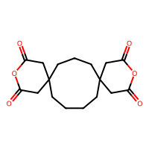 | C1CCC(CC1)C(C2CCC(C2)C3CCC(C3)C(C4CCCC4)N)N | 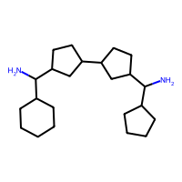 | *C(C1CCCCC1)C1CCC(C2CCC(C(C3CCCC3)N3C(=O)CC4(CCCCC5(CCC4)CC(=O)N(*)C(=O)C5)CC3=O)C2)C1
37 | C1CCCC(CCC1)C23CCC4CC(C(C2)C(=O)OC3=O)C(=O)OC4=O | 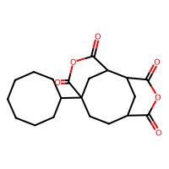 | C1CCC(CC1)C(N)N(C2CCCCC2)C(C3CCCCC3)N | 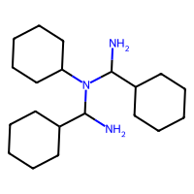 | *C(C1CCCCC1)N(C1CCCCC1)C(C1CCCCC1)N1C(=O)C2CC(C3CCCCCCC3)(CCC3CC2C(=O)N(*)C3=O)C1=O
45 | C1CCC2(CCCC3(C1)CC(=O)OC(=O)C3)CC(=O)OC(=O)C2 |  | C1CCC(CC1)C(N)N(C2CCCCC2)C(C3CCCCC3)N |  | *C(C1CCCCC1)N(C1CCCCC1)C(C1CCCCC1)N1C(=O)CC2(CCCCC3(CCC2)CC(=O)N(*)C(=O)C3)CC1=O
54 | CC(=O)OC(=O)C1CCCCC2CC(C1)C(=O)OC2=O | 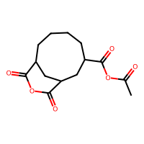 | CC(C)[C@@H](C(=O)C1(CCCCC1)C(=O)C2(CCCCC2)C(=O)[C@H](C(C)C)N)N | 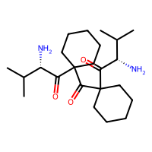 | *[C@H](C(=O)C1(C(=O)C2(C(=O)[C@H](C(C)C)N(C(C)=O)C(=O)C3CCCCC4CC(C3)C(=O)N(*)C4=O)CCCCC2)CCCCC1)C(C)C
56 | C1CCCC(CCC1)C23CCC4CC(C(C2)C(=O)OC3=O)C(=O)OC4=O |  | CC(C)[C@@H](C(=O)C1(CCCCC1)C(=O)C2(CCCCC2)C(=O)[C@H](C(C)C)N)N |  | *[C@H](C(=O)C1(C(=O)C2(C(=O)[C@H](C(C)C)N3C(=O)C4CC(C5CCCCCCC5)(CCC5CC4C(=O)N(*)C5=O)C3=O)CCCCC2)CCCCC1)C(C)C
64 | CC(=O)OC(=O)C1CCCCC2CC(CC1)C(=O)OC2=O | 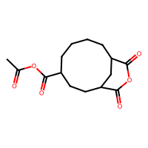 | CC(C)[C@@H](C(=O)C1(CCCCC1)C(=O)C2(CCCCC2)C(=O)[C@H](C(C)C)N)N |  | *[C@H](C(=O)C1(C(=O)C2(C(=O)[C@H](C(C)C)N(C(C)=O)C(=O)C3CCCCC4CC(CC3)C(=O)N(*)C4=O)CCCCC2)CCCCC1)C(C)C
65 | CC(=O)OC(=O)C1CCCC2CC(CC1)C(=O)OC2=O | 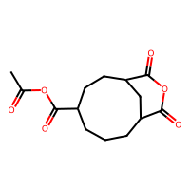 | CC(C)[C@@H](C(=O)C1(CCCCC1)C(=O)C2(CCCCC2)C(=O)[C@H](C(C)C)N)N |  | *[C@H](C(=O)C1(C(=O)C2(C(=O)[C@H](C(C)C)N(C(C)=O)C(=O)C3CCCC4CC(CC3)C(=O)N(*)C4=O)CCCCC2)CCCCC1)C(C)C
68 | CC1(CCCCCC1)C2(CC3C(CC4C2C(=O)OC4=O)C(=O)OC3=O)C | 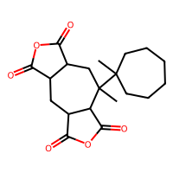 | CC(C)[C@@H](C(=O)C1(CCCCC1)C(=O)C2(CCCCC2)C(=O)[C@H](C(C)C)N)N |  | *[C@H](C(=O)C1(C(=O)C2(C(=O)[C@H](C(C)C)N3C(=O)C4CC5C(=O)N(*)C(=O)C5C(C)(C5(C)CCCCCC5)CC4C3=O)CCCCC2)CCCCC1)C(C)C
70 | CC(=O)OC(=O)C1CCCCCC2CC(C1)C(=O)OC2=O | 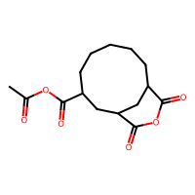 | CC(C)[C@@H](C(=O)C1(CCCCC1)C(=O)C2(CCCCC2)C(=O)[C@H](C(C)C)N)N |  | *[C@H](C(=O)C1(C(=O)C2(C(=O)[C@H](C(C)C)N(C(C)=O)C(=O)C3CCCCCC4CC(C3)C(=O)N(*)C4=O)CCCCC2)CCCCC1)C(C)C
71 | C1CCC2(CCCC3(C1)CC(=O)OC(=O)C3)CC(=O)OC(=O)C2 |  | CC(C)[C@@H](C(=O)C1(CCCCC1)C(=O)C2(CCCCC2)C(=O)[C@H](C(C)C)N)N |  | *[C@H](C(=O)C1(C(=O)C2(C(=O)[C@H](C(C)C)N3C(=O)CC4(CCCCC5(CCC4)CC(=O)N(*)C(=O)C5)CC3=O)CCCCC2)CCCCC1)C(C)C
79 | C1CCCC(CCC1)C23CCC4CC(C(C2)C(=O)OC3=O)C(=O)OC4=O |  | CC(C)[C@@H](C(=O)C1(CCCC1)C(=O)C2(CCCC2)C(=O)[C@H](C(C)C)N)N | 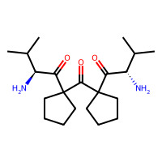 | *[C@H](C(=O)C1(C(=O)C2(C(=O)[C@H](C(C)C)N3C(=O)C4CC(C5CCCCCCC5)(CCC5CC4C(=O)N(*)C5=O)C3=O)CCCC2)CCCC1)C(C)C
120 | C1CCC2(CCCC3(C1)CC(=O)OC(=O)C3)CC(=O)OC(=O)C2 |  | C1CCCC(CCC1)C(C(C2CCCCCCC2)N)N | 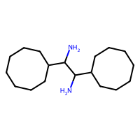 | *C(C1CCCCCCC1)C(C1CCCCCCC1)N1C(=O)CC2(CCCCC3(CCC2)CC(=O)N(*)C(=O)C3)CC1=O
128 | CC12CCC3(CC(CC(C1)(C(=O)OC2=O)C)(C(=O)OC3=O)C)C | 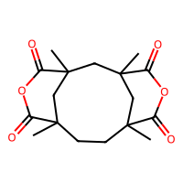 | C1CCCC(CC1)C(C2CCC3=C(C2)CC(CC3)C(C4CCCCC4)N)N | 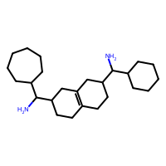 | *C(C1CCCCCC1)C1CCC2=C(C1)CC(C(C1CCCCC1)N1C(=O)C3(C)CCC4(C)CC(C)(CC(C)(C3)C1=O)C(=O)N(*)C4=O)CC2
132 | C1CCCC(CCC1)C2CCC3C(CC4C2C(=O)OC4=O)C(=O)OC3=O | 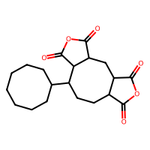 | C1CCCC(CC1)C(C2CCC3=C(C2)CC(CC3)C(C4CCCCC4)N)N |  | *C(C1CCCCCC1)C1CCC2=C(C1)CC(C(C1CCCCC1)N1C(=O)C3CCC(C4CCCCCCC4)C4C(=O)N(*)C(=O)C4CC3C1=O)CC2
136 | CC(=O)OC(=O)C1CCCCC2CC(C1)C(=O)OC2=O |  | C1CCCC(CC1)C(C2CCC3=C(C2)CC(CC3)C(C4CCCCC4)N)N |  | *C(C1CCCCCC1)C1CCC2=C(C1)CC(C(C1CCCCC1)N(C(C)=O)C(=O)C1CCCCC3CC(C1)C(=O)N(*)C3=O)CC2
138 | C1CCC23C(=O)OC(=O)C24CCCCC45C3(C1)C(=O)OC5=O | 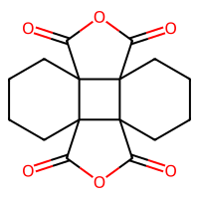 | C1CCCC(CC1)C(C2CCC3=C(C2)CC(CC3)C(C4CCCCC4)N)N |  | *C(C1CCCCCC1)C1CCC2=C(C1)CC(C(C1CCCCC1)N1C(=O)C34CCCCC35C(=O)N(*)C(=O)C53CCCCC34C1=O)CC2
141 | C1CCCC(CCC1)C23CCC4CC(C(C2)C(=O)OC3=O)C(=O)OC4=O |  | C1CCCC(CC1)C(C2CCC3=C(C2)CC(CC3)C(C4CCCCC4)N)N |  | *C(C1CCCCCC1)C1CCC2=C(C1)CC(C(C1CCCCC1)N1C(=O)C3CC(C4CCCCCCC4)(CCC4CC3C(=O)N(*)C4=O)C1=O)CC2
151 | CC(=O)OC(=O)C1CCCCC2CC(CC1)C(=O)OC2=O |  | C1CCCC(CC1)C(C2CCC3=C(C2)CC(CC3)C(C4CCCCC4)N)N |  | *C(C1CCCCCC1)C1CCC2=C(C1)CC(C(C1CCCCC1)N(C(C)=O)C(=O)C1CCCCC3CC(CC1)C(=O)N(*)C3=O)CC2
153 | CC(=O)OC(=O)C1CCCC2CC(CC1)C(=O)OC2=O |  | C1CCCC(CC1)C(C2CCC3=C(C2)CC(CC3)C(C4CCCCC4)N)N |  | *C(C1CCCCCC1)C1CCC2=C(C1)CC(C(C1CCCCC1)N(C(C)=O)C(=O)C1CCCC3CC(CC1)C(=O)N(*)C3=O)CC2
155 | CC1(CCCCCC1)C2(CC3C(CC4C2C(=O)OC4=O)C(=O)OC3=O)C |  | C1CCCC(CC1)C(C2CCC3=C(C2)CC(CC3)C(C4CCCCC4)N)N |  | *C(C1CCCCCC1)C1CCC2=C(C1)CC(C(C1CCCCC1)N1C(=O)C3CC4C(=O)N(*)C(=O)C4C(C)(C4(C)CCCCCC4)CC3C1=O)CC2
157 | CC(=O)OC(=O)C1CCCCCC2CC(C1)C(=O)OC2=O |  | C1CCCC(CC1)C(C2CCC3=C(C2)CC(CC3)C(C4CCCCC4)N)N |  | *C(C1CCCCCC1)C1CCC2=C(C1)CC(C(C1CCCCC1)N(C(C)=O)C(=O)C1CCCCCC3CC(C1)C(=O)N(*)C3=O)CC2
159 | C1CCC2(CCCC3(C1)CC(=O)OC(=O)C3)CC(=O)OC(=O)C2 |  | C1CCCC(CC1)C(C2CCC3=C(C2)CC(CC3)C(C4CCCCC4)N)N |  | *C(C1CCCCCC1)C1CCC2=C(C1)CC(C(C1CCCCC1)N1C(=O)CC3(CCCCC4(CCC3)CC(=O)N(*)C(=O)C4)CC1=O)CC2
179 | C1CCCC(CCC1)C2CCC3C(CC4C2C(=O)OC4=O)C(=O)OC3=O |  | CC(C(C1CC(NC(C1)(C)C)(C)C)(C2CC(NC(C2)(C)C)(C)C)N)N | 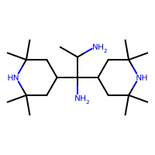 | *C(C)C(C1CC(C)(C)NC(C)(C)C1)(C1CC(C)(C)NC(C)(C)C1)N1C(=O)C2CCC(C3CCCCCCC3)C3C(=O)N(*)C(=O)C3CC2C1=O
180 | C1CC2C(CC1S(=O)(=O)C3CCC4C(C3)C(=O)OC4=O)C(=O)OC2=O | 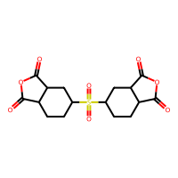 | CC(C(C1CC(NC(C1)(C)C)(C)C)(C2CC(NC(C2)(C)C)(C)C)N)N |  | *C(C)C(C1CC(C)(C)NC(C)(C)C1)(C1CC(C)(C)NC(C)(C)C1)N1C(=O)C2CCC(S(=O)(=O)C3CCC4C(=O)N(*)C(=O)C4C3)CC2C1=O
182 | C1CCCC(CCC1)C23CCC4CC(C(C2)C(=O)OC3=O)C(=O)OC4=O |  | CC(C(C1CC(NC(C1)(C)C)(C)C)(C2CC(NC(C2)(C)C)(C)C)N)N |  | *C(C)C(C1CC(C)(C)NC(C)(C)C1)(C1CC(C)(C)NC(C)(C)C1)N1C(=O)C2CC(C3CCCCCCC3)(CCC3CC2C(=O)N(*)C3=O)C1=O
191 | C1CC2(CC1C3C2C(=O)OC3=O)S(=O)(=O)C45CCC(C4)C6C5C(=O)OC6=O | 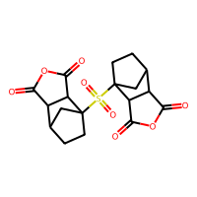 | CC(C(C1CC(NC(C1)(C)C)(C)C)(C2CC(NC(C2)(C)C)(C)C)N)N |  | *C(C)C(C1CC(C)(C)NC(C)(C)C1)(C1CC(C)(C)NC(C)(C)C1)N1C(=O)C2C3CCC(S(=O)(=O)C45CCC(C4)C4C(=O)N(*)C(=O)C45)(C3)C2C1=O
192 | CC1(CCCCCC1)C2(CC3C(CC4C2C(=O)OC4=O)C(=O)OC3=O)C |  | CC(C(C1CC(NC(C1)(C)C)(C)C)(C2CC(NC(C2)(C)C)(C)C)N)N |  | *C(C)C(C1CC(C)(C)NC(C)(C)C1)(C1CC(C)(C)NC(C)(C)C1)N1C(=O)C2CC3C(=O)N(*)C(=O)C3C(C)(C3(C)CCCCCC3)CC2C1=O
194 | C1CC(CC2[C@H]1C(=O)OC2=O)S(=O)(=O)C3CCC4C(C3)C(=O)OC4=O | 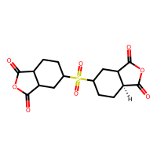 | CC(C(C1CC(NC(C1)(C)C)(C)C)(C2CC(NC(C2)(C)C)(C)C)N)N |  | *C(C)C(C1CC(C)(C)NC(C)(C)C1)(C1CC(C)(C)NC(C)(C)C1)N1C(=O)C2CC(S(=O)(=O)C3CCC4C(=O)N(*)C(=O)C4C3)CC[C@@H]2C1=O

