配置ODBC
一、配置postgresql ODBC
1.1、安装psqlodbc驱动
驱动下载地址: | https://odbc.postgresql.org/
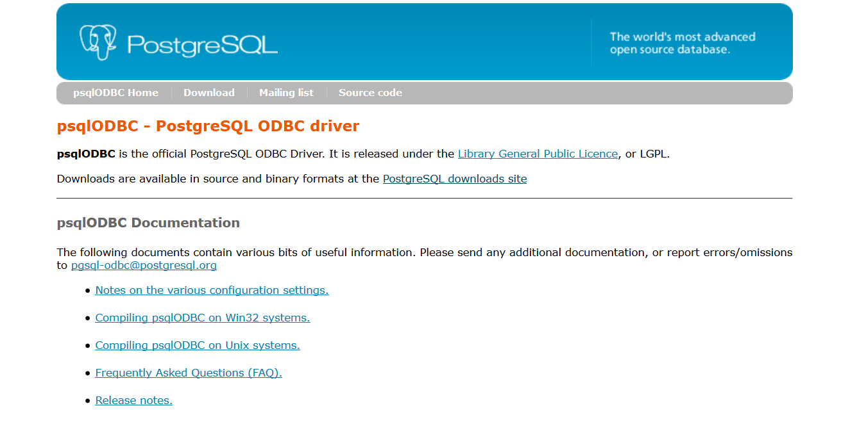

1.2、配置ODBC
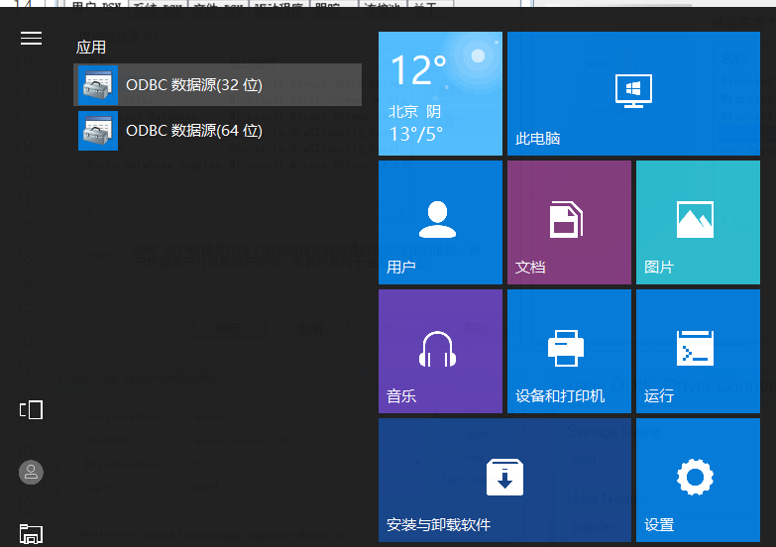

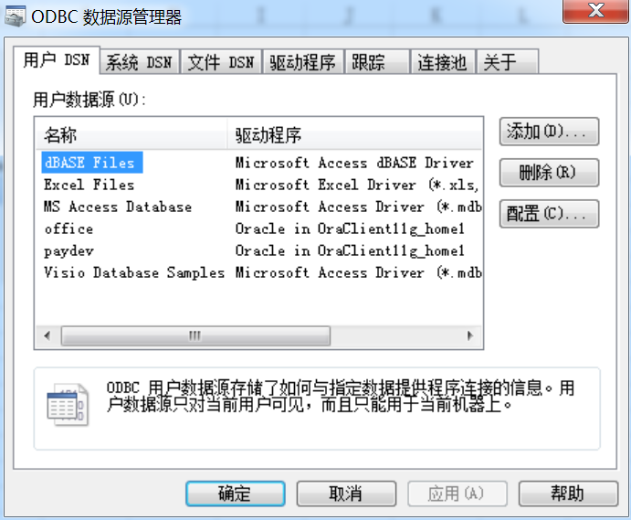
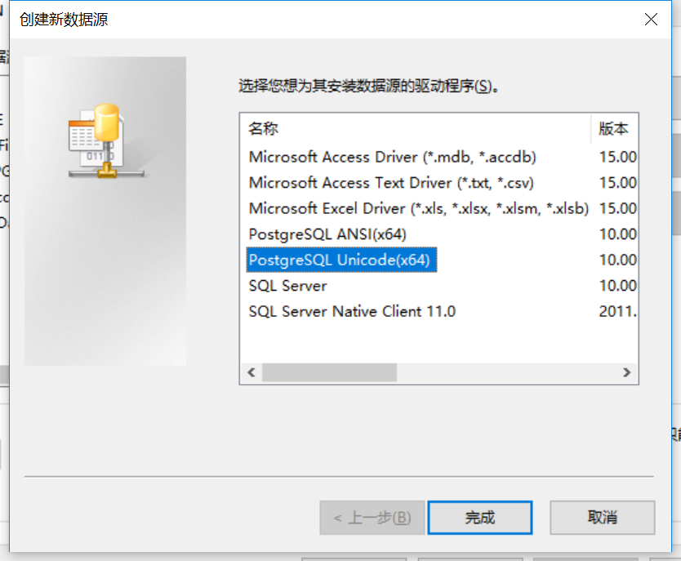

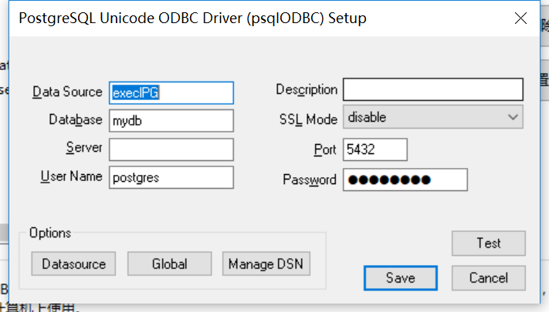
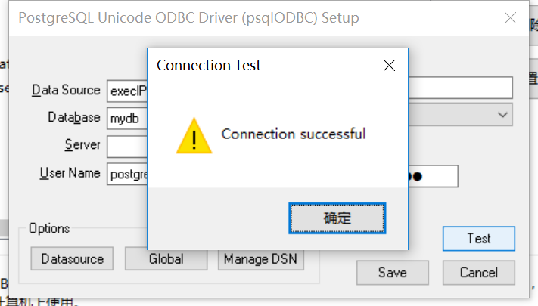

1.3、将配置好的ODBC填写在“db_config”页面

使用说明
一、功能选择

如上图所示，点击某个页面（sheet），如果有相应的功能可以使用，则出现“加载项”，点击加载项，看到可以操作的功能。
二、功能介绍

1、读入所有表的列
将db_config页面所定义的数据库用户所属的所有表的列定义读入到当前页面（TableStruct）
2、生成数据字典
将TableStruct页面的列去掉重复的，生成数据字典，存放在DataDict页面
3、修改同名列注释
修改当前表列的注释（包括中文名称和备注），该命令将以下与当前表列相同名称的各表中同名列的注释都予以修改。
4、修改同表列注释
使用该功能前，先将TableStruct的数据按“英文表名”排序，逐行修改某个表的列注释后，执行该命令。
5、修改表注释
选中某个表名，修改表注释（中文表名和说明），执行该命令。
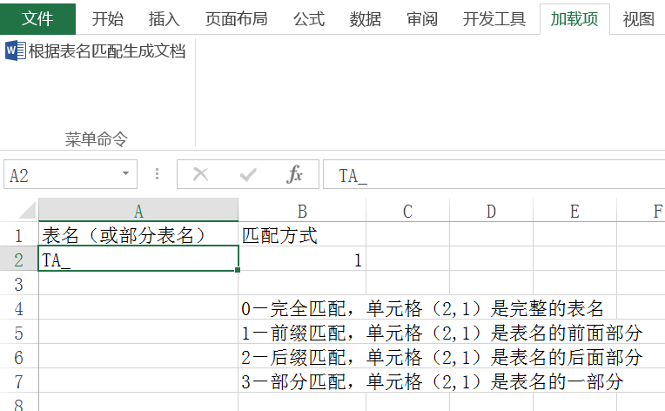
1、表名匹配生成文档
功能说明：该功能根据指定的完整或部分表名，生成设计文档（WORD）
在“table_match”填写表名或部分表名
在“doc_struct”填写文档的完整路径，设置表名所用的标题级别
在“加载项”点击相应的按钮
2、表名列表生成文档
功能说明：该功能根据表名列表，生成设计文档
在“table_list”填写表名列表：第一列是表的分类，第二列是表名
在“doc_struct”填写文档的完整路径，设置表名所用的标题级别
在“加载项”点击相应的按钮
注意：表名、列名和注释中不能出现“'”，否则生成的SQL语句执行时会出错。

