Module 1 - Solver
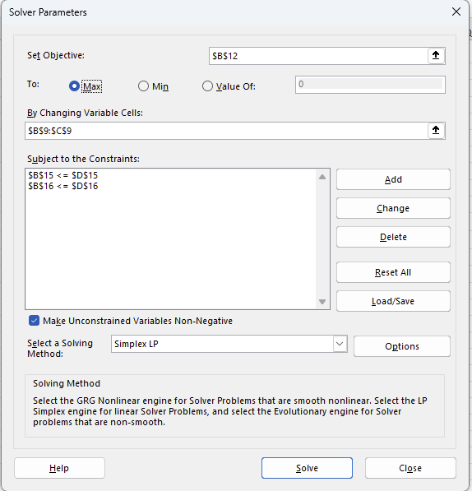
Tutorial 1: Solver Practice

Parameters | Alpha | Beta | Total
Profit per Unit | $40.00 | $50.00
Labor Hrs/Unit | 1 | 2
Machine Hrs/Unit | 3 | 2

Decision Variables
Units Produced | 40 | 0

Objective
Total Profit | $1,600.00

Constraints | Used |  | Available
Labor Hours | 40 | <= | 40
Machine Hours | 120 | <= | 120

