Logistics_Solver_Practice
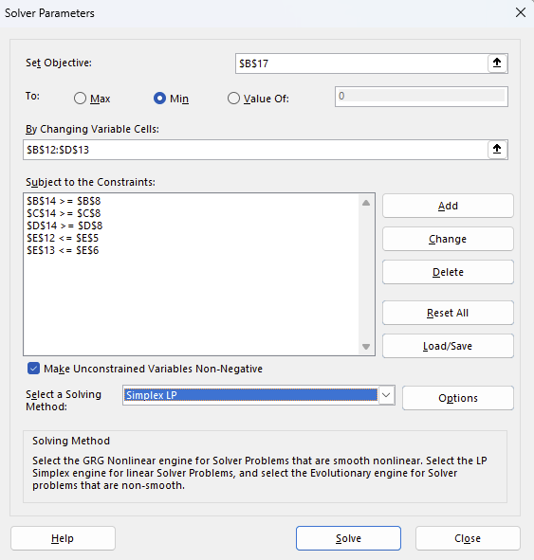
PROBLEM 1: LOGISTICS OPTIMIZATION
Minimize shipping costs from Warehouses to Clients

SHIPPING COSTS (Per Unit) | Boston | Chicago | Miami | SUPPLY
NY Warehouse | 5 | 8 | 12 | 100
LA Warehouse | 15 | 10 | 6 | 100

DEMAND | 40 | 80 | 50

--- DECISION VARIABLES (Shipments) ---
Shipments | Boston | Chicago | Miami | Total Shipped | Constraint
NY Warehouse | 40 | 60 | 0 | 100 | <= 100
LA Warehouse | 0 | 20 | 50 | 70 | <= 100
Total Received | 40 | 80 | 50
Constraint | >= 40 | >= 80 | >= 50

TOTAL COST | 1180
Instructions: | Use Solver to find optimal shipments (B12:D13) to minimize Total Cost.

 | Objective
 | Decision Vars
 | Constraints

Marketing_Scenarios_Practice
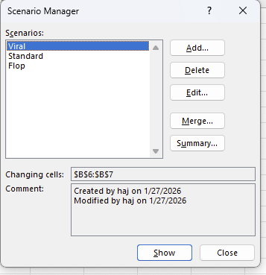
PROBLEM 2: MARKETING BUDGET FORECAST
Compare Viral, Standard, and Flop scenarios

INPUTS | Values | Name Range
Budget | 50000 | Ad_Budget
CPC (Cost Per Click) | 2.5 | CPC_Input
Conv Rate | 0.04 | Conv_Rate
Avg Order Value | 100 | AOV

MODEL | Formulas
Traffic (Clicks) | 20000 | =Budget/CPC
Total Sales (#) | 800 | =Traffic*Conv
Revenue ($) | 80000 | =Sales*AOV
Total Profit | 30000 | =Revenue-Budget

Instructions: | 1. Name the input cells (B5:B8) and result cell (B14).
 | 2. Use Scenario Manager to create Viral, Standard, and Flop cases.
 | 3. Generate a Summary Report to compare profits.

