Performance
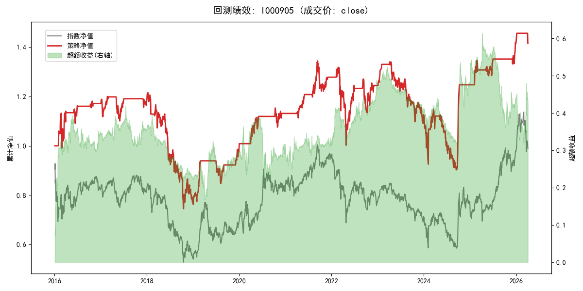
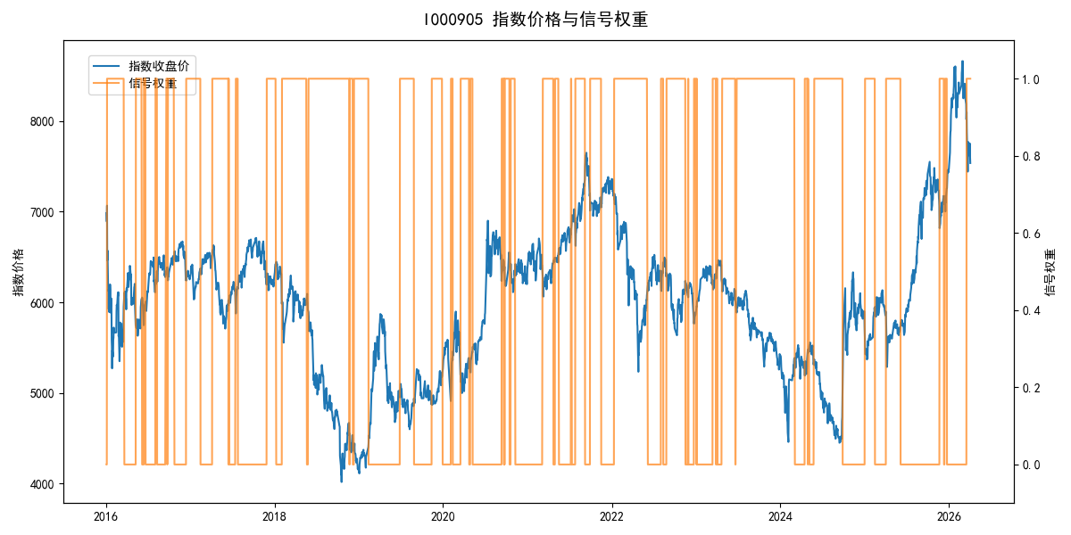
年份 | 策略 |  |  |  | 指数 |  |  |  | 超额 |  |  |  | 换手 率
 | 收益 | 波动 | 夏普 | 回撤 | 收益 | 波动 | 夏普 | 回撤 | 收益 | 波动 | 夏普 | 回撤
2016 | 17.33% | 17.71% | 0.980 | -12.45% | -17.95% | 30.30% | -0.590 | -25.40% | 33.45% | 24.49% | 1.370 | -13.67% | 6.0
2017 | 0.64% | 9.29% | 0.070 | -8.26% | -0.21% | 14.80% | -0.010 | -13.87% | 0.20% | 11.51% | 0.020 | -12.77% | 5.0
2018 | -34.86% | 22.89% | -1.520 | -38.74% | -33.69% | 24.16% | -1.390 | -37.66% | -2.11% | 7.69% | -0.270 | -8.96% | 2.0
2019 | 28.37% | 13.21% | 2.150 | -9.80% | 26.55% | 23.38% | 1.140 | -21.65% | -0.39% | 19.30% | -0.020 | -14.64% | 4.0
2020 | 14.30% | 11.04% | 1.300 | -6.71% | 20.93% | 25.69% | 0.810 | -15.24% | -8.56% | 23.21% | -0.370 | -22.92% | 5.0
2021 | 13.16% | 9.74% | 1.350 | -9.13% | 15.77% | 15.45% | 1.020 | -9.57% | -3.05% | 12.01% | -0.250 | -8.24% | 4.0
2022 | -2.67% | 19.43% | -0.140 | -24.01% | -20.56% | 21.89% | -0.940 | -28.83% | 20.35% | 10.08% | 2.020 | -5.77% | 4.0
2023 | -9.65% | 11.98% | -0.810 | -18.66% | -7.52% | 13.14% | -0.570 | -18.66% | -2.54% | 5.39% | -0.470 | -4.31% | 3.0
2024 | 10.80% | 24.49% | 0.440 | -21.34% | 5.48% | 29.06% | 0.190 | -19.90% | 3.88% | 15.63% | 0.250 | -14.80% | 3.0
2025 | 14.02% | 8.79% | 1.590 | -4.57% | 30.58% | 20.07% | 1.520 | -13.80% | -15.65% | 18.09% | -0.870 | -28.36% | 5.0
2026 | -1.48% | 6.76% | -0.220 | -2.78% | 3.91% | 26.50% | 0.150 | -14.06% | -8.74% | 25.63% | -0.340 | -12.28% | 2.0
total | 3.45% | 15.70% | 0.220 | -38.74% | -0.11% | 22.60% | 0.000 | -43.13% | 2.29% | 16.26% | 0.140 | -33.65% | 4.2

