Performance
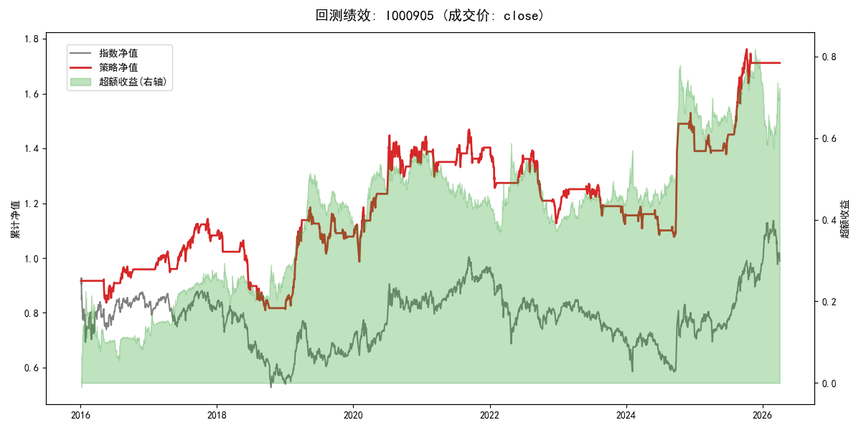
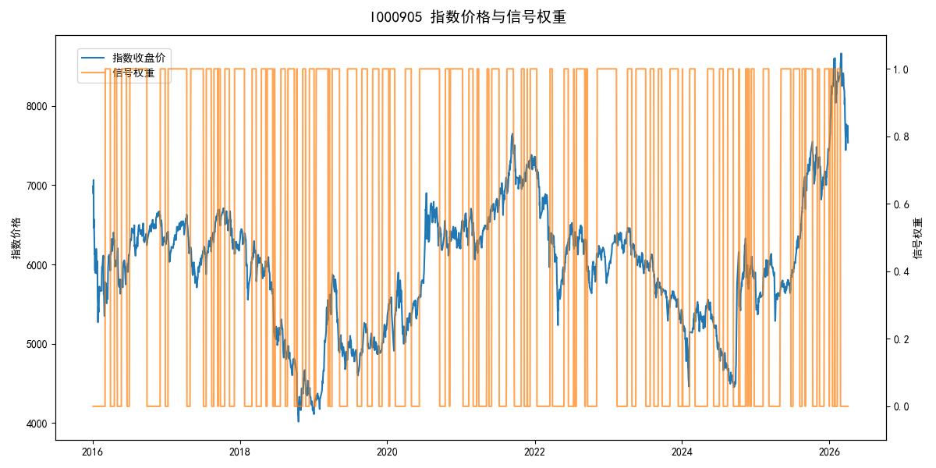
年份 | 策略 |  |  |  | 指数 |  |  |  | 超额 |  |  |  | 换手 率
 | 收益 | 波动 | 夏普 | 回撤 | 收益 | 波动 | 夏普 | 回撤 | 收益 | 波动 | 夏普 | 回撤
2016 | -4.17% | 14.99% | -0.280 | -9.23% | -17.95% | 30.30% | -0.590 | -25.40% | 12.34% | 26.34% | 0.470 | -22.20% | 5.0
2017 | 13.09% | 12.01% | 1.090 | -7.40% | -0.21% | 14.80% | -0.010 | -13.87% | 12.37% | 8.57% | 1.440 | -3.13% | 6.0
2018 | -24.80% | 14.40% | -1.720 | -26.55% | -33.69% | 24.16% | -1.390 | -37.66% | 10.96% | 19.46% | 0.560 | -14.54% | 6.0
2019 | 32.18% | 18.89% | 1.700 | -14.30% | 26.55% | 23.38% | 1.140 | -21.65% | 3.51% | 13.75% | 0.260 | -15.58% | 8.0
2020 | 28.35% | 22.34% | 1.270 | -12.11% | 20.93% | 25.69% | 0.810 | -15.24% | 5.35% | 12.64% | 0.420 | -12.56% | 7.0
2021 | 1.50% | 11.74% | 0.130 | -10.11% | 15.77% | 15.45% | 1.020 | -9.57% | -14.00% | 10.05% | -1.390 | -15.29% | 9.0
2022 | -18.55% | 11.94% | -1.550 | -19.73% | -20.56% | 21.89% | -0.940 | -28.83% | 0.88% | 18.34% | 0.050 | -21.38% | 7.0
2023 | 1.20% | 9.66% | 0.120 | -11.65% | -7.52% | 13.14% | -0.570 | -18.66% | 8.85% | 8.91% | 0.990 | -6.72% | 4.0
2024 | 23.85% | 18.01% | 1.320 | -9.27% | 5.48% | 29.06% | 0.190 | -19.90% | 14.10% | 22.75% | 0.620 | -20.71% | 8.0
2025 | 19.40% | 12.45% | 1.560 | -7.06% | 30.58% | 20.07% | 1.520 | -13.80% | -10.51% | 15.80% | -0.670 | -13.67% | 7.0
2026 | 0.00% | 0.00% | 0.000 | 0.00% | 3.91% | 26.50% | 0.150 | -14.06% | -7.43% | 26.50% | -0.280 | -12.28% | 0.0
total | 5.39% | 14.96% | 0.360 | -29.20% | -0.11% | 22.60% | 0.000 | -43.13% | 4.11% | 16.94% | 0.240 | -31.01% | 6.5

