Performance
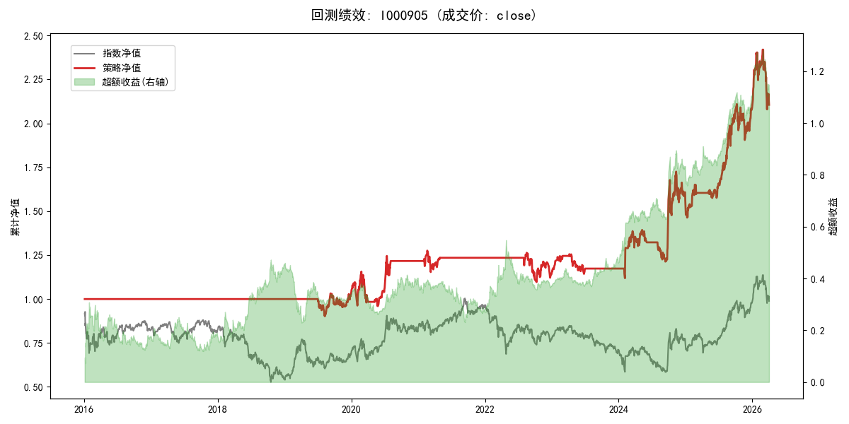
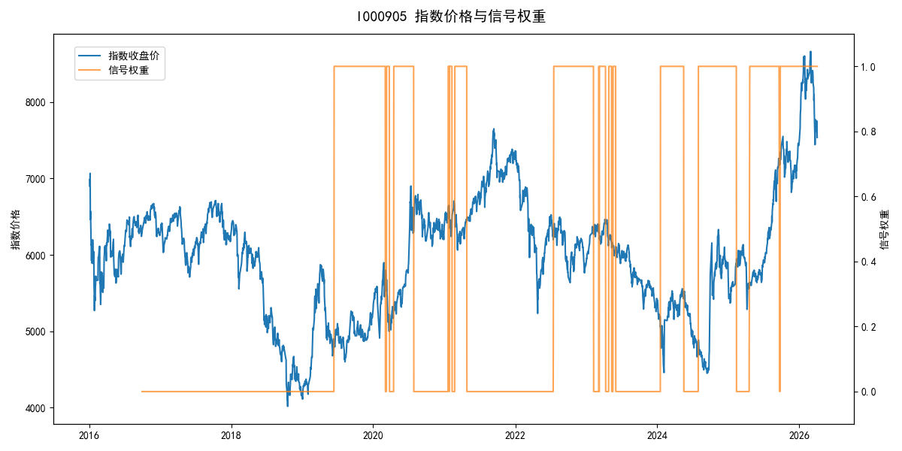
年份 | 策略 |  |  |  | 指数 |  |  |  | 超额 |  |  |  | 换手 率
 | 收益 | 波动 | 夏普 | 回撤 | 收益 | 波动 | 夏普 | 回撤 | 收益 | 波动 | 夏普 | 回撤
2016 | 0.00% | 0.00% | 0.000 | 0.00% | -17.95% | 30.30% | -0.590 | -25.40% | 15.54% | 30.30% | 0.510 | -24.92% | 0.0
2017 | 0.00% | 0.00% | 0.000 | 0.00% | -0.21% | 14.80% | -0.010 | -13.87% | -0.88% | 14.80% | -0.060 | -15.54% | 0.0
2018 | 0.00% | 0.00% | 0.000 | 0.00% | -33.69% | 24.16% | -1.390 | -37.66% | 39.06% | 24.16% | 1.620 | -14.54% | 0.0
2019 | 3.30% | 11.91% | 0.280 | -9.80% | 26.55% | 23.38% | 1.140 | -21.65% | -22.88% | 20.14% | -1.140 | -31.34% | 1.0
2020 | 17.86% | 21.71% | 0.820 | -17.00% | 20.93% | 25.69% | 0.810 | -15.24% | -3.61% | 13.75% | -0.260 | -9.12% | 3.0
2021 | 1.52% | 8.62% | 0.180 | -9.57% | 15.77% | 15.45% | 1.020 | -9.57% | -14.30% | 12.83% | -1.110 | -16.41% | 2.0
2022 | -7.71% | 11.60% | -0.660 | -13.21% | -20.56% | 21.89% | -0.940 | -28.83% | 13.66% | 18.58% | 0.740 | -20.50% | 1.0
2023 | 2.89% | 7.91% | 0.360 | -8.93% | -7.52% | 13.14% | -0.570 | -18.66% | 10.40% | 10.48% | 0.990 | -6.72% | 3.0
2024 | 33.10% | 26.44% | 1.250 | -12.95% | 5.48% | 29.06% | 0.190 | -19.90% | 23.45% | 11.82% | 1.980 | -5.88% | 3.0
2025 | 33.90% | 16.58% | 2.050 | -9.69% | 30.58% | 20.07% | 1.520 | -13.80% | 1.93% | 11.30% | 0.170 | -8.06% | 2.0
2026 | 3.91% | 26.50% | 0.150 | -14.06% | 3.91% | 26.50% | 0.150 | -14.06% | 0.00% | 0.00% | 0.000 | 0.00% | 0.0
total | 7.54% | 14.06% | 0.540 | -17.00% | -0.11% | 22.60% | 0.000 | -43.13% | 6.07% | 17.69% | 0.340 | -40.11% | 1.5

