Performance
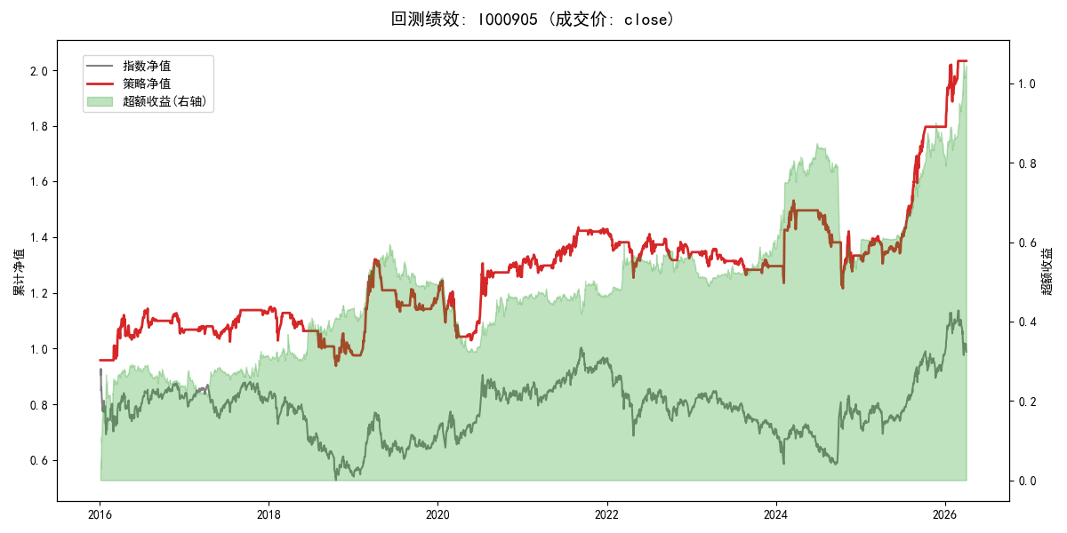
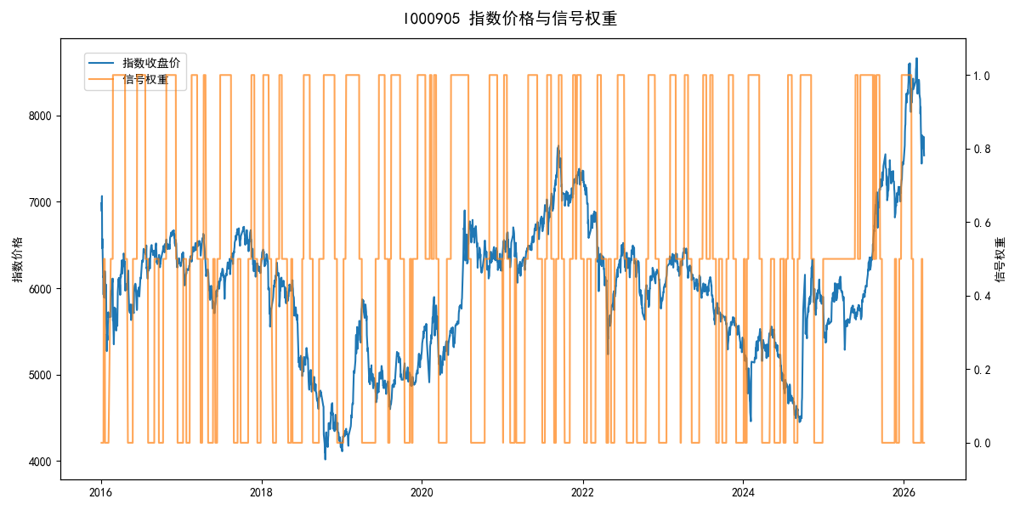
年份 | 策略 |  |  |  | 指数 |  |  |  | 超额 |  |  |  | 换手 率
 | 收益 | 波动 | 夏普 | 回撤 | 收益 | 波动 | 夏普 | 回撤 | 收益 | 波动 | 夏普 | 回撤
2016 | 5.93% | 16.96% | 0.350 | -7.90% | -17.95% | 30.30% | -0.590 | -25.40% | 22.86% | 22.98% | 1.000 | -14.23% | 4.5
2017 | 7.09% | 8.89% | 0.800 | -5.61% | -0.21% | 14.80% | -0.010 | -13.87% | 6.49% | 10.42% | 0.620 | -8.12% | 5.5
2018 | -13.64% | 15.74% | -0.870 | -18.43% | -33.69% | 24.16% | -1.390 | -37.66% | 25.30% | 15.65% | 1.620 | -7.48% | 7.0
2019 | 20.95% | 16.19% | 1.290 | -14.26% | 26.55% | 23.38% | 1.140 | -21.65% | -6.08% | 14.63% | -0.420 | -13.96% | 7.0
2020 | 9.05% | 20.44% | 0.440 | -17.23% | 20.93% | 25.69% | 0.810 | -15.24% | -11.91% | 12.38% | -0.960 | -16.23% | 5.5
2021 | 10.82% | 8.83% | 1.220 | -4.87% | 15.77% | 15.45% | 1.020 | -9.57% | -5.29% | 9.55% | -0.550 | -11.68% | 5.5
2022 | -6.59% | 10.49% | -0.630 | -12.18% | -20.56% | 21.89% | -0.940 | -28.83% | 14.78% | 15.11% | 0.980 | -12.32% | 5.0
2023 | -3.02% | 6.69% | -0.450 | -6.95% | -7.52% | 13.14% | -0.570 | -18.66% | 4.24% | 9.52% | 0.450 | -7.23% | 5.5
2024 | 2.92% | 19.66% | 0.150 | -20.59% | 5.48% | 29.06% | 0.190 | -19.90% | -4.77% | 20.84% | -0.230 | -31.19% | 6.0
2025 | 34.88% | 12.34% | 2.830 | -7.03% | 30.58% | 20.07% | 1.520 | -13.80% | 2.07% | 12.27% | 0.170 | -8.90% | 2.0
2026 | 67.01% | 17.53% | 3.820 | -6.56% | 3.91% | 26.50% | 0.150 | -14.06% | 46.96% | 19.36% | 2.430 | -4.30% | 2.0
total | 7.17% | 14.45% | 0.500 | -22.04% | -0.11% | 22.60% | 0.000 | -43.13% | 5.77% | 15.09% | 0.380 | -31.19% | 5.4

