Performance
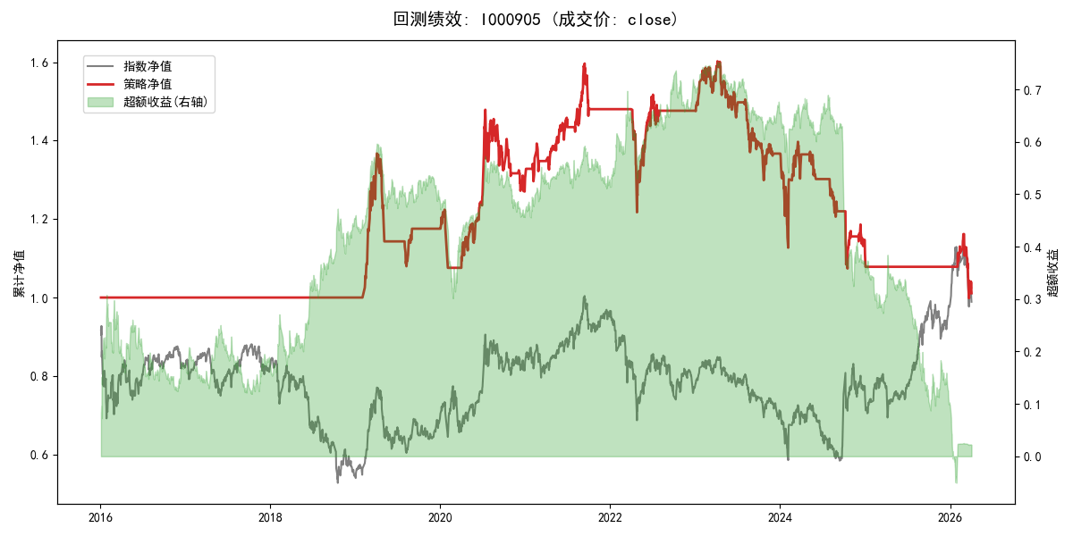
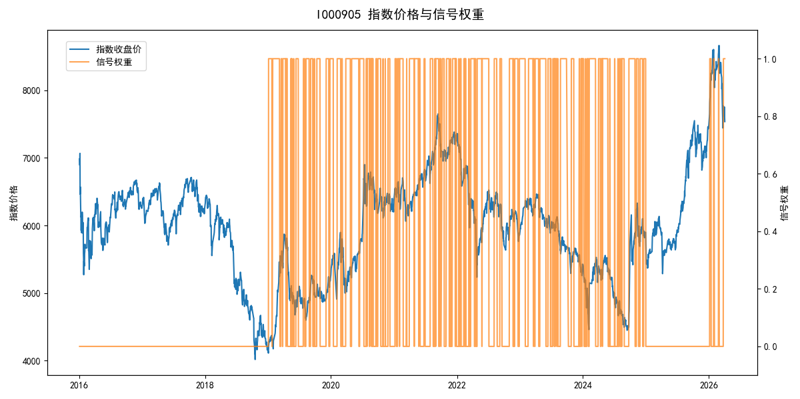
年份 | 策略 |  |  |  | 指数 |  |  |  | 超额 |  |  |  | 换手 率
 | 收益 | 波动 | 夏普 | 回撤 | 收益 | 波动 | 夏普 | 回撤 | 收益 | 波动 | 夏普 | 回撤
2016 | 0.00% | 0.00% | 0.000 | 0.00% | -17.95% | 30.30% | -0.590 | -25.40% | 15.54% | 30.30% | 0.510 | -24.92% | 0.0
2017 | 0.00% | 0.00% | 0.000 | 0.00% | -0.21% | 14.80% | -0.010 | -13.87% | -0.88% | 14.80% | -0.060 | -15.54% | 0.0
2018 | 0.00% | 0.00% | 0.000 | 0.00% | -33.69% | 24.16% | -1.390 | -37.66% | 39.06% | 24.16% | 1.620 | -14.54% | 0.0
2019 | 17.65% | 17.70% | 1.000 | -21.03% | 26.55% | 23.38% | 1.140 | -21.65% | -8.65% | 15.32% | -0.560 | -10.27% | 4.0
2020 | 11.00% | 20.90% | 0.530 | -14.10% | 20.93% | 25.69% | 0.810 | -15.24% | -9.99% | 14.98% | -0.670 | -17.11% | 5.0
2021 | 13.63% | 10.80% | 1.260 | -8.35% | 15.77% | 15.45% | 1.020 | -9.57% | -2.52% | 11.07% | -0.230 | -10.45% | 7.0
2022 | -0.28% | 14.41% | -0.020 | -17.76% | -20.56% | 21.89% | -0.940 | -28.83% | 21.99% | 16.47% | 1.340 | -10.02% | 2.0
2023 | -7.50% | 11.88% | -0.630 | -18.92% | -7.52% | 13.14% | -0.570 | -18.66% | -0.13% | 5.63% | -0.020 | -3.19% | 4.0
2024 | -18.60% | 20.46% | -0.910 | -23.13% | 5.48% | 29.06% | 0.190 | -19.90% | -28.96% | 20.53% | -1.410 | -36.34% | 9.0
2025 | -3.16% | 3.20% | -0.990 | 0.00% | 30.58% | 20.07% | 1.520 | -13.80% | -32.83% | 19.79% | -1.660 | -30.87% | 1.0
2026 | -23.48% | 21.63% | -1.090 | -14.06% | 3.91% | 26.50% | 0.150 | -14.06% | -32.65% | 15.11% | -2.160 | -11.29% | 1.0
total | 0.11% | 13.08% | 0.010 | -37.69% | -0.11% | 22.60% | 0.000 | -43.13% | -1.49% | 18.43% | -0.080 | -58.26% | 3.2

