Performance
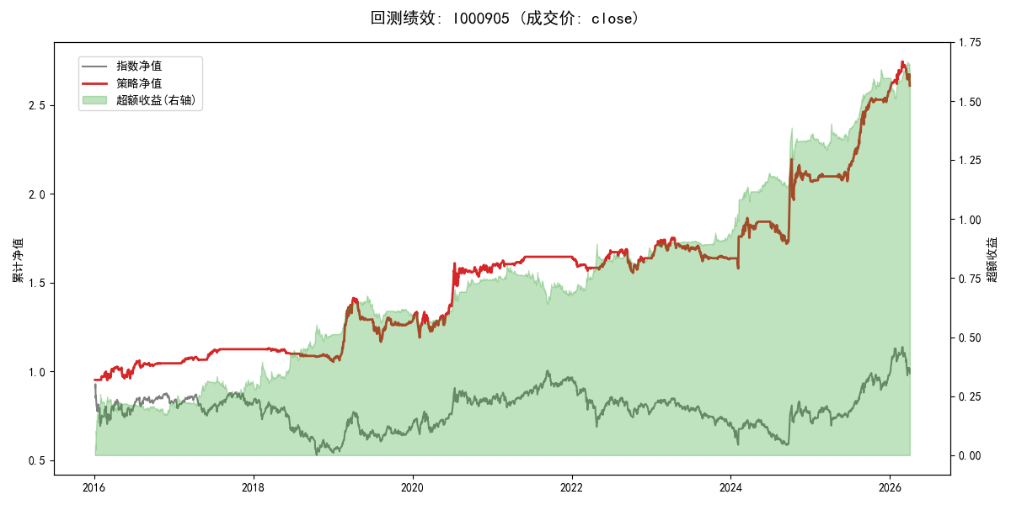
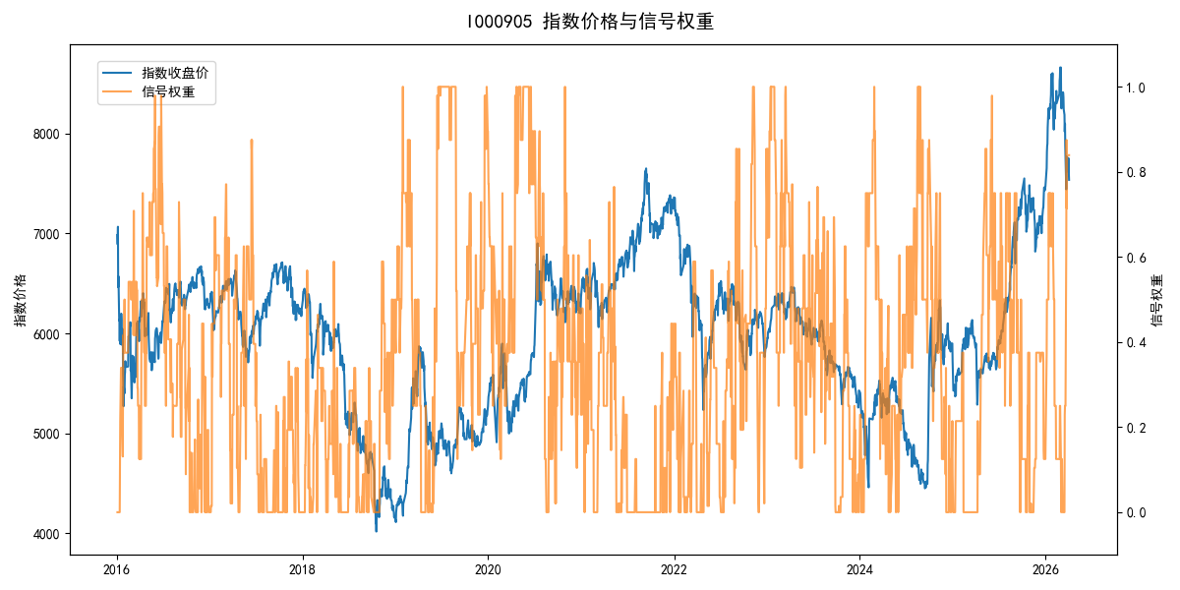
年份 | 策略 |  |  |  | 指数 |  |  |  | 超额 |  |  |  | 换手 率
 | 收益 | 波动 | 夏普 | 回撤 | 收益 | 波动 | 夏普 | 回撤 | 收益 | 波动 | 夏普 | 回撤
2016 | 4.55% | 13.04% | 0.350 | -6.50% | -17.95% | 30.30% | -0.590 | -25.40% | 20.94% | 22.31% | 0.940 | -15.50% | 3.0
2017 | 7.70% | 3.89% | 1.980 | -1.74% | -0.21% | 14.80% | -0.010 | -13.87% | 6.75% | 12.99% | 0.520 | -11.26% | 2.5
2018 | -5.89% | 3.42% | -1.720 | -6.38% | -33.69% | 24.16% | -1.390 | -37.66% | 32.91% | 22.03% | 1.490 | -13.39% | 1.4
2019 | 21.15% | 15.35% | 1.380 | -17.53% | 26.55% | 23.38% | 1.140 | -21.65% | -6.04% | 12.23% | -0.490 | -12.51% | 3.5
2020 | 23.48% | 18.51% | 1.270 | -10.88% | 20.93% | 25.69% | 0.810 | -15.24% | 0.56% | 9.91% | 0.060 | -6.75% | 3.2
2021 | 4.05% | 3.05% | 1.330 | -2.00% | 15.77% | 15.45% | 1.020 | -9.57% | -12.10% | 14.11% | -0.860 | -19.47% | 1.9
2022 | -0.50% | 7.50% | -0.070 | -7.96% | -20.56% | 21.89% | -0.940 | -28.83% | 21.00% | 17.23% | 1.220 | -15.76% | 3.7
2023 | 0.01% | 6.99% | 0.000 | -7.60% | -7.52% | 13.14% | -0.570 | -18.66% | 7.42% | 8.04% | 0.920 | -5.95% | 2.9
2024 | 27.84% | 18.94% | 1.470 | -10.51% | 5.48% | 29.06% | 0.190 | -19.90% | 17.59% | 14.50% | 1.210 | -12.25% | 3.4
2025 | 23.42% | 7.22% | 3.240 | -2.92% | 30.58% | 20.07% | 1.520 | -13.80% | -7.60% | 16.24% | -0.470 | -15.75% | 3.0
2026 | 5.09% | 9.25% | 0.550 | -4.93% | 3.91% | 26.50% | 0.150 | -14.06% | -1.89% | 19.35% | -0.100 | -9.94% | 1.7
total | 9.81% | 11.36% | 0.860 | -17.53% | -0.11% | 22.60% | 0.000 | -43.13% | 7.90% | 15.70% | 0.500 | -25.33% | 2.9

