Performance
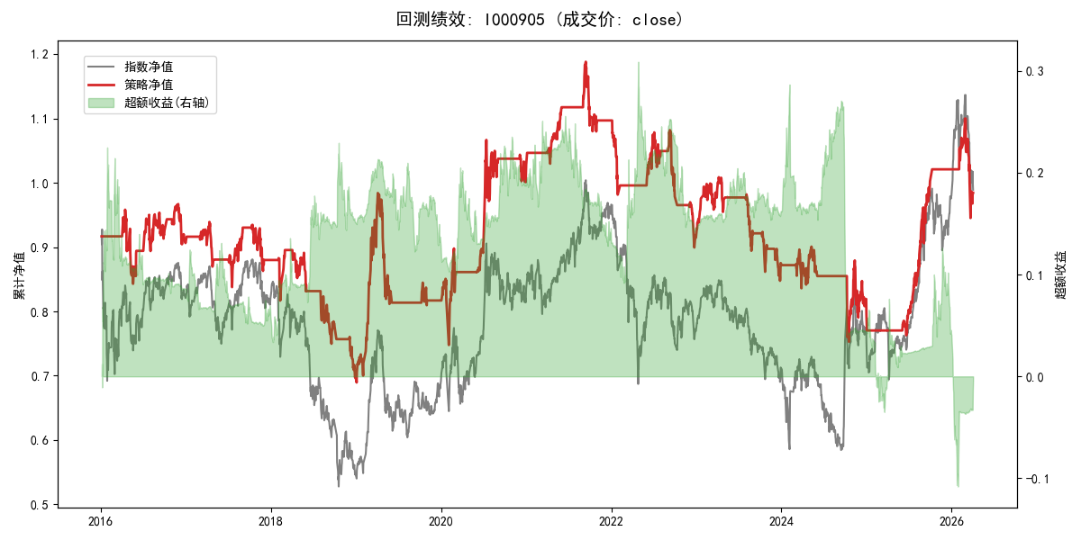
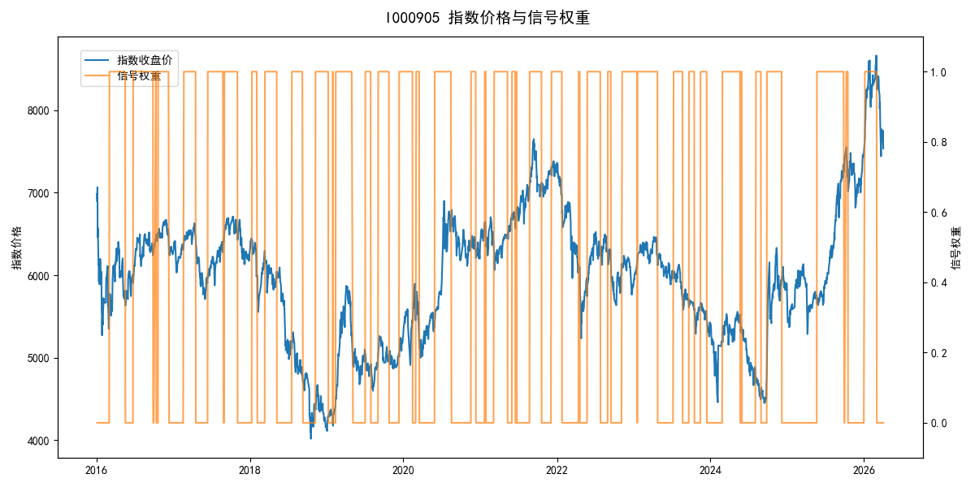
年份 | 策略 |  |  |  | 指数 |  |  |  | 超额 |  |  |  | 换手 率
 | 收益 | 波动 | 夏普 | 回撤 | 收益 | 波动 | 夏普 | 回撤 | 收益 | 波动 | 夏普 | 回撤
2016 | -9.30% | 17.21% | -0.540 | -12.04% | -17.95% | 30.30% | -0.590 | -25.40% | 7.08% | 24.94% | 0.280 | -19.94% | 6.0
2017 | -3.13% | 11.00% | -0.280 | -10.80% | -0.21% | 14.80% | -0.010 | -13.87% | -3.51% | 9.90% | -0.360 | -10.05% | 7.0
2018 | -20.86% | 14.43% | -1.450 | -22.11% | -33.69% | 24.16% | -1.390 | -37.66% | 16.19% | 19.45% | 0.830 | -14.54% | 7.0
2019 | 17.04% | 19.49% | 0.870 | -17.74% | 26.55% | 23.38% | 1.140 | -21.65% | -8.86% | 12.96% | -0.680 | -13.02% | 3.0
2020 | 25.91% | 19.96% | 1.300 | -12.11% | 20.93% | 25.69% | 0.810 | -15.24% | 2.86% | 16.15% | 0.180 | -11.10% | 5.0
2021 | 6.80% | 8.36% | 0.810 | -9.13% | 15.77% | 15.45% | 1.020 | -9.57% | -9.12% | 13.01% | -0.700 | -14.68% | 5.0
2022 | -16.79% | 11.47% | -1.460 | -18.02% | -20.56% | 21.89% | -0.940 | -28.83% | 3.01% | 18.65% | 0.160 | -19.79% | 7.0
2023 | -4.43% | 10.46% | -0.420 | -15.98% | -7.52% | 13.14% | -0.570 | -18.66% | 3.06% | 7.96% | 0.380 | -4.94% | 6.0
2024 | -9.15% | 17.12% | -0.530 | -16.44% | 5.48% | 29.06% | 0.190 | -19.90% | -18.18% | 23.46% | -0.770 | -32.08% | 4.0
2025 | 28.57% | 10.68% | 2.670 | -5.79% | 30.58% | 20.07% | 1.520 | -13.80% | -3.07% | 17.01% | -0.180 | -12.96% | 3.0
2026 | -14.00% | 21.23% | -0.660 | -14.06% | 3.91% | 26.50% | 0.150 | -14.06% | -20.72% | 15.80% | -1.310 | -11.29% | 2.0
total | -0.15% | 14.77% | -0.010 | -36.67% | -0.11% | 22.60% | 0.000 | -43.13% | -1.52% | 17.11% | -0.090 | -47.97% | 5.4

