Performance
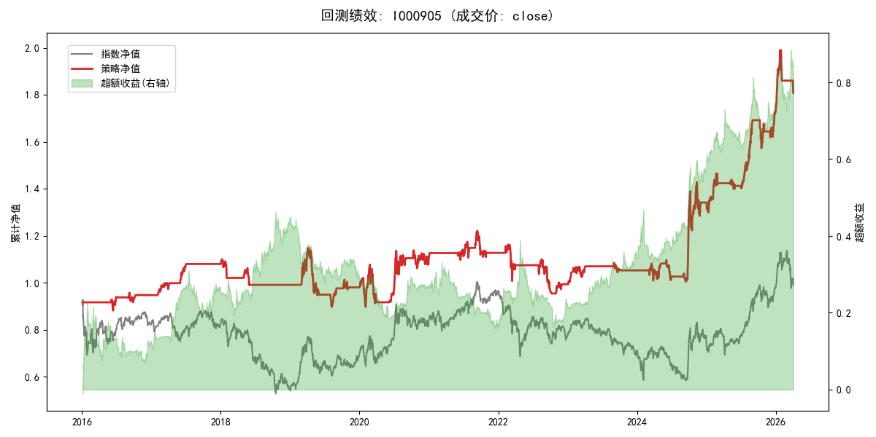
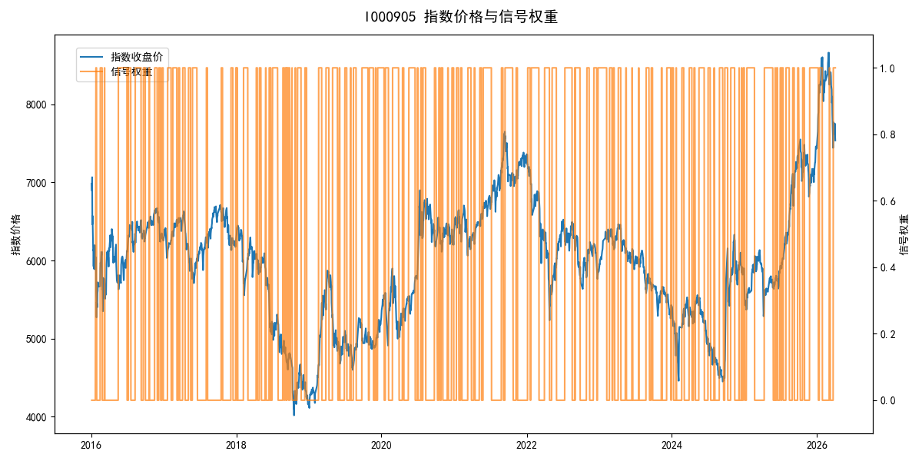
年份 | 策略 |  |  |  | 指数 |  |  |  | 超额 |  |  |  | 换手 率
 | 收益 | 波动 | 夏普 | 回撤 | 收益 | 波动 | 夏普 | 回撤 | 收益 | 波动 | 夏普 | 回撤
2016 | -5.30% | 11.93% | -0.440 | -5.05% | -17.95% | 30.30% | -0.590 | -25.40% | 10.72% | 27.86% | 0.380 | -21.86% | 5.0
2017 | 14.19% | 6.10% | 2.330 | -2.61% | -0.21% | 14.80% | -0.010 | -13.87% | 12.82% | 13.43% | 0.960 | -12.77% | 4.0
2018 | -8.34% | 7.11% | -1.170 | -9.90% | -33.69% | 24.16% | -1.390 | -37.66% | 30.40% | 23.13% | 1.310 | -14.54% | 4.0
2019 | -1.10% | 17.99% | -0.060 | -21.92% | 26.55% | 23.38% | 1.140 | -21.65% | -26.43% | 14.94% | -1.770 | -24.43% | 6.0
2020 | 12.90% | 23.36% | 0.550 | -15.24% | 20.93% | 25.69% | 0.810 | -15.24% | -7.69% | 10.74% | -0.720 | -10.60% | 5.0
2021 | 1.93% | 9.58% | 0.200 | -9.13% | 15.77% | 15.45% | 1.020 | -9.57% | -13.80% | 12.13% | -1.140 | -18.36% | 5.0
2022 | -12.02% | 13.85% | -0.870 | -17.95% | -20.56% | 21.89% | -0.940 | -28.83% | 9.04% | 16.97% | 0.530 | -23.97% | 6.0
2023 | 6.04% | 6.74% | 0.900 | -4.08% | -7.52% | 13.14% | -0.570 | -18.66% | 13.41% | 11.25% | 1.190 | -6.72% | 4.0
2024 | 27.54% | 22.63% | 1.220 | -11.97% | 5.48% | 29.06% | 0.190 | -19.90% | 18.10% | 18.13% | 1.000 | -18.54% | 6.0
2025 | 29.00% | 13.06% | 2.220 | -7.06% | 30.58% | 20.07% | 1.520 | -13.80% | -2.44% | 15.26% | -0.160 | -17.72% | 9.0
2026 | 20.82% | 15.80% | 1.320 | -9.15% | 3.91% | 26.50% | 0.150 | -14.06% | 13.29% | 21.23% | 0.630 | -7.42% | 2.0
total | 5.95% | 14.55% | 0.410 | -21.92% | -0.11% | 22.60% | 0.000 | -43.13% | 4.61% | 17.29% | 0.270 | -41.63% | 5.5

