Performance
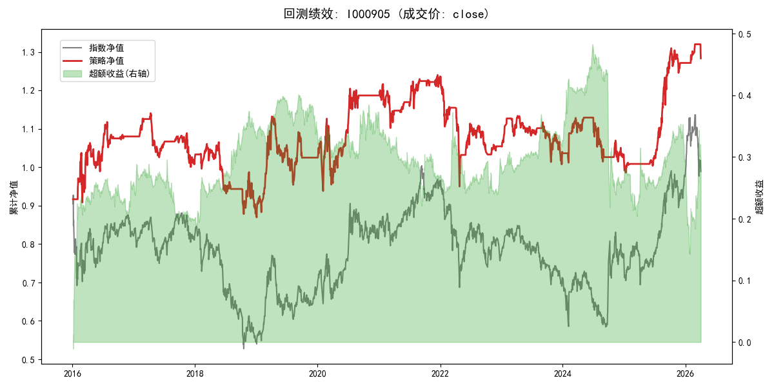
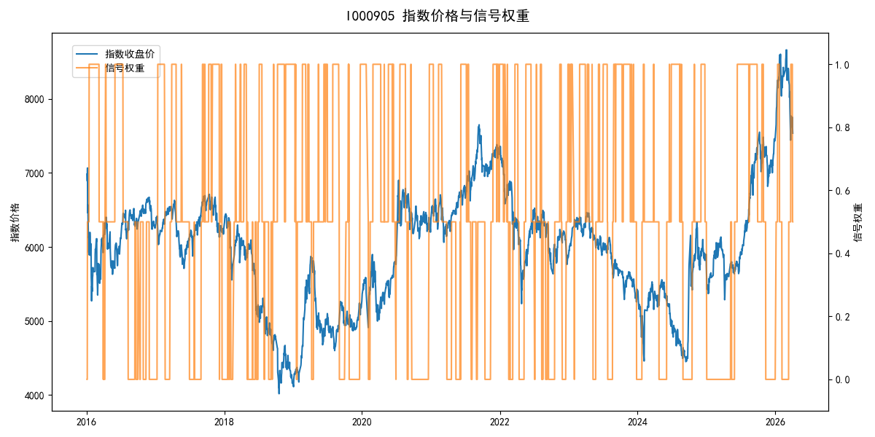
年份 | 策略 |  |  |  | 指数 |  |  |  | 超额 |  |  |  | 换手 率
 | 收益 | 波动 | 夏普 | 回撤 | 收益 | 波动 | 夏普 | 回撤 | 收益 | 波动 | 夏普 | 回撤
2016 | 8.12% | 21.13% | 0.380 | -12.45% | -17.95% | 30.30% | -0.590 | -25.40% | 25.78% | 19.90% | 1.300 | -9.11% | 5.0
2017 | -5.63% | 9.33% | -0.600 | -12.27% | -0.21% | 14.80% | -0.010 | -13.87% | -6.35% | 9.88% | -0.640 | -11.49% | 5.0
2018 | -13.81% | 14.33% | -0.960 | -17.58% | -33.69% | 24.16% | -1.390 | -37.66% | 24.89% | 14.08% | 1.770 | -6.16% | 4.0
2019 | 16.44% | 17.20% | 0.960 | -15.73% | 26.55% | 23.38% | 1.140 | -21.65% | -9.81% | 10.94% | -0.900 | -10.74% | 3.0
2020 | 15.84% | 20.58% | 0.770 | -15.24% | 20.93% | 25.69% | 0.810 | -15.24% | -5.63% | 12.57% | -0.450 | -9.99% | 4.0
2021 | 4.23% | 10.79% | 0.390 | -9.41% | 15.77% | 15.45% | 1.020 | -9.57% | -11.39% | 9.44% | -1.210 | -14.09% | 8.0
2022 | -14.91% | 15.04% | -0.990 | -23.13% | -20.56% | 21.89% | -0.940 | -28.83% | 5.78% | 14.09% | 0.410 | -13.62% | 6.0
2023 | -1.38% | 9.66% | -0.140 | -11.13% | -7.52% | 13.14% | -0.570 | -18.66% | 6.21% | 7.26% | 0.860 | -3.42% | 5.0
2024 | -2.12% | 12.32% | -0.170 | -10.16% | 5.48% | 29.06% | 0.190 | -19.90% | -11.16% | 23.21% | -0.480 | -29.34% | 4.5
2025 | 25.05% | 11.01% | 2.280 | -5.79% | 30.58% | 20.07% | 1.520 | -13.80% | -5.90% | 14.91% | -0.400 | -11.49% | 2.5
2026 | 3.98% | 6.87% | 0.580 | -2.78% | 3.91% | 26.50% | 0.150 | -14.06% | -3.18% | 24.47% | -0.130 | -11.29% | 2.0
total | 2.47% | 14.58% | 0.170 | -23.80% | -0.11% | 22.60% | 0.000 | -43.13% | 1.14% | 14.70% | 0.080 | -42.57% | 4.8

