Performance
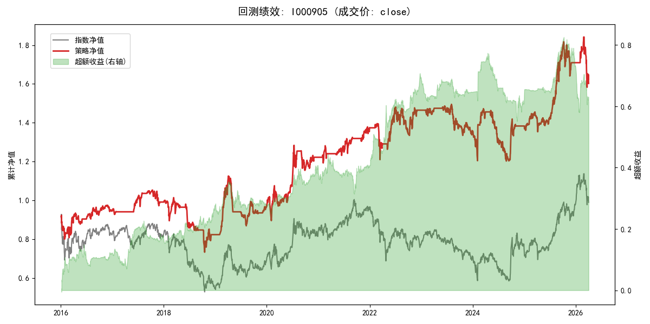
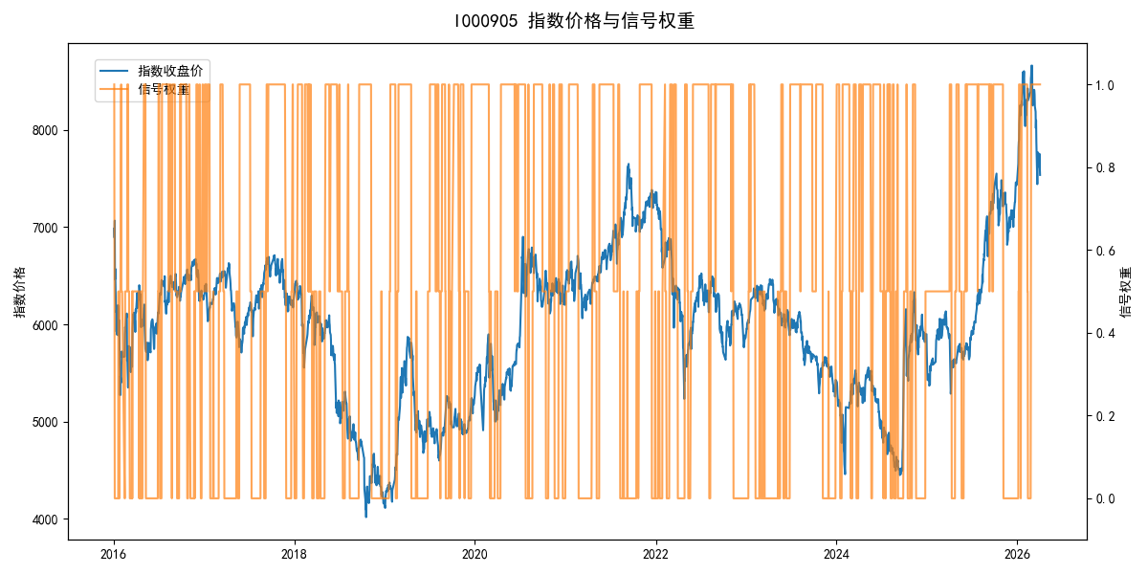
年份 | 策略 |  |  |  | 指数 |  |  |  | 超额 |  |  |  | 换手 率
 | 收益 | 波动 | 夏普 | 回撤 | 收益 | 波动 | 夏普 | 回撤 | 收益 | 波动 | 夏普 | 回撤
2016 | -5.60% | 19.89% | -0.280 | -13.31% | -17.95% | 30.30% | -0.590 | -25.40% | 11.65% | 14.34% | 0.810 | -9.04% | 3.5
2017 | 4.96% | 9.81% | 0.510 | -7.68% | -0.21% | 14.80% | -0.010 | -13.87% | 4.53% | 10.38% | 0.440 | -7.92% | 4.5
2018 | -17.18% | 20.09% | -0.860 | -27.76% | -33.69% | 24.16% | -1.390 | -37.66% | 21.83% | 10.59% | 2.060 | -4.50% | 6.0
2019 | 17.90% | 18.84% | 0.950 | -22.81% | 26.55% | 23.38% | 1.140 | -21.65% | -8.23% | 12.63% | -0.650 | -9.58% | 4.5
2020 | 26.15% | 21.80% | 1.200 | -12.11% | 20.93% | 25.69% | 0.810 | -15.24% | 3.45% | 9.92% | 0.350 | -5.74% | 5.5
2021 | 12.64% | 9.89% | 1.280 | -5.76% | 15.77% | 15.45% | 1.020 | -9.57% | -3.52% | 11.29% | -0.310 | -16.12% | 5.0
2022 | 6.65% | 16.53% | 0.400 | -13.30% | -20.56% | 21.89% | -0.940 | -28.83% | 29.21% | 13.32% | 2.190 | -9.65% | 6.0
2023 | -7.28% | 9.49% | -0.770 | -10.71% | -7.52% | 13.14% | -0.570 | -18.66% | -0.15% | 7.01% | -0.020 | -7.42% | 4.5
2024 | 1.74% | 18.17% | 0.100 | -18.33% | 5.48% | 29.06% | 0.190 | -19.90% | -6.27% | 16.21% | -0.390 | -23.86% | 4.5
2025 | 23.76% | 14.91% | 1.590 | -9.69% | 30.58% | 20.07% | 1.520 | -13.80% | -6.47% | 9.00% | -0.720 | -10.85% | 3.0
2026 | -23.48% | 21.63% | -1.090 | -14.06% | 3.91% | 26.50% | 0.150 | -14.06% | -32.65% | 15.11% | -2.160 | -11.29% | 1.0
total | 4.71% | 16.68% | 0.280 | -30.43% | -0.11% | 22.60% | 0.000 | -43.13% | 3.71% | 11.85% | 0.310 | -32.35% | 4.7

