Performance
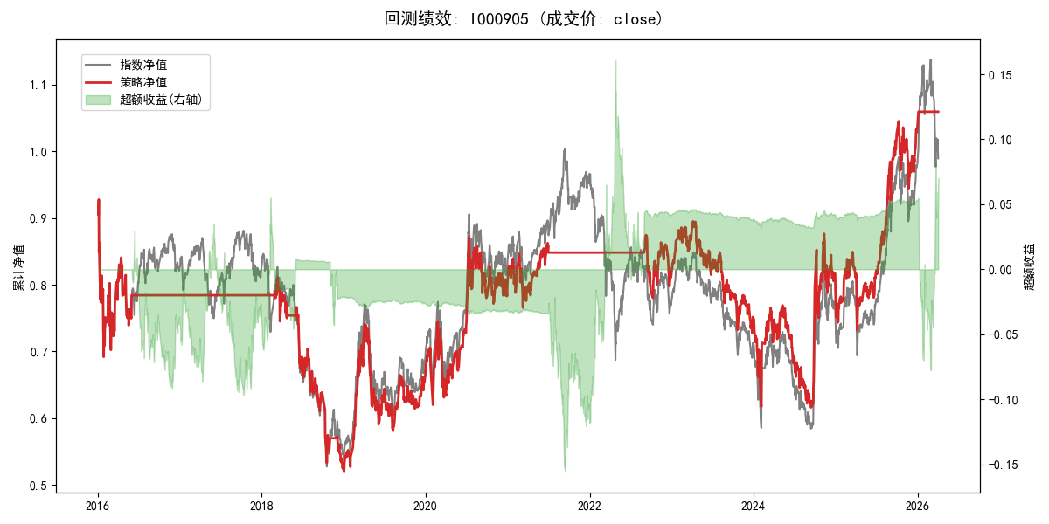
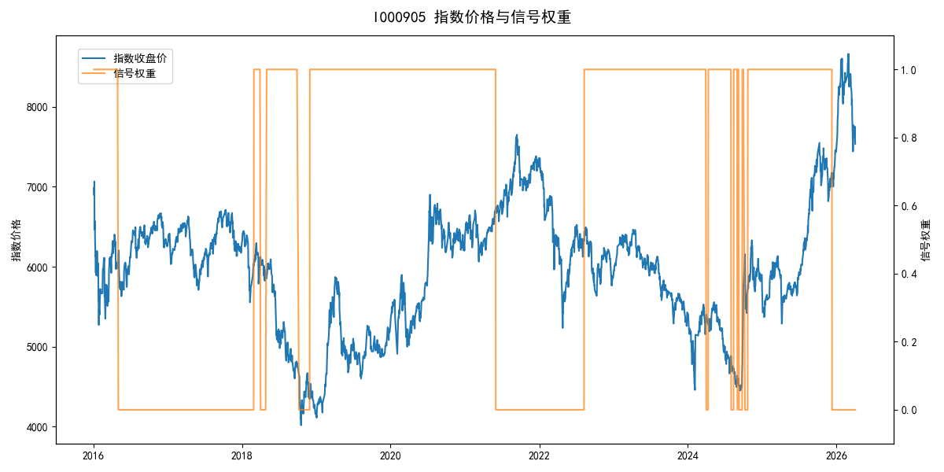
年份 | 策略 |  |  |  | 指数 |  |  |  | 超额 |  |  |  | 换手 率
 | 收益 | 波动 | 夏普 | 回撤 | 收益 | 波动 | 夏普 | 回撤 | 收益 | 波动 | 夏普 | 回撤
2016 | -21.79% | 27.56% | -0.790 | -25.40% | -17.95% | 30.30% | -0.590 | -25.40% | -5.68% | 12.54% | -0.450 | -14.75% | 1.0
2017 | 0.00% | 0.00% | 0.000 | 0.00% | -0.21% | 14.80% | -0.010 | -13.87% | -0.88% | 14.80% | -0.060 | -15.54% | 0.0
2018 | -33.26% | 20.10% | -1.660 | -35.18% | -33.69% | 24.16% | -1.390 | -37.66% | -0.23% | 13.41% | -0.020 | -14.11% | 5.0
2019 | 26.55% | 23.38% | 1.140 | -21.65% | 26.55% | 23.38% | 1.140 | -21.65% | 0.00% | 0.00% | 0.000 | 0.00% | 0.0
2020 | 20.93% | 25.69% | 0.810 | -15.24% | 20.93% | 25.69% | 0.810 | -15.24% | 0.00% | 0.00% | 0.000 | 0.00% | 0.0
2021 | 5.55% | 11.05% | 0.500 | -9.57% | 15.77% | 15.45% | 1.020 | -9.57% | -10.06% | 10.82% | -0.930 | -13.71% | 1.0
2022 | -4.34% | 10.01% | -0.430 | -10.78% | -20.56% | 21.89% | -0.940 | -28.83% | 17.17% | 19.48% | 0.880 | -20.50% | 1.0
2023 | -7.52% | 13.14% | -0.570 | -18.66% | -7.52% | 13.14% | -0.570 | -18.66% | 0.00% | 0.00% | 0.000 | 0.00% | 0.0
2024 | 5.48% | 29.06% | 0.190 | -19.90% | 5.48% | 29.06% | 0.190 | -19.90% | 0.00% | 0.00% | 0.000 | 0.00% | 0.0
2025 | 30.58% | 20.07% | 1.520 | -13.80% | 30.58% | 20.07% | 1.520 | -13.80% | 0.00% | 0.00% | 0.000 | 0.00% | 0.0
2026 | 10.72% | 5.14% | 2.090 | 0.00% | 3.91% | 26.50% | 0.150 | -14.06% | 3.19% | 26.00% | 0.120 | -12.28% | 1.0
total | 0.56% | 19.82% | 0.030 | -44.01% | -0.11% | 22.60% | 0.000 | -43.13% | 0.10% | 10.88% | 0.010 | -26.15% | 0.9

