Performance
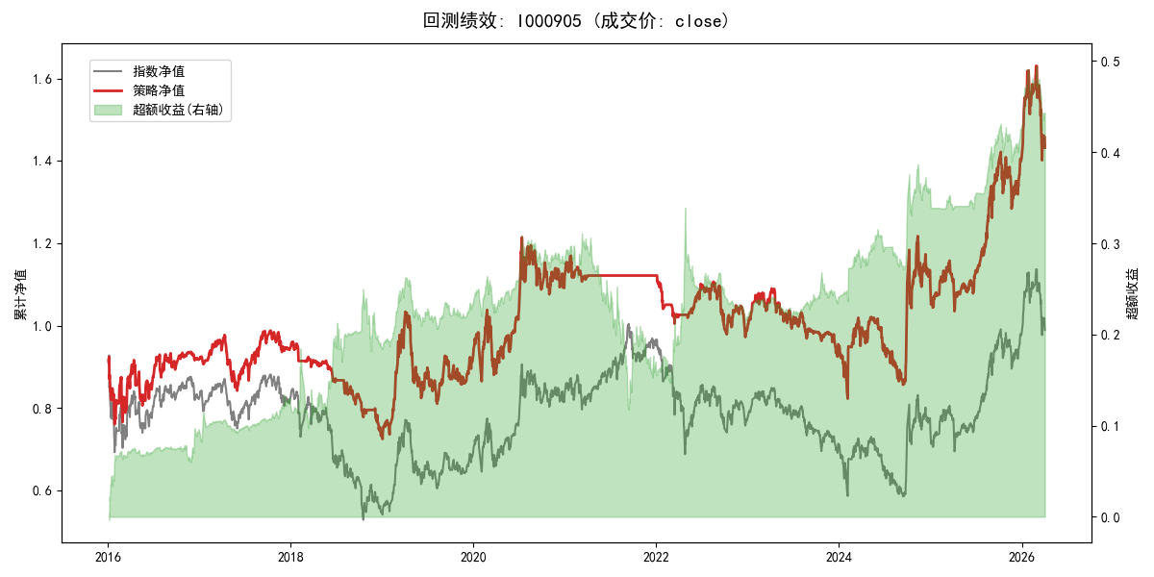
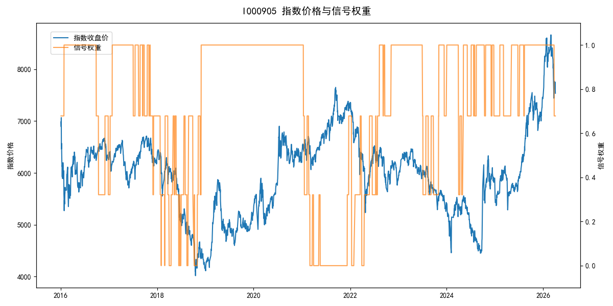
年份 | 策略 |  |  |  | 指数 |  |  |  | 超额 |  |  |  | 换手 率
 | 收益 | 波动 | 夏普 | 回撤 | 收益 | 波动 | 夏普 | 回撤 | 收益 | 波动 | 夏普 | 回撤
2016 | -8.35% | 26.84% | -0.310 | -17.77% | -17.95% | 30.30% | -0.590 | -25.40% | 10.28% | 6.84% | 1.500 | -2.79% | 1.3
2017 | 3.08% | 12.85% | 0.240 | -13.87% | -0.21% | 14.80% | -0.010 | -13.87% | 3.03% | 4.50% | 0.670 | -2.13% | 1.4
2018 | -22.65% | 9.96% | -2.270 | -23.76% | -33.69% | 24.16% | -1.390 | -37.66% | 13.30% | 17.67% | 0.750 | -12.51% | 4.0
2019 | 26.55% | 23.38% | 1.140 | -21.65% | 26.55% | 23.38% | 1.140 | -21.65% | 0.00% | 0.00% | 0.000 | 0.00% | 0.0
2020 | 20.93% | 25.69% | 0.810 | -15.24% | 20.93% | 25.69% | 0.810 | -15.24% | 0.00% | 0.00% | 0.000 | 0.00% | 0.0
2021 | 0.07% | 5.70% | 0.010 | -5.38% | 15.77% | 15.45% | 1.020 | -9.57% | -15.99% | 13.33% | -1.200 | -20.44% | 1.0
2022 | -11.98% | 11.44% | -1.050 | -13.35% | -20.56% | 21.89% | -0.940 | -28.83% | 8.78% | 14.86% | 0.590 | -15.07% | 4.4
2023 | -3.53% | 11.03% | -0.320 | -15.20% | -7.52% | 13.14% | -0.570 | -18.66% | 4.08% | 4.69% | 0.870 | -4.60% | 1.4
2024 | 15.42% | 27.64% | 0.560 | -16.14% | 5.48% | 29.06% | 0.190 | -19.90% | 8.96% | 4.46% | 2.010 | -1.92% | 2.6
2025 | 27.89% | 17.23% | 1.620 | -10.64% | 30.58% | 20.07% | 1.520 | -13.80% | -2.70% | 4.52% | -0.600 | -4.56% | 1.9
2026 | 7.91% | 26.31% | 0.300 | -14.06% | 3.91% | 26.50% | 0.150 | -14.06% | 3.84% | 1.38% | 2.790 | 0.00% | 0.3
total | 3.57% | 19.01% | 0.190 | -32.30% | -0.11% | 22.60% | 0.000 | -43.13% | 2.99% | 9.05% | 0.330 | -25.84% | 1.8

