Performance
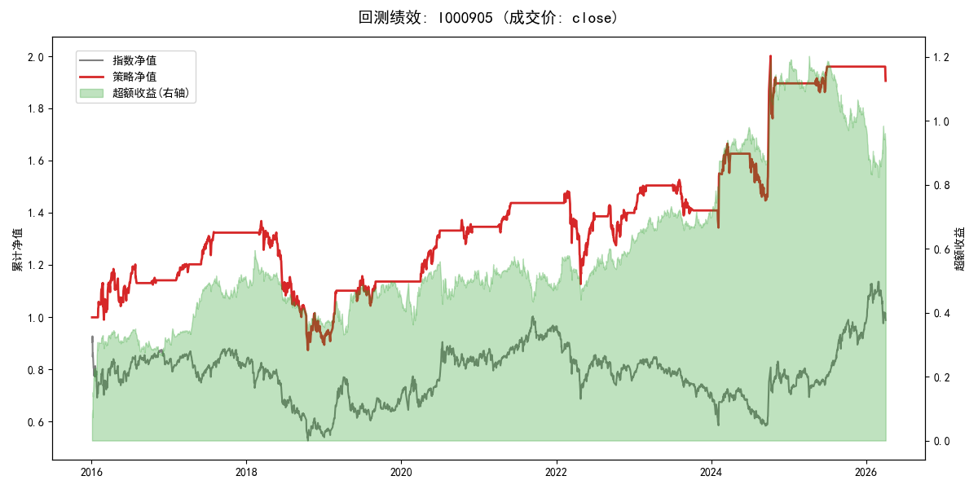
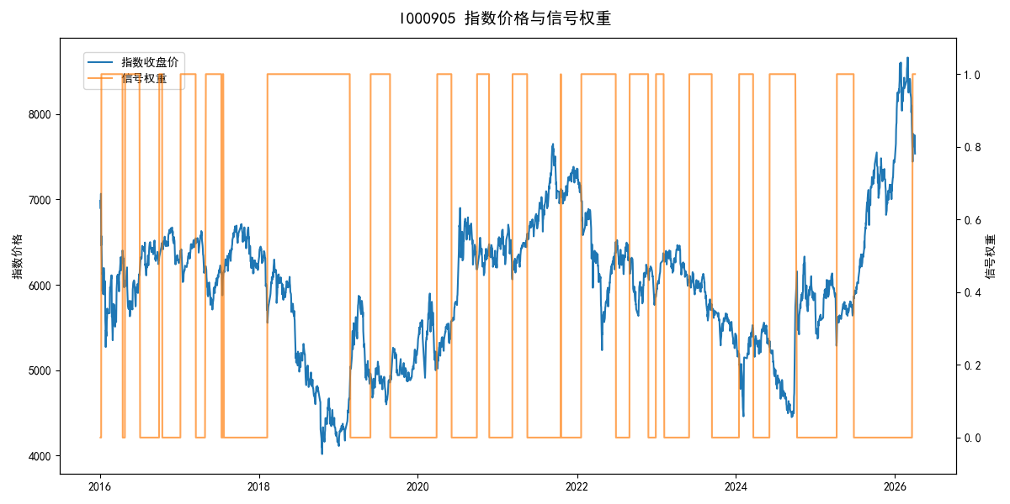
年份 | 策略 |  |  |  | 指数 |  |  |  | 超额 |  |  |  | 换手 率
 | 收益 | 波动 | 夏普 | 回撤 | 收益 | 波动 | 夏普 | 回撤 | 收益 | 波动 | 夏普 | 回撤
2016 | 14.37% | 21.59% | 0.670 | -12.45% | -17.95% | 30.30% | -0.590 | -25.40% | 31.60% | 21.16% | 1.490 | -10.30% | 4.0
2017 | 16.24% | 8.17% | 1.990 | -5.61% | -0.21% | 14.80% | -0.010 | -13.87% | 14.78% | 12.26% | 1.210 | -8.39% | 4.0
2018 | -31.92% | 22.28% | -1.430 | -36.17% | -33.69% | 24.16% | -1.390 | -37.66% | 2.25% | 9.38% | 0.240 | -8.96% | 1.0
2019 | 25.60% | 14.18% | 1.810 | -9.80% | 26.55% | 23.38% | 1.140 | -21.65% | -2.51% | 18.61% | -0.130 | -14.64% | 3.0
2020 | 18.51% | 11.29% | 1.640 | -6.71% | 20.93% | 25.69% | 0.810 | -15.24% | -4.79% | 23.09% | -0.210 | -18.52% | 4.0
2021 | 6.86% | 4.19% | 1.640 | -2.31% | 15.77% | 15.45% | 1.020 | -9.57% | -9.32% | 14.89% | -0.630 | -16.06% | 2.0
2022 | -2.67% | 19.43% | -0.140 | -24.01% | -20.56% | 21.89% | -0.940 | -28.83% | 20.35% | 10.08% | 2.020 | -5.77% | 4.0
2023 | 0.67% | 8.28% | 0.080 | -8.93% | -7.52% | 13.14% | -0.570 | -18.66% | 8.19% | 10.20% | 0.800 | -6.72% | 4.0
2024 | 34.67% | 24.35% | 1.420 | -13.08% | 5.48% | 29.06% | 0.190 | -19.90% | 24.13% | 15.66% | 1.540 | -9.45% | 4.0
2025 | 3.40% | 4.88% | 0.700 | -2.86% | 30.58% | 20.07% | 1.520 | -13.80% | -26.00% | 19.49% | -1.330 | -28.37% | 2.0
2026 | -11.02% | 4.28% | -2.580 | -2.78% | 3.91% | 26.50% | 0.150 | -14.06% | -19.36% | 26.12% | -0.740 | -12.28% | 1.0
total | 6.50% | 15.45% | 0.420 | -36.17% | -0.11% | 22.60% | 0.000 | -43.13% | 5.27% | 16.49% | 0.320 | -38.58% | 3.2

