Performance
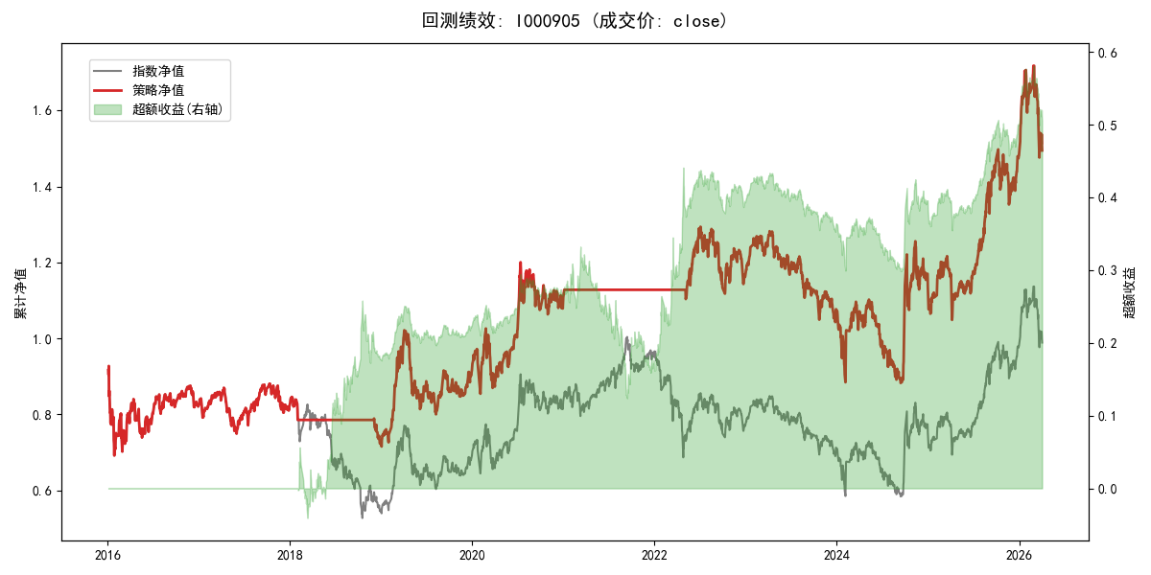
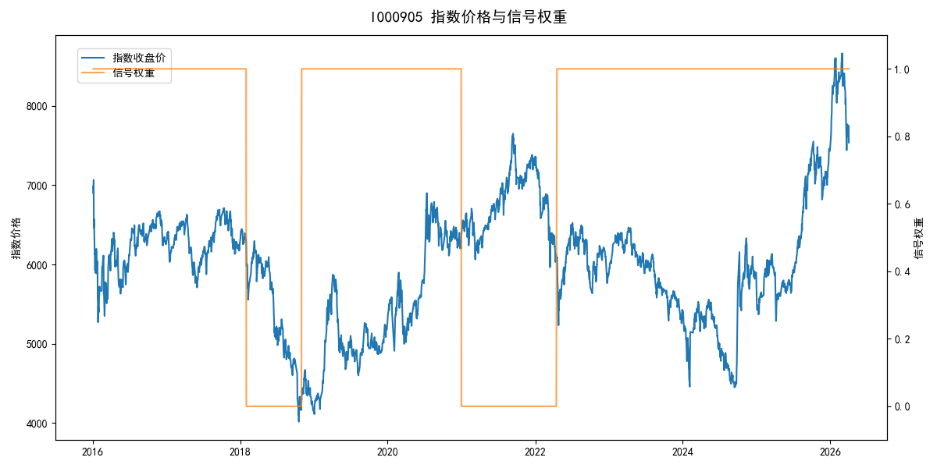
年份 | 策略 |  |  |  | 指数 |  |  |  | 超额 |  |  |  | 换手 率
 | 收益 | 波动 | 夏普 | 回撤 | 收益 | 波动 | 夏普 | 回撤 | 收益 | 波动 | 夏普 | 回撤
2016 | -17.95% | 30.30% | -0.590 | -25.40% | -17.95% | 30.30% | -0.590 | -25.40% | 0.00% | 0.00% | 0.000 | 0.00% | 0.0
2017 | -0.21% | 14.80% | -0.010 | -13.87% | -0.21% | 14.80% | -0.010 | -13.87% | 0.00% | 0.00% | 0.000 | 0.00% | 0.0
2018 | -11.77% | 7.05% | -1.670 | -14.44% | -33.69% | 24.16% | -1.390 | -37.66% | 26.51% | 23.17% | 1.140 | -14.54% | 2.0
2019 | 26.55% | 23.38% | 1.140 | -21.65% | 26.55% | 23.38% | 1.140 | -21.65% | 0.00% | 0.00% | 0.000 | 0.00% | 0.0
2020 | 20.93% | 25.69% | 0.810 | -15.24% | 20.93% | 25.69% | 0.810 | -15.24% | 0.00% | 0.00% | 0.000 | 0.00% | 0.0
2021 | 1.84% | 1.85% | 0.990 | 0.00% | 15.77% | 15.45% | 1.020 | -9.57% | -14.33% | 15.35% | -0.930 | -21.53% | 1.0
2022 | 3.17% | 14.84% | 0.210 | -13.60% | -20.56% | 21.89% | -0.940 | -28.83% | 25.53% | 16.05% | 1.590 | -8.25% | 1.0
2023 | -7.52% | 13.14% | -0.570 | -18.66% | -7.52% | 13.14% | -0.570 | -18.66% | 0.00% | 0.00% | 0.000 | 0.00% | 0.0
2024 | 5.48% | 29.06% | 0.190 | -19.90% | 5.48% | 29.06% | 0.190 | -19.90% | 0.00% | 0.00% | 0.000 | 0.00% | 0.0
2025 | 30.58% | 20.07% | 1.520 | -13.80% | 30.58% | 20.07% | 1.520 | -13.80% | 0.00% | 0.00% | 0.000 | 0.00% | 0.0
2026 | 3.91% | 26.50% | 0.150 | -14.06% | 3.91% | 26.50% | 0.150 | -14.06% | 0.00% | 0.00% | 0.000 | 0.00% | 0.0
total | 4.00% | 20.25% | 0.200 | -31.77% | -0.11% | 22.60% | 0.000 | -43.13% | 3.67% | 10.03% | 0.370 | -26.61% | 0.4

