Performance
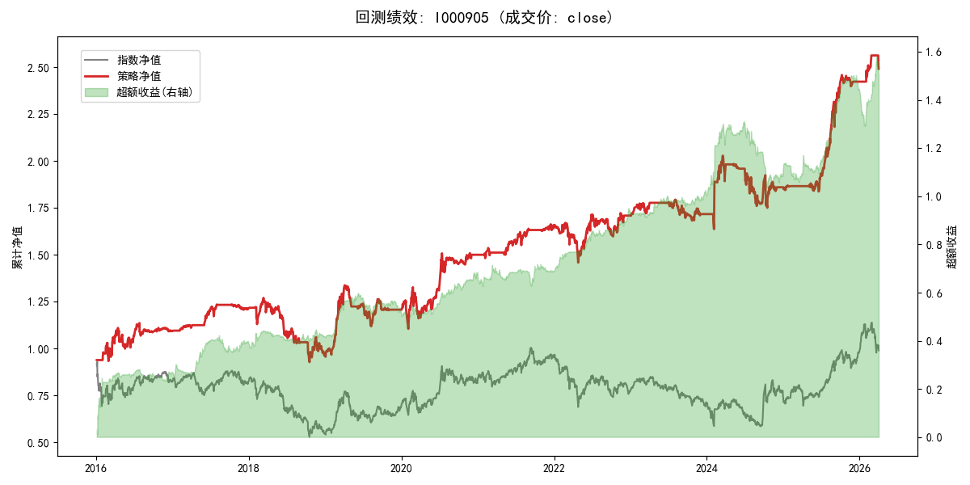
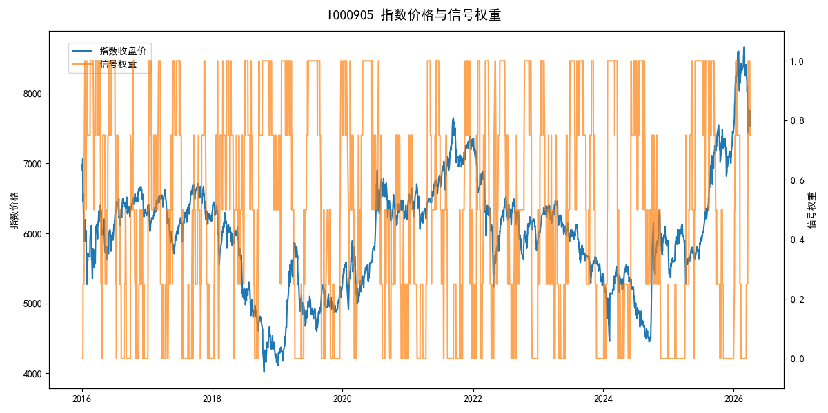
年份 | 策略 |  |  |  | 指数 |  |  |  | 超额 |  |  |  | 换手 率
 | 收益 | 波动 | 夏普 | 回撤 | 收益 | 波动 | 夏普 | 回撤 | 收益 | 波动 | 夏普 | 回撤
2016 | 9.32% | 20.53% | 0.450 | -9.98% | -17.95% | 30.30% | -0.590 | -25.40% | 26.76% | 18.91% | 1.410 | -7.43% | 4.0
2017 | 11.20% | 6.48% | 1.730 | -4.22% | -0.21% | 14.80% | -0.010 | -13.87% | 10.15% | 11.48% | 0.880 | -8.28% | 3.5
2018 | -20.69% | 19.02% | -1.090 | -26.99% | -33.69% | 24.16% | -1.390 | -37.66% | 17.17% | 9.07% | 1.890 | -4.50% | 4.0
2019 | 25.20% | 17.26% | 1.460 | -16.36% | 26.55% | 23.38% | 1.140 | -21.65% | -2.36% | 12.36% | -0.190 | -12.33% | 3.2
2020 | 24.35% | 20.28% | 1.200 | -12.51% | 20.93% | 25.69% | 0.810 | -15.24% | 1.64% | 10.06% | 0.160 | -6.29% | 3.5
2021 | 10.75% | 6.83% | 1.570 | -4.34% | 15.77% | 15.45% | 1.020 | -9.57% | -5.51% | 12.00% | -0.460 | -14.91% | 4.2
2022 | 3.03% | 12.96% | 0.230 | -12.72% | -20.56% | 21.89% | -0.940 | -28.83% | 25.14% | 11.06% | 2.270 | -6.99% | 4.7
2023 | 0.49% | 7.42% | 0.070 | -6.24% | -7.52% | 13.14% | -0.570 | -18.66% | 7.94% | 8.97% | 0.890 | -4.31% | 5.5
2024 | 8.35% | 18.06% | 0.460 | -13.72% | 5.48% | 29.06% | 0.190 | -19.90% | 0.25% | 18.81% | 0.010 | -26.58% | 5.5
2025 | 30.49% | 10.74% | 2.840 | -5.79% | 30.58% | 20.07% | 1.520 | -13.80% | -1.54% | 15.73% | -0.100 | -11.93% | 2.5
2026 | 12.28% | 9.06% | 1.360 | -2.78% | 3.91% | 26.50% | 0.150 | -14.06% | 4.91% | 24.03% | 0.200 | -11.29% | 2.5
total | 9.31% | 14.87% | 0.630 | -26.99% | -0.11% | 22.60% | 0.000 | -43.13% | 7.89% | 13.66% | 0.580 | -33.07% | 4.2

